Model
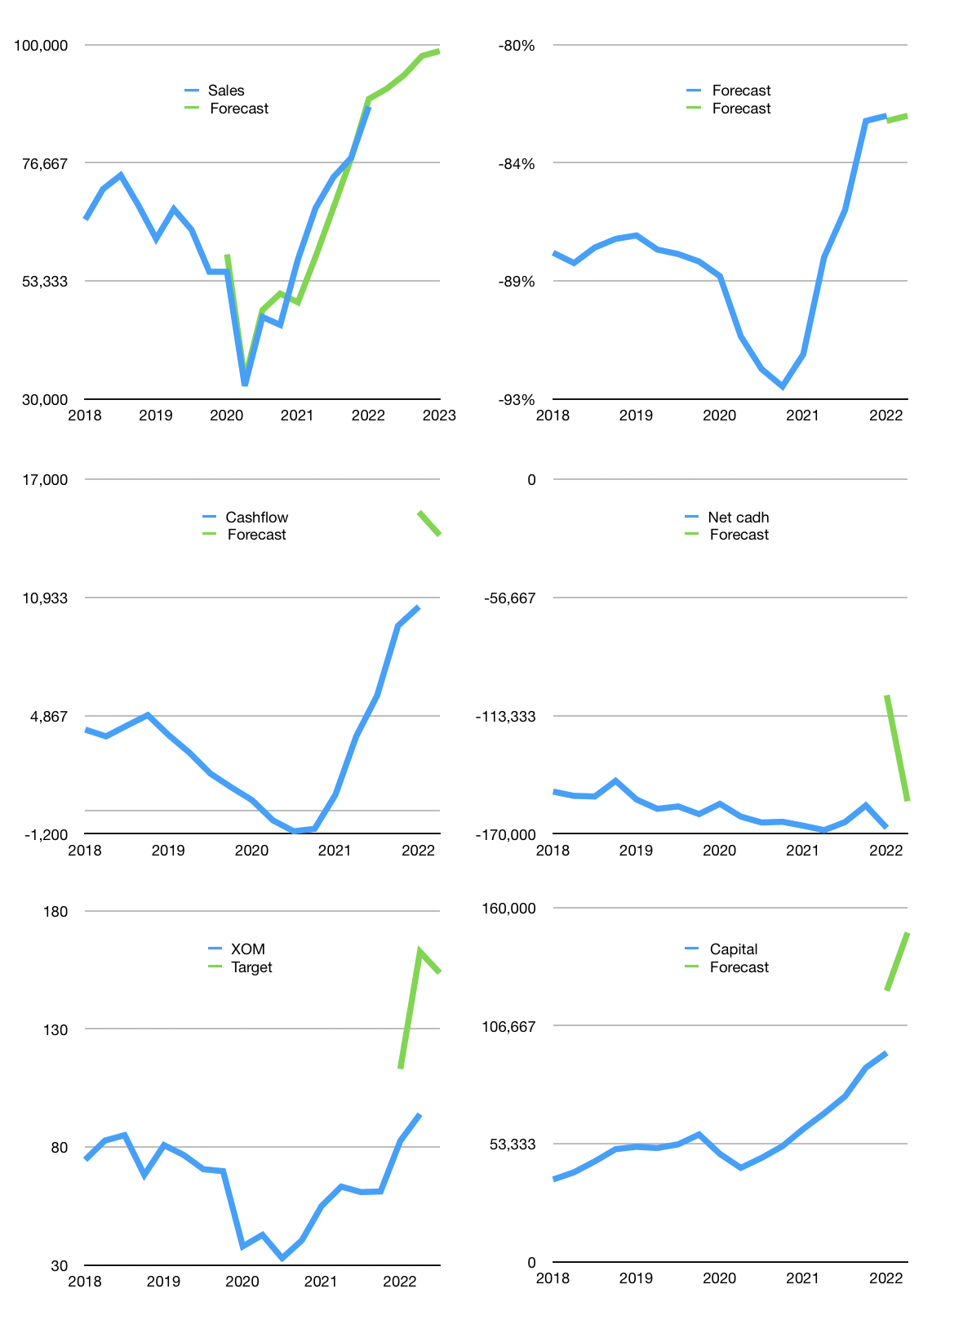
Financial model
$m |  |  | 4Q 2022
Cashflow | 11% |  |  | 3%
Growth | 4% | 3% | 4% | 1%
Sales | 91,243 | 93,981 | 97,740 | 98,717
Cost ratio | -83% | -83% | -83% | -83%
Cash costs | -75,378 | -77,640 | -80,745 | -81,553
Operating | 15,865 | 16,341 | 16,995 | 17,165
Investment | -3,036 | -3,036 | -3,036 | -3,036
Finance | -12,829 | -13,305 | -13,958 | -14,128
Liabilities | -8,912 | -8,467 | -8,043 | -7,641
Revolver | 5,717 | 5,272 | 4,848 | 4,446
Payout | 1.0
Equity | -9,634 | -10,110 | -10,763 | -10,933
Before revolver | -5,717 | -5,272 | -4,848 | -4,446
Beginning | 11,074 | 11,074 | 11,074 | 11,074
Change | 0 | 0 | 0 | 0
Ending | 11,074 | 11,074 | 11,074 | 11,074
Profit
Non cash costs | -6,231 | -6,231 | -6,231 | -6,231
Net profit | 9,634 | 10,110 | 10,763 | 10,933
Balance sheet
Other assets | 647,707 | 650,744 | 653,780 | 656,816
Depreciation | 307,205 | 313,437 | 319,668 | 325,899
Net other assets | 340,502 | 337,307 | 334,112 | 330,917
Liabilities | 169,333 | 160,866 | 152,823 | 145,182
Revolver | 5,717 | 10,989 | 15,837 | 20,284
Equity | 176,526 | 176,526 | 176,526 | 176,526
Check | 0 | 0 | 0 | 0
Net cash | -163,976 | -160,781 | -157,586 | -154,391
Valuation
Capital | 107,204 | 120,509 | 134,467 | 148,595
Current value |  |  |  | 397,491,765,248
Current value |  |  |  | 397,492
P/assets |  |  |  | 1.16
Yield |  |  |  | 10%
Cashflow |  |  |  | 54,220
Payback |  |  |  | 6
Valuation |  |  |  | 7
Forecast |  |  |  | 12
Value |  |  |  | 650,644
Shares |  |  |  | 4,234
Target |  |  |  | 154
Current |  |  |  | 94
V target |  |  |  | 64%
12 month growth |  |  |  | 52%
Sales forecasts |  |  |  | -2%

Cashflow
Cashflow
$m | Net income | Non cash | Working capital | Operating | Investment | Liabilities | Equity | Finance | Free cashflow | Cashflow | Forecast | Capital | Forecast
2015 | 4,940 | 4,300 | -1,242 | 7,998 | -6,352 |  |  | -854 | 1,646 |  |  | 854 |  | 1
 | 4,262 | 4,451 | 79 | 8,792 | -6,491 |  |  | -3,194 | 2,301 |  |  | 4,048 |  | 2
 | 4,384 | 4,542 | 248 | 9,174 | -5,657 |  |  | -3,402 | 3,517 |  |  | 7,450 |  | 3
 | 2,429 | 4,755 | -2,804 | 4,380 | -5,324 |  |  | 413 | -944 |  |  | 7,037 |  | 4
2016 | 1,781 | 4,765 | -1,734 | 4,812 | -4,349 |  |  | 524 | 463 | 1,334 |  | 6,513 |  | 5
 | 1,681 | 4,821 | -1,983 | 4,519 | -3,147 |  |  | -1,775 | 1,372 | 1,102 |  | 8,288 |  | 6
 | 2,889 | 4,605 | -2,139 | 5,355 | -3,235 |  |  | -1,296 | 2,120 | 753 |  | 9,584 |  | 7
 | 2,024 | 8,117 | -2,745 | 7,396 | -1,672 |  |  | -6,746 | 5,724 | 2,420 |  | 16,330 |  | 8
2017 | 4,090 | 4,519 | -436 | 8,173 | -3,761 |  |  | -3,246 | 4,412 | 3,407 |  | 19,576 |  | 9
 | 3,264 | 4,652 | -969 | 6,947 | -2,878 |  |  | -5,059 | 4,069 | 4,081 |  | 24,635 |  | 10
 | 4,085 | 4,880 | -1,430 | 7,535 | -2,555 |  |  | -4,988 | 4,980 | 4,796 |  | 29,623 |  | 11
 | 8,409 | 5,842 | -6,840 | 7,411 | -6,536 |  |  | -1,837 | 875 | 3,584 |  | 31,460 |  | 12
2018 | 4,783 | 4,470 | -734 | 8,519 | -1,859 |  |  | -5,742 | 6,660 | 4,146 |  | 37,202 |  | 13
 | 3,986 | 4,589 | -795 | 7,780 | -5,096 |  |  | -3,244 | 2,684 | 3,800 |  | 40,446 |  | 14
 | 6,446 | 4,658 | 4 | 11,108 | -3,907 |  |  | -4,959 | 7,201 | 4,355 |  | 45,405 |  | 15
 | 6,206 | 5,028 | -2,627 | 8,607 | -5,584 |  |  | -5,501 | 3,023 | 4,892 |  | 50,906 |  | 16
2019 | 2,406 | 4,571 | 1,361 | 8,338 | -5,793 |  |  | -1,044 | 2,545 | 3,863 |  | 51,950 |  | 17
 | 3,391 | 4,631 | -2,075 | 5,947 | -6,877 |  |  | 548 | -930 | 2,960 |  | 51,402 |  | 18
 | 3,247 | 4,873 | 959 | 9,079 | -6,150 |  |  | -1,666 | 2,929 | 1,892 |  | 53,068 |  | 19
 | 5,730 | 4,923 | -4,301 | 6,352 | -6,150 |  |  | -4,456 | 202 | 1,187 |  | 57,524 |  | 20
2020 | -770 | 5,819 | 1,225 | 6,274 | -6,367 |  |  | 8,785 | -93 | 527 |  | 48,739 |  | 21
 | -1,169 | 4,916 | -3,747 | 0 | -5,081 |  |  | 6,277 | -5,081 | -511 |  | 42,462 |  | 22
 | -709 | 4,983 | 115 | 4,389 | -3,709 |  |  | -4,494 | 680 | -1,073 |  | 46,956 |  | 23
 | -20,603 | 21,643 | 2,965 | 4,005 | -3,302 |  |  | -5,283 | 703 | -948 |  | 52,239 |  | 24
2021 | 2,796 | 5,004 | 1,464 | 9,264 | -2,355 | -3,619 | -3,869 | -7,785 | 6,909 | 803 |  | 60,024 |  | 25
 | 4,781 | 4,952 | -83 | 9,650 | -2,716 | -3,619 | -3,869 | -7,022 | 6,934 | 3,807 |  | 67,046 |  | 26
 | 6,942 | 4,990 | 159 | 12,091 | -3,054 | -3,619 | -3,869 | -7,657 | 9,037 | 5,896 |  | 74,703 |  | 27
 | 9,079 | 6,100 | 1,945 | 17,124 | -2,110 | -8,826 | -4,133 | -12,959 | 15,014 | 9,474 |  | 87,662 |  | 28
2022 | 5,750 | 8,883 | 155 | 14,788 | -3,945 | -732 | -5,981 | -6,713 | 10,843 | 10,457 | 15,319 | 94,375 | 122,418 | 29
 |  |  |  |  |  |  |  |  |  |  | 14,128 |  | 148,595

 | Region 1 | Region 2
April | 17 | 55
May | 26 | 43
June | 53 | 70
July | 96 | 58
 | Region 1 | Region 2
April | 17 | 55
May | 26 | 43
June | 53 | 70
July | 96 | 58

