Model
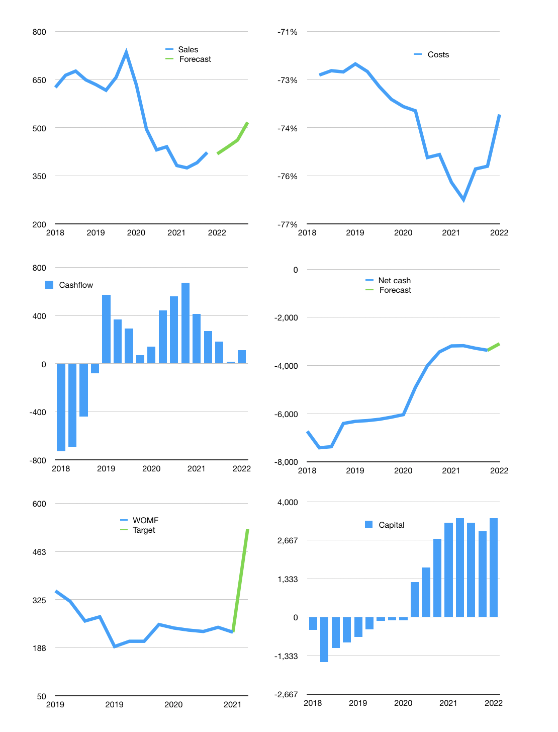
Financial model
$m |  |  |  | 4Q 2022
Cashflow | -1% |  |  | 5%
Growth | -1% | 5% | 5% | 12%
Sales | 419 | 440 | 462 | 517
Cost ratio | -74% | -74% | -74% | -74%
Cash costs | -308 | -323 | -340 | -380
Operating | 111 | 116 | 122 | 137
Investment | -7 | -7 | -7 | -7
Finance | -104 | -110 | -115 | -130
Liabilities | -191 | -181 | -172 | -164
Equity | -43 | -45 | -47 | -51
Before revolver | -130 | -117 | -104 | -85
Revolver | 130 | 117 | 104 | 85
Beginning | 450 | 450 | 450 | 450
Change | 0 | 0 | 0 | 0
Ending | 450 | 450 | 450 | 450
Profit
Non cash costs | -18 | -18 | -18 | -18
Provisions | 52 | 52 | 52 | 52
Profit | 145 | 150 | 156 | 171
Balance sheet
Other assets | 5,373 | 5,379 | 5,386 | 5,392
Depreciation | 683 | 701 | 719 | 737
Net other assets | 4,690 | 4,678 | 4,667 | 4,656
Liabilities | 3,627 | 3,445 | 3,273 | 3,109
Revolver | 130 | 247 | 351 | 436
Equity | 1,435 | 1,540 | 1,650 | 1,769
Check | 52 | 105 | 157 | 209
Net cash | -3,307 | -3,242 | -3,174 | -3,095
Valuation
Capital | 3,074 | 3,184 | 3,299 | 3,429
Current value |  |  |  | 808
P/assets |  |  |  | 0.2
Yield |  |  |  | 23%
Cashflow |  |  |  | 459
Payback |  |  |  | 10
Valuation |  |  |  | 2
Forecast |  |  |  | 4
Value |  |  |  | 1,835
Shares |  |  |  | 3
Target |  |  |  | 527
Current |  |  |  | 232
V target |  |  |  | 127%
12 month growth |  |  |  | -4%
Sales forecasts |  |  |  | -100%

Capital
Capital
Rpbn | Liabilities | Equity | Total | Liabilities | Equity | Total
2000 |  |  | 0 |  |  | 0
2001 |  |  | 0 |  |  | 0
2002 |  |  | 0 |  |  | 0
2003 |  |  | 0 |  |  | 0
2004 |  |  | 0 |  |  | 0
2005 |  |  | 0 |  |  | 0
2006 |  |  | 0 | 0 | 0 | 0
2007 |  |  | 0 | 0 | 0 | 0
2008 |  |  | 0 | 0 | 0 | 0
2009 |  |  | 0 | 0 | 0 | 0
2010 |  |  | 0 | 0 | 0 | 0
2011 |  |  | 0 | 0 | 0 | 0
2012 |  |  | 0 | 0 | 0 | 0
2013 |  |  | 0 | 0 | 0 | 0
2014 |  |  | 0 | 0 | 0 | 0
2015 |  |  | 0 | 0 | 0 | 0
2016 |  |  | 0 | 0 | 0 | 0
2017 |  |  | 0 | 0 | 0 | 0
2018 |  |  | 0 | 0 | 0 | 0
2019 |  |  | 0 | 0 | 0 | 0
2020 |  |  | 0 | 0 | 0 | 0
2021 |  |  | 0 | 0 | 0 | 0

 |  |  |  |  |  |  | Table 1

BFIN CAPITAL RAISED IS DOWN TO 2.8 TRILLION RUPIAH
 |  |  |  |  |  |  |  | BFIN | capital history
 |  |  |  |  |  |  |  | 2022-02-01 | 18 | 2022
 |  |  |  |  |  |  |  | Start date | 2006
 |  |  |  |  |  |  |  | Number of quarters | 60
 |  |  |  |  |  |  |  | Liabilities
 |  |  |  |  |  |  |  | BFIN | has |  | liabilities | by an average |  | billion rupiah | every year
 |  |  |  |  |  |  |  | In the last 5 years | liabilities | were |  | by an average |  | billion rupiah | every year
 |  |  |  |  |  |  |  | The peak in cumulative liabilities | was | 0 | billion rupiah | in | 2018
 |  |  |  |  |  |  |  | As of the latest quarter | liabilities | cumulative | are | up | to | 0 | billion rupiah
 |  |  |  |  |  |  |  | Equity
 |  |  |  |  |  |  |  | BFIN | has | paid | equity | by an average | 0 | billion rupiah | every year
 |  |  |  |  |  |  |  | In the last 5 years | equity | was |  | by an average |  | billion rupiah | every year
 |  |  |  |  |  |  |  | The peak in cumulative equity | was | 0 | billion rupiah | in | 2006
 |  |  |  |  |  |  |  | As of the latest quarter | equity | cumulative | is | up | to | 0 | billion rupiah
 |  |  |  |  |  |  |  | Total capital
 |  |  |  |  |  |  |  | BFIN | has | paid | total capital | by an average | 0 | billion rupiah | every year
 |  |  |  |  |  |  |  | In the last 5 years | total capital | was | paid | by an average | 0 | billion rupiah | every year
 |  |  |  |  |  |  |  | The peak in cumulative equity | was | 0 | billion rupiah | in | 2018
 |  |  |  |  |  |  |  | As of the latest quarter | total capital | cumulative | is | up | to | 0 | billion rupiah

