Model
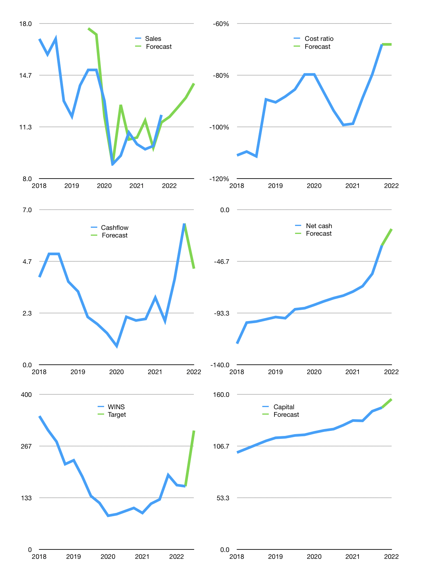
Financial model
$m |  |  |  | 4Q 2023
Cash flow | 3% |  |  | 4%
Growth | -1% | 5% | 5% | 7%
Sales | 12.0 | 12.6 | 13.2 | 14.1
Cost ratio | -68% | -68% | -68% | -68%
Cash costs | -8.2 | -8.6 | -9.0 | -9.6
Operating | 3.8 | 4.0 | 4.2 | 4.5
Investment | -0.2 | -0.2 | -0.2 | -0.2
Finance | -2.3 | -2.2 | -2.2 | -2.2
Liabilities | -2.1 | -2.0 | -1.9 | -1.8
Revolver | 0.0 | 0.0 | 0.0 | 0.0
Payout | 0.3
Equity | -0.2 | -0.2 | -0.3 | -0.4
Before revolver | 1.4 | 1.6 | 1.9 | 2.2
Beginning | 9.6 | 11.0 | 12.7 | 14.5
Change | 1.4 | 1.6 | 1.9 | 2.2
Ending | 11.0 | 12.7 | 14.5 | 16.7
Profit
Non cash costs | -3.3 | -3.3 | -3.3 | -3.3
Net profit | 0.5 | 0.7 | 0.9 | 1.2
Balance sheet
Other assets | 414 | 414 | 414 | 415
Depreciation | 231 | 234 | 237 | 241
Net other assets | 183 | 180 | 177 | 174
Liabilities | 40 | 38 | 36 | 34
Revolver | 0 | 0 | 0 | 0
Equity | 155 | 155 | 156 | 157
Check | 0 | 0 | 1 | 1
Net cash | -29 | -25 | -21 | -17
Valuation
Rupiah |  |  |  | 14
Capital | 149 | 151 | 153 | 155
Current value |  |  |  | 708,412,667,392
Current value |  |  |  | 51
P/sales |  |  |  | 0.98
P/assets |  |  |  | 0.27
Yield |  |  |  | 2%
Cashflow |  |  |  | 16
Payback |  |  |  | 12
Valuation |  |  |  | 3
Forecast |  |  |  | 6
Value |  |  |  | 95
Shares |  |  |  | 4
Target |  |  |  | 307
Current |  |  |  | 163
V target |  |  |  | 88%
12 month growth |  |  |  | 10%
Sales v forecast |  |  |  | 7%

