Model
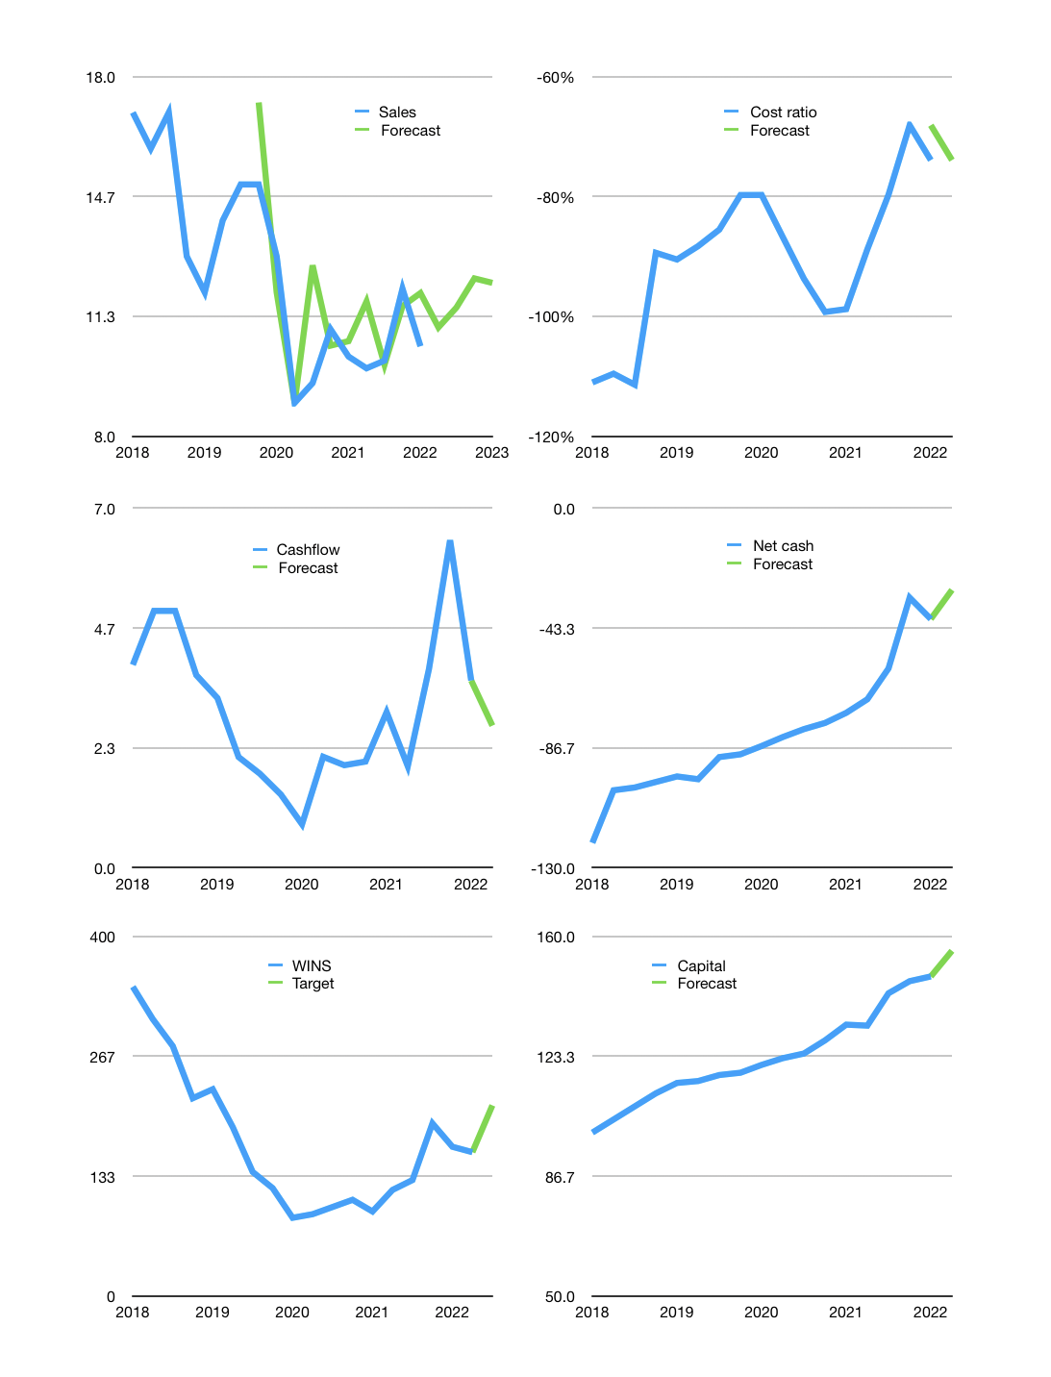
Financial model
$m |  |  | 4Q 2023
Cash flow | 1% |  |  | 4%
Growth | 5% | 5% | 7% | -1%
Sales | 11.0 | 11.6 | 12.4 | 12.3
Cost ratio | -74% | -74% | -74% | -74%
Cash costs | -8.2 | -8.6 | -9.2 | -9.1
Operating | 2.9 | 3.0 | 3.2 | 3.2
Investment | -0.4 | -0.4 | -0.4 | -0.4
Finance | -2.1 | -2.0 | -1.9 | -1.8
Liabilities | -2.1 | -2.0 | -1.9 | -1.8
Revolver | 0.0 | 0.0 | 0.0 | 0.0
Payout | 0.3
Equity | 0.0 | 0.0 | 0.0 | 0.0
Before revolver | 0.3 | 0.6 | 0.9 | 0.9
Beginning | 1.8 | 2.2 | 2.8 | 3.6
Change | 0.3 | 0.6 | 0.9 | 0.9
Ending | 2.2 | 2.8 | 3.6 | 4.6
Profit
Non cash costs | -3.1 | -3.1 | -3.1 | -3.1
Net profit | -0.2 | -0.1 | 0.1 | 0.1
Balance sheet
Other assets | 423 | 423 | 424 | 424
Depreciation | 234 | 237 | 240 | 243
Net other assets | 189 | 186 | 184 | 181
Liabilities | 40 | 38 | 36 | 34
Revolver | 0 | 0 | 0 | 0
Equity | 151 | 151 | 151 | 151
Check | 0 | 0 | 0 | 0
Net cash | -38 | -35 | -32 | -30
Valuation
Rupiah |  |  |  | 15
Capital | 150 | 152 | 154 | 156
Current value |  |  |  | 695,374,381,056
Current value |  |  |  | 48
P/assets |  |  |  | 0.26
Yield |  |  |  | 0%
Cashflow |  |  |  | 11
Payback |  |  |  | 18
Valuation |  |  |  | 5
Forecast |  |  |  | 6
Value |  |  |  | 64
Shares |  |  |  | 4
Target |  |  |  | 212
Current |  |  |  | 160
V target |  |  |  | 33%
12 month growth |  |  |  | 3%
Sales v forecast |  |  |  | -6%

Capital
Capital
$m | Liabilities | Equity | Total | Liabilities | Equity | Total
2009 | 5 | -1 | 5 | 5 | -1 | 5
2010 | 14 | 31 | 45 | 19 | 31 | 50
2011 | 24 | 0.9 | 25 | 43 | 32 | 75
2012 | 32 | 2.2 | 34 | 75 | 34 | 109
2013 | 30 | 2 | 32 | 105 | 36 | 141
2014 | 18 | 5 | 23 | 123 | 41 | 164
2015 | -29 | 0 | -29 | 94 | 42 | 136
2016 | -24 | 0 | -24 | 70 | 42 | 112
2017 | -19 | 0 | -19 | 51 | 42 | 93
2018 | -19 | 5 | -14 | 32 | 47 | 79
2019 | -8 | 0 | -8 | 24 | 47 | 71 | 60
2020 | -8 | 0 | -8 | 16 | 47 | 63 | -157
2021 | -21 | 13 | -8 | -4 | 60 | 56 | -109
2022 | -2 | 0 | -2 | -6 | 60 | 53

 |  |  |  |  |  |  |  | Table 1

WINS HAS PAID THE CAPITAL DOWN AT A RATE -28% OF MKT CAP
 |  |  |  |  |  |  |  |  | Market value | IDR695374381056 | In USD
 |  |  |  |  |  |  |  |  | WINS | capital history | paying down at | -31% | of market value | a year
 |  |  |  |  |  |  |  |  | 2022-03-23
 |  |  |  |  |  |  |  |  | Start date | 2009
 |  |  |  |  |  |  |  |  | Number of quarters | 52
 |  |  |  |  |  |  |  |  | Market value USD m | 50
 |  |  |  |  |  |  |  |  | Liabilities | -4 | million dollars | paid
 |  |  |  |  |  |  |  |  | WINS | has | paid | liabilities | by an average | 0 | million dollars | every year | -1% | of market value
 |  |  |  |  |  |  |  |  | In the last 5 years | liabilities | were | paid | by an average | -15 | million dollars | every year | -30% | of market value
 |  |  |  |  |  |  |  |  | The peak in cumulative liabilities | was | 123 | million dollars | in | 2014
 |  |  |  |  |  |  |  |  | As of the latest quarter | liabilities | cumulative | are | down | to | -4 | million dollars
 |  |  |  |  |  |  |  |  | Equity | 60 | million dollars | raised
 |  |  |  |  |  |  |  |  | WINS | has | raised | equity | by an average | 5 | million dollars | every year | 9% | of market value
 |  |  |  |  |  |  |  |  | In the last 5 years | equity | was | raised | by an average | 4 | million dollars | every year | 7% | of market value
 |  |  |  |  |  |  |  |  | The peak in cumulative equity | was | 60 | million dollars | in | 2021
 |  |  |  |  |  |  |  |  | As of the latest quarter | equity | cumulative | is | up | to | 60 | million dollars
 |  |  |  |  |  |  |  |  | Total capital | 56 | million dollars | raised
 |  |  |  |  |  |  |  |  | WINS | has | raised | total capital | by an average | 4 | million dollars | every year | 9% | of market value
 |  |  |  |  |  |  |  |  | In the last 5 years | total capital | was | paid | by an average | -11 | million dollars | every year | -23% | of market value
 |  |  |  |  |  |  |  |  | The peak in cumulative total capital | was | 164 | million dollars | in | 2014
 |  |  |  |  |  |  |  |  | As of the latest quarter | total capital | cumulative | is | down | to | 56 | million dollars | paying down at | -31% | of market value | a year

