Model
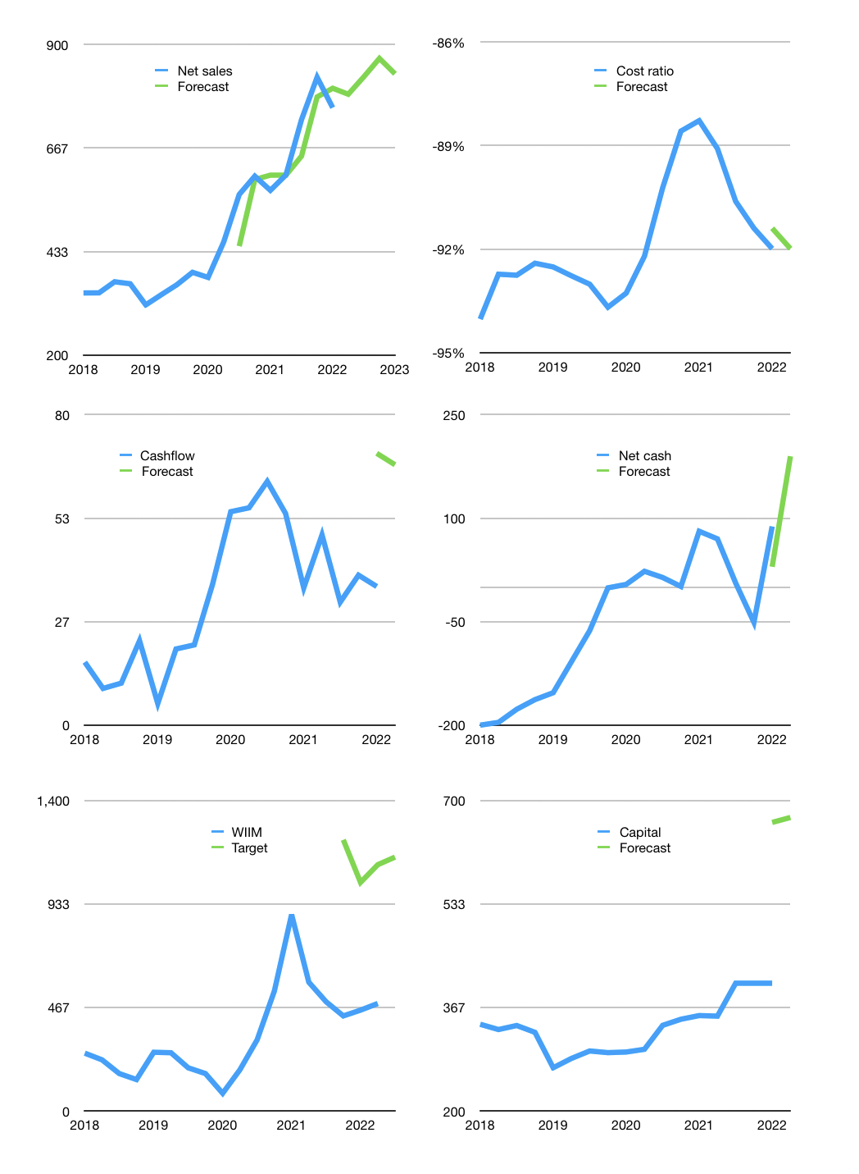
Financial model
Rp bn |  |  | 4Q 2022
Cashflow | 8% |  |  | 3%
Growth | 4% | 5% | 5% | -4%
Sales | 788 | 827 | 869 | 834
Cost ratio | -92% | -92% | -92% | -92%
Cash costs | -725 | -761 | -799 | -767
Operating | 63 | 66 | 70 | 67
Investment | 0 | 0 | 0 | 0
Finance | -63 | -67 | -70 | -67
Liabilities | -107 | -80 | -60 | -45
Payout | 0.8
Equity | -39 | -41 | -44 | -42
Before revolver | -82 | -55 | -34 | -20
Revolver | 82 | 55 | 34 | 20
Beginning | 516 | 516 | 516 | 516
Change | 0 | 0 | 0 | 0
Ending | 516 | 516 | 516 | 516
Profit
Non cash costs | -15 | -15 | -15 | -15
Net profit | 48 | 51 | 55 | 52
Balance sheet
Other assets | 1,823 | 1,822 | 1,822 | 1,822
Depreciation | 570 | 585 | 599 | 614
Net other assets | 1,253 | 1,238 | 1,223 | 1,208
Liabilities | 321 | 241 | 181 | 135
Revolver | 82 | 137 | 171 | 191
Equity | 1,366 | 1,376 | 1,387 | 1,397
Check | 0 | 0 | 0 | 0
Net cash | 113 | 138 | 164 | 190
Valuation
Capital | 469 | 535 | 605 | 672
Current value |  |  |  | 1,016,337,072,128
Current value |  |  |  | 1,016
P/assets |  |  |  | 0.59
Yield |  |  |  | 16%
Cashflow |  |  |  | 267
Payback |  |  |  | 5
Valuation |  |  |  | 4
Forecast |  |  |  | 9
Value |  |  |  | 2,402
Shares |  |  |  | 2
Target |  |  |  | 1,144
Current |  |  |  | 484
V target |  |  |  | 136%
12 month growth |  |  |  | 33%
Sales forecasts |  |  |  | -4%

Capital
Capital-1
Rpbn | Liabilities | Equity | Total | Liabilities | Equity | Total
2005 |  |  | 0 | 0 | 0 | 0
2006 |  |  | 0 | 0 | 0 | 0
2007 |  |  | 0 | 0 | 0 | 0
2008 |  |  | 0 | 0 | 0 | 0
2009 | 7 | -1 | 6 | 7 | -1 | 6
2010 | 13 | -2 | 11 | 20 | -3 | 17
2011 | 216 | -95 | 121 | 236 | -98 | 138
2012 | -3 | 295 | 292 | 233 | 197 | 430
2013 | -118 | -8 | -126 | 115 | 189 | 304
2014 | 52 | -40 | 12 | 167 | 149 | 316
2015 | 49 | -28 | 21 | 216 | 121 | 337
2016 | -72 | -53 | -125 | 144 | 68 | 212
2017 | -137 | -33 | -170 | 7 | 35 | 42
2018 | -54 | 0 | -54 | -47 | 35 | -12
2019 | 38 | -5 | 33 | -9 | 30 | 21 | -3.6692307692
2020 | -43 | -7 | -50 | -51 | 22 | -29 | -51.98
2021 | -4 | -15 | -19 | -55 | 8 | -48 | -19

WIIM -48 billion rupiah paid
 |  |  |  |  |  |  |  | Table 1-1

 |  |  |  |  |  |  |  |  | Market value | IDR1016337072128
 |  |  |  |  |  |  |  |  | WIIM | capital history | -5% | of market value | paid every year since 2013
 |  |  |  |  |  |  |  |  | 2022-04-14
 |  |  |  |  |  |  |  |  | Start date | 2009
 |  |  |  |  |  |  |  |  | Number of quarters | 52
 |  |  |  |  |  |  |  |  | Market value Rpbn | 1,016
 |  |  |  |  |  |  |  |  | Liabilities | -55 | billion rupiah | paid
 |  |  |  |  |  |  |  |  | WIIM | has | paid | liabilities | by an average | -4 | billion rupiah | every year | 0% | of market value
 |  |  |  |  |  |  |  |  | In the last 5 years | liabilities | were | paid | by an average | -40 | billion rupiah | every year | -4% | of market value
 |  |  |  |  |  |  |  |  | The peak in cumulative liabilities | was | 236 | billion rupiah | in | 2011
 |  |  |  |  |  |  |  |  | As of the latest quarter | liabilities | cumulative | are | down | to | -55 | billion rupiah
 |  |  |  |  |  |  |  |  | Equity | 8 | billion rupiah | raised
 |  |  |  |  |  |  |  |  | WIIM | has | raised | equity | by an average | 1 | billion rupiah | every year | 0% | of market value
 |  |  |  |  |  |  |  |  | In the last 5 years | equity | was | paid | by an average | -12 | billion rupiah | every year | -1% | of market value
 |  |  |  |  |  |  |  |  | The peak in cumulative equity | was | 197 | billion rupiah | in | 2012
 |  |  |  |  |  |  |  |  | As of the latest quarter | equity | cumulative | is | down | to | 8 | billion rupiah
 |  |  |  |  |  |  |  |  | Total capital | -48 | billion rupiah | paid
 |  |  |  |  |  |  |  |  | WIIM | has | paid | total capital | by an average | -4 | billion rupiah | every year | 0% | of market value
 |  |  |  |  |  |  |  |  | In the last 5 years | total capital | was | paid | by an average | -52 | billion rupiah | every year | -5% | of market value
 |  |  |  |  |  |  |  |  | The peak in cumulative total capital | was | 430 | billion rupiah | in | 2012
 |  |  |  |  |  |  |  |  | As of the latest quarter | total capital | cumulative | is | down | to | -47.7 | billion rupiah | -5% | of market value | paid every year since 2013

