Model
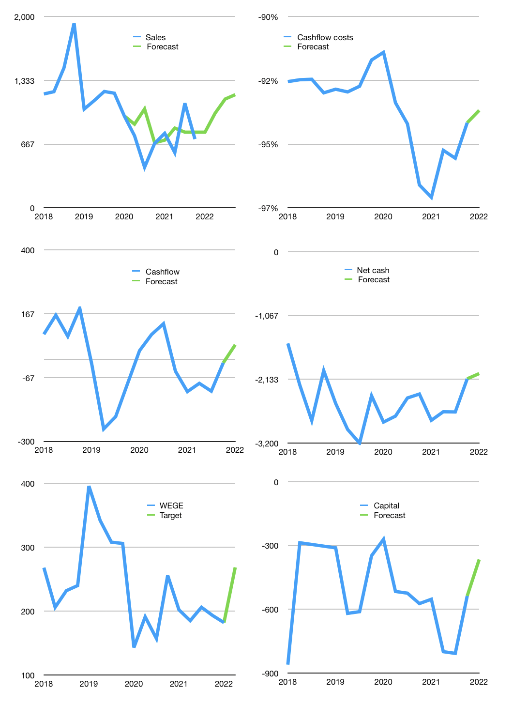
Financial model
Rpbn |  |  |  | 4Q 2022
Cash flow | 11% |  |  | 14%
Growth | 10.0% | 25% | 15% | 4%
Sales | 791 | 989 | 1,137 | 1,182
Cost ratio | -93% | -93% | -93% | -93%
Cash costs | -739 | -924 | -1,062 | -1,105
Operating | 52 | 65 | 75 | 78
Investment | -24 | -24 | -24 | -24
Finance | -27 | -40 | -50 | -53
Liabilities | -180 | -171 | -162 | -154
Equity | -17 | -21 | -23 | -24
Before revolver | -169 | -151 | -135 | -125
Revolver | 169 | 151 | 135 | 125
Beginning | 1,468 | 1,468 | 1,468 | 1,468
Change | 0 | 0 | 0 | 0
Ending | 1,468 | 1,468 | 1,468 | 1,468
Profit
Non cash costs | -12 | -12 | -12 | -12
JV | 30 | 30 | 30 | 30
Net profit | 69 | 82 | 92 | 95
Balance sheet
Other assets | 4,717 | 4,771 | 4,825 | 4,879
Depreciation | 170 | 182 | 194 | 206
Net other assets | 4,548 | 4,589 | 4,631 | 4,673
Liabilities | 3,412 | 3,242 | 3,080 | 2,926
Revolver | 169 | 320 | 455 | 580
Equity | 2,434 | 2,496 | 2,565 | 2,636
Check | 0 | 0 | 0 | 0
Net cash | -2,114 | -2,094 | -2,067 | -2,037
Valuation
Capital | -510 | -469 | -419 | -366
Current value |  |  |  | 1,742,103,953,408
Current value |  |  |  | 1,742
P/assets |  |  |  | 0.37
Yield |  |  |  | 5%
Cashflow |  |  |  | 171
Payback |  |  |  | 26
Valuation |  |  |  | 10
Forecast |  |  |  | 15
Value |  |  |  | 2,570
Shares |  |  |  | 10
Target |  |  |  | 268
Current |  |  |  | 182
V target |  |  |  | 48%
12 month growth |  |  |  | 7%
Sales v forecast |  |  |  | 12%

Share price
WEGE share price, quarterly
 | WEGE | Target | Previous
2018 | 268
 | 206
 | 232
 | 240
2019 | 396
 | Region 2 | Region 1
April | 55 | 17
May | 43 | 26
June | 70 | 53
July | 58 | 96
 | 342
 | 308
 | 306
2020 | 143
 | 191
 | 157
 | 256
2021 | 202
 | 185
 | 206
 | 193
2022 | 182 | 182 | 277.7027307
 |  | 268.49844246

