Model
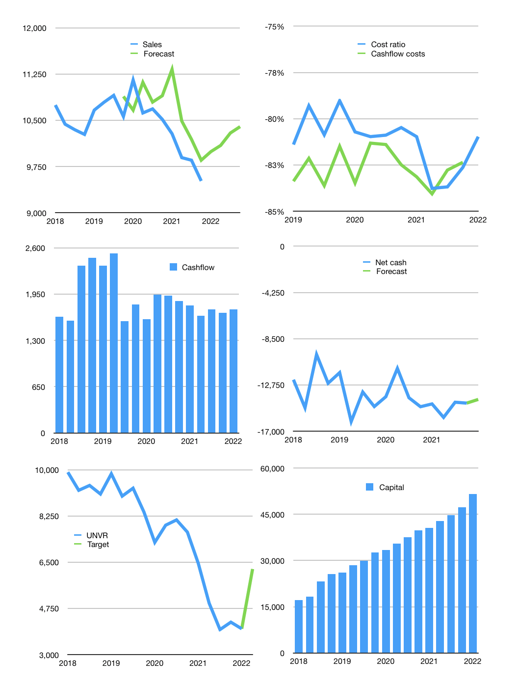
Financial model
Rpbn |  |  |  | 4Q 2022
Cashflow | -2% |  |  | 2%
Growth | 5% | 1% | 2% | 1%
Sales | 9,992 | 10,092 | 10,294 | 10,397
Cost ratio | -81% | -81% | -81% | -81%
Cash costs | -8,091 | -8,172 | -8,335 | -8,419
Operating | 1,901 | 1,920 | 1,959 | 1,978
Investment | -189 | -189 | -189 | -189
Leases | -51 | -51 | -51 | -51
Finance | -1,713 | -1,732 | -1,770 | -1,790
Liabilities | -737 | -700 | -665 | -632
Equity | -1,628 | -1,647 | -1,685 | -1,705
Before revolver | -652 | -616 | -581 | -547
Revolver | 652 | 616 | 581 | 547
Beginning | 325 | 325 | 325 | 325
Change | 0 | 0 | 0 | 0
End | 325 | 325 | 325 | 325
Profit
Non cash | -273 | -273 | -273 | -273
Profit | 1,628 | 1,647 | 1,685 | 1,705
Balance sheet
Other assets | 25,510 | 25,698 | 25,887 | 26,075
Depreciation | 6,850 | 7,124 | 7,397 | 7,671
Net other assets | 18,659 | 18,574 | 18,489 | 18,404
Liabilities | 14,010 | 13,309 | 12,644 | 12,012
Revolver | 652 | 1,268 | 1,849 | 2,396
Equity | 4,322 | 4,322 | 4,322 | 4,322
Check | 0 | 0 | 0 | 0
Net cash | -14,337 | -14,252 | -14,167 | -14,082
Valuation
Capital | 48,269 | 49,300 | 50,405 | 51,563
Current value |  |  |  | 151,800
P/assets |  |  |  | 8.1
Yield |  |  |  | 4%
Cashflow |  |  |  | 6,802
Payback |  |  |  | 3
Valuation |  |  |  | 22
Forecast |  |  |  | 35
Value |  |  |  | 238,076
Shares |  |  |  | 38
Target |  |  |  | 6,242
Current |  |  |  | 3,980
V target |  |  |  | 57%
12 month growth |  |  |  | -9%
Sales forecasts |  |  |  | 3%

Capital
Capital
 | Liabilities | Equity | Total | Liabilities | Equity | Total | Pages
2002 |  | -662 | -662 | 0 | -662 | -662
2003 |  | -1,230 | -1,230 | 0 | -1,892 | -1,892 | 88
2004 |  | -1,515 | -1,515 | 0 | -3,407 | -3,407 | 98
2005 |  | -1,530 | -1,530 | 0 | -4,936 | -4,936 | 85
2006 |  | -1,523 | -1,523 | 0 | -6,459 | -6,459 | 85
2007 |  | -1,638 | -1,638 | 0 | -8,097 | -8,097 | 72
2008 |  | -1,996 | -1,996 | 0 | -10,093 | -10,093 | 156
2009 |  | -2,436 | -2,436 | 0 | -12,529 | -12,529 | 178
2010 |  | -2,847 | -2,847 | 0 | -15,376 | -15,376 | 219
2011 | 509 | -4,520 | -4,011 | 509 | -19,896 | -19,387 | 236
2012 | 341 | -4,538 | -4,197 | 850 | -24,434 | -23,584 | 224
2013 | -63 | -5,059 | -5,122 | 787 | -29,492 | -28,706 | 265
2014 | 270 | -5,127 | -4,857 | 1,057 | -34,619 | -33,562 | 377
2015 | 450 | -5,592 | -5,142 | 1,507 | -40,211 | -38,704 | 375
2016 | 693 | -5,843 | -5,150 | 2,200 | -46,055 | -43,855 | 348
2017 | 1,057 | -6,494 | -5,437 | 3,257 | -52,549 | -49,292 | 380
2018 | -2,990 | -6,926 | -9,916 | 267 | -59,475 | -59,208 | 394
2019 | 2,460 | -9,176 | -6,716 | 2,727 | -68,651 | -65,924 | 406
2020 | 95 | -7,371 | -7,276 | 2,822 | -76,022 | -73,200 | 382
2021 | -1,115 | -3,827 | -4,942 | 1,707 | -79,850 | -78,143

UNVR MOSTLY EQUITY, TOTAL ABOUT HALF MARKET CAP

