Model
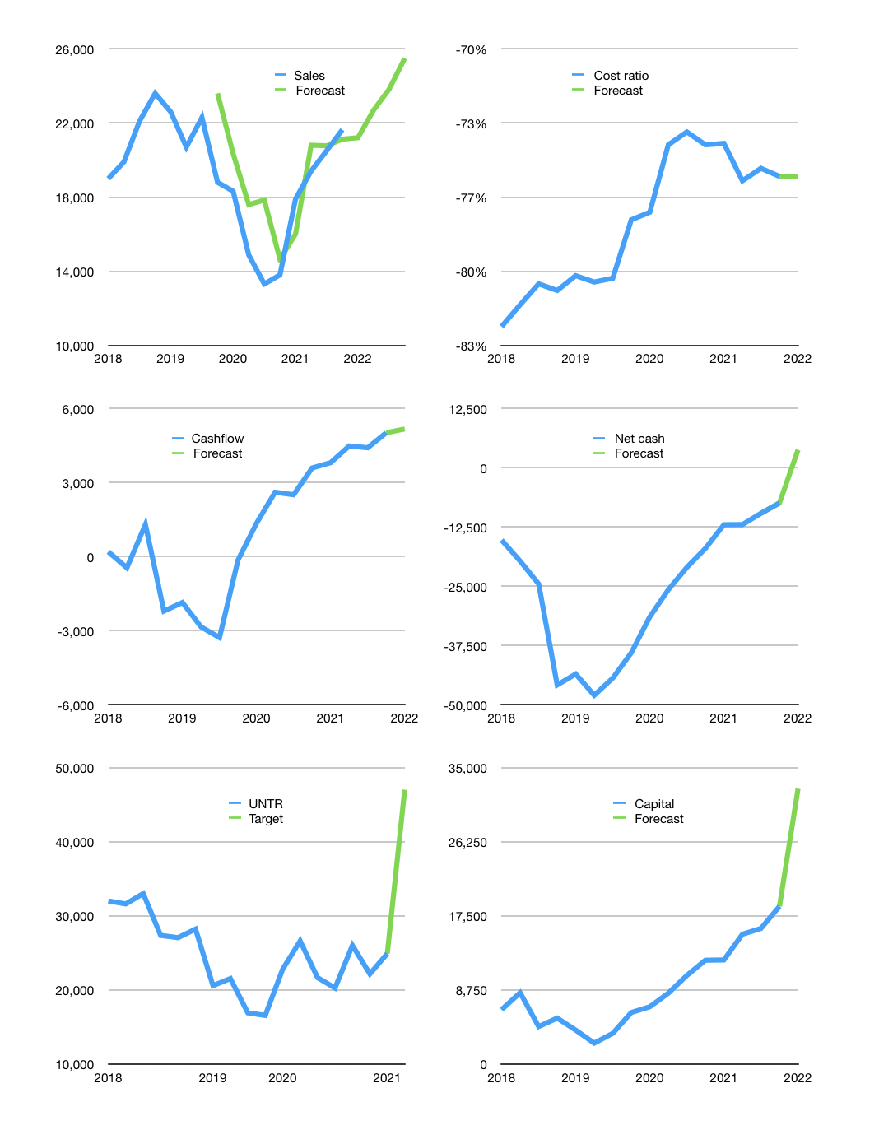
Financial model
Rpbn |  |  |  | 4Q 2022
Cashflow | 12% |  |  | 4%
Growth | -2% | 7% | 5% | 7%
Sales | 21,205 | 22,690 | 23,824 | 25,492
Cost ratio | -76% | -76% | -76% | -76%
Cash costs | -16,029 | -17,151 | -18,009 | -19,269
Operating | 5,176 | 5,538 | 5,815 | 6,222
Investment | -1,050 | -1,050 | -1,050 | -1,050
Leases | -254 | -254 | -254 | -254
Finance | -3,619 | -3,698 | -3,740 | -3,851
Liabilities | -2,037 | -1,935 | -1,838 | -1,746
Equity | -1,582 | -1,763 | -1,901 | -2,105
Before revolver | 507 | 790 | 1,026 | 1,321
Revolver | 0 | 0 | 0 | 0
Beginning | 33,322 | 33,829 | 34,620 | 35,646
Change | 507 | 790 | 1,026 | 1,321
Ending | 33,829 | 34,620 | 35,646 | 36,967
Profit
Non cash costs | -2,013 | -2,013 | -2,013 | -2,013
Net profit | 3,163 | 3,526 | 3,803 | 4,210
Balance sheet
Other assets | 145,655 | 146,705 | 147,755 | 148,805
Depreciation | 67,379 | 69,391 | 71,404 | 73,416
Net other assets | 78,276 | 77,314 | 76,351 | 75,389
Liabilities | 38,701 | 36,766 | 34,928 | 33,181
Revolver | 0 | 0 | 0 | 0
Equity | 73,405 | 75,168 | 77,069 | 79,174
Check | 0 | 0 | 0 | 0
Net cash | -4,872 | -2,146 | 718 | 3,785
Valuation
Capital | 21,975 | 25,419 | 28,904 | 32,501
Current value |  |  |  | 92,880
P/assets |  |  |  | 0.83
Yield |  |  |  | 8%
Cashflow |  |  |  | 17,535
Payback |  |  |  | 5
Valuation |  |  |  | 5
Forecast |  |  |  | 10
Value |  |  |  | 175,355
Shares |  |  |  | 4
Target |  |  |  | 47,010
Current |  |  |  | 24,900
V target |  |  |  | 89%
12 month growth |  |  |  | 57%
Sales forecasts |  |  |  | 9%

Balance sheet
Balance sheet
Rpbn | Cash | Assets | Other assets | Depreciation | Liabilities | Equity | Check | Net cash | Forecast
2015 | 13,843 | 65,022 | 51,179 | 24,048 | 24,042 | 40,980 | 0 | -10,199
 | 11,015 | 63,820 | 52,805 | 24,861 | 23,124 | 40,697 | 1 | -12,109
 | 15,929 | 70,902 | 54,973 | 25,782 | 28,380 | 42,522 | 0 | -12,451
 | 15,413 | 61,716 | 46,303 | 26,557 | 22,465 | 39,251 | 0 | -7,052
2016 | 16,640 | 61,884 | 45,244 | 27,094 | 22,046 | 39,839 | 1 | -5,406
 | 14,609 | 58,990 | 44,381 | 27,723 | 19,378 | 39,613 | 1 | -4,769
 | 17,334 | 60,899 | 43,565 | 28,371 | 20,703 | 40,196 | 0 | -3,369
 | 19,461 | 63,991 | 44,530 | 29,002 | 21,369 | 42,622 | 0 | -1,908
2017 | 19,967 | 74,292 | 54,325 | 29,786 | 30,039 | 44,254 | 1 | -10,072
 | 22,112 | 78,258 | 56,146 | 30,439 | 33,494 | 44,764 | 0 | -11,382
 | 20,266 | 79,698 | 59,432 | 31,202 | 33,585 | 46,113 | 0 | -13,319
 | 20,831 | 82,262 | 61,431 | 32,083 | 34,724 | 47,538 | 0 | -13,893
2018 | 18,422 | 84,438 | 66,016 | 32,996 | 33,666 | 50,772 | 0 | -15,244
 | 17,512 | 88,843 | 71,331 | 33,736 | 37,178 | 51,665 | 0 | -19,666
 | 28,615 | 107,579 | 78,964 | 34,816 | 53,100 | 54,479 | 0 | -24,485
 | 13,438 | 116,281 | 102,843 | 38,589 | 59,230 | 57,051 | 0 | -45,792
2019 | 13,682 | 116,925 | 103,243 | 39,830 | 57,164 | 59,761 | 0 | -43,482
 | 12,226 | 118,272 | 106,046 | 41,320 | 60,196 | 58,076 | 0 | -47,970
 | 15,978 | 119,338 | 103,360 | 43,284 | 60,326 | 59,012 | 0 | -44,348
 | 12,000 | 112,000 | 100,000 | 44,532 | 51,000 | 61,000 | 0 | -39,000
2020 | 17,082 | 114,855 | 97,773 | 47,700 | 48,500 | 66,400 | 45 | -31,418
 | 16,930 | 104,221 | 87,291 | 48,896 | 42,638 | 61,583 | 0 | -25,708
 | 19,000 | 104,000 | 85,000 | 50,748 | 40,000 | 64,000 | 0 | -21,000
 | 20,000 | 100,000 | 80,000 | 52,000 | 37,000 | 63,000 | 0 | -17,000
2021 | 26,000 | 105,000 | 79,000 | 53,000 | 38,000 | 67,000 | 0 | -12,000
 | 27,231 | 106,860 | 79,629 | 55,250 | 39,206 | 67,654 | 0 | -11,975
 | 31,628 | 110,693 | 79,065 | 57,503 | 41,228 | 69,465 | 0 | -9,600 | -9,600
 | 33,322 | 112,561 | 79,239 | 65,366 | 40,738 | 71,823 | 0 | -7,416 | -7,416
2022 |  |  |  |  |  |  |  |  | 3,785

Capital
Capital
 | Liabilities | Equity | Total | Liabilities | Equity | Total | Quarters
2003 | -84 | 10 | -75 | -84 | 10 | -75 | 4
2004 | -1,513 | 598 | -915 | -1,597 | 608 | -989 | 8
2005 | 722 | -105 | 618 | -875 | 504 | -371 | 12
2006 | 645 | -442 | 203 | -230 | 62 | -169 | 16
2007 | -818 | -420 | -1,238 | -1,048 | -358 | -1,406 | 20
2008 | 831 | 2,759 | 3,590 | -217 | 2,400 | 2,184 | 24
2009 | -670 | -1,175 | -1,846 | -887 | 1,225 | 338 | 28
2010 | 1,934 | -1,629 | 305 | 1,047 | -404 | 643 | 32
2011 | -1,199 | 4,326 | 3,127 | -152 | 3,922 | 3,770 | 36
2012 | 169 | -2,696 | -2,527 | 17 | 1,226 | 1,243 | 40
2013 | -1,939 | -2,174 | -4,113 | -1,922 | -948 | -2,870 | 44
2014 | -1,083 | -1,995 | -3,078 | -3,005 | -2,943 | -5,948 | 48
2015 | -935 | -2,988 | -3,923 | -3,940 | -5,931 | -9,871 | 52
2016 | -625 | -2,195 | -2,820 | -4,565 | -8,126 | -12,691 | 56
2017 | 3,526 | -2,543 | 983 | -1,039 | -10,669 | -11,708 | 60
2018 | 5,041 | -3,883 | 1,158 | 4,002 | -14,552 | -10,550 | 64
2019 | 3,997 | -4,899 | -902 | 7,999 | -19,451 | -11,452 | 68
2020 | -2,879 | -3,838 | -6,717 | 5,120 | -23,289 | -18,169 | 72
2021 | -1,904 | -1,834 | -3,738 | 3,216 | -25,123 | -21,907 | 76

UNTR, A BIT OF A MIXED RECORD

