Model
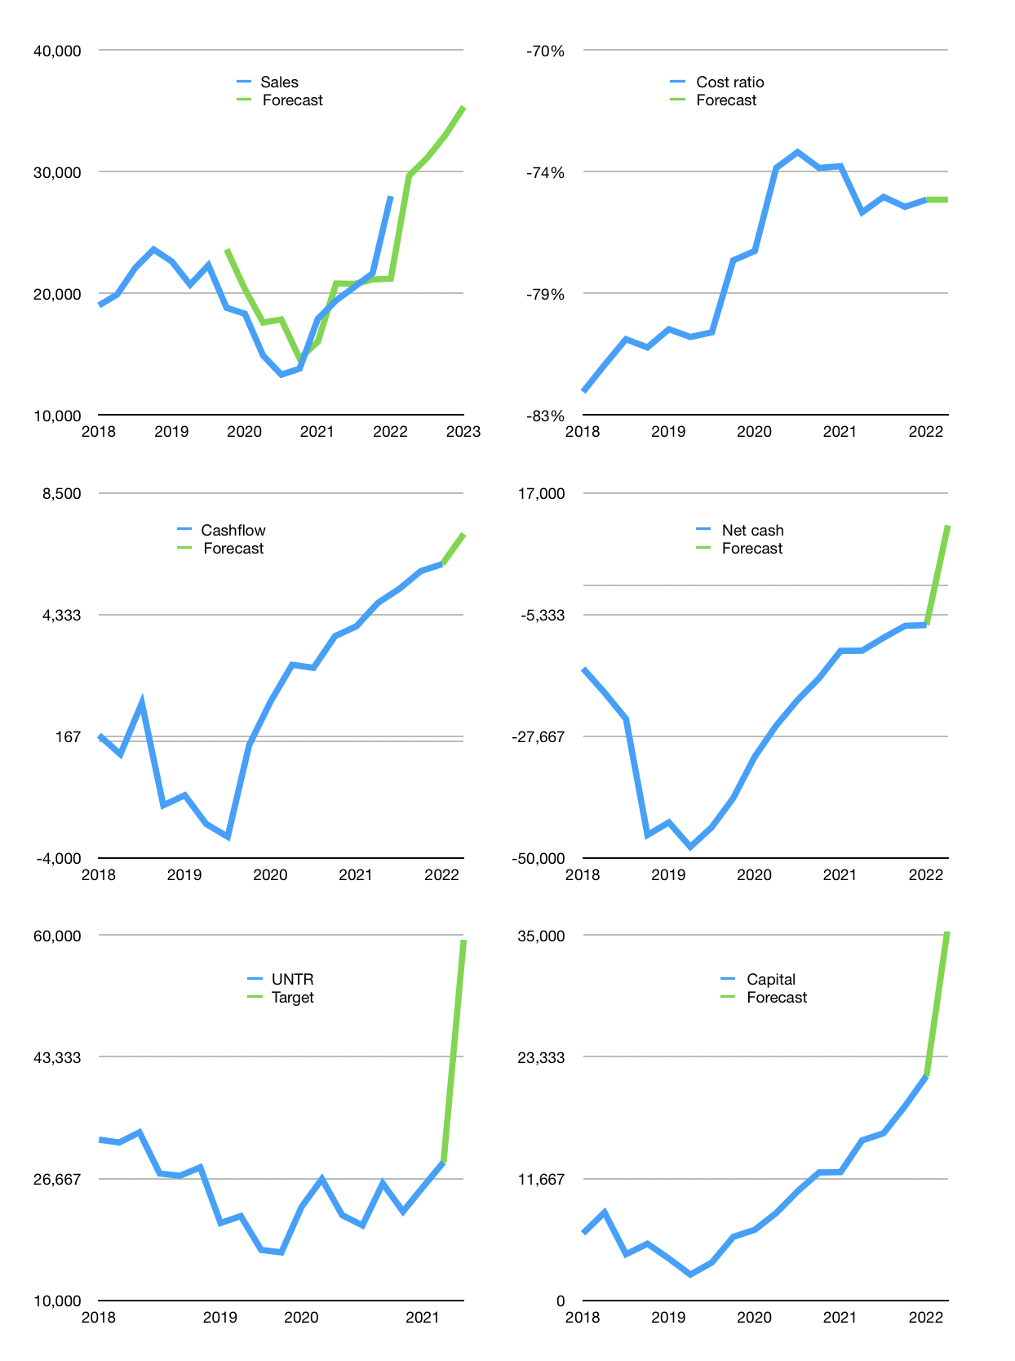
Financial model
Rpbn |  |  | 4Q 2022
Cashflow | 12% |  |  | 6%
Growth | 6% | 5% | 6% | 7%
Sales | 29,657 | 31,140 | 33,009 | 35,319
Cost ratio | -75% | -75% | -75% | -75%
Cash costs | -22,343 | -23,460 | -24,867 | -26,608
Operating | 7,315 | 7,681 | 8,141 | 8,711
Investment | -1,620 | -1,620 | -1,620 | -1,620
Leases | -191 | -191 | -191 | -191
Finance | -3,727 | -3,729 | -3,766 | -3,840
Liabilities | -2,149 | -2,041 | -1,939 | -1,842
Revolver | 0 | 0 | 0 | 0
Payout | 0.3
Equity | -1,578 | -1,688 | -1,826 | -1,997
Before revolver | 1,968 | 2,331 | 2,756 | 3,252
Beginning | 35,716 | 37,684 | 40,015 | 42,771
Change | 1,968 | 2,331 | 2,756 | 3,252
Ending | 37,684 | 40,015 | 42,771 | 46,023
Profit
Non cash costs | -2,053 | -2,053 | -2,053 | -2,053
Net profit | 5,261 | 5,627 | 6,088 | 6,658
Balance sheet
Other assets | 152,578 | 154,198 | 155,817 | 157,437
Depreciation | 68,632 | 70,686 | 72,739 | 74,793
Net other assets | 83,945 | 83,512 | 83,078 | 82,645
Liabilities | 40,825 | 38,784 | 36,845 | 35,003
Revolver | 0 | 0 | 0 | 0
Equity | 80,804 | 84,743 | 89,005 | 93,665
Check | 0 | 0 | 0 | 0
Net cash | -3,141 | 1,231 | 5,926 | 11,020
Valuation
Capital | 25,029 | 28,568 | 32,142 | 35,791
Current value |  |  |  | 107,801,043,225,600
Current value |  |  |  | 107,801
P/assets |  |  |  | 0.84
Yield |  |  |  | 7%
Cashflow |  |  |  | 24,604
Payback |  |  |  | 3
Valuation |  |  |  | 4
Forecast |  |  |  | 9
Value |  |  |  | 221,439
Shares |  |  |  | 4
Target |  |  |  | 59,365
Current |  |  |  | 28,900
V target |  |  |  | 105%
12 month growth |  |  |  | 56%
Sales forecasts |  |  |  | 4%

Capital
Capital
 | Liabilities | Equity | Total | Liabilities | Equity | Total
2003 | -84 | 10 | -75 | -84 | 10 | -75
2004 | -1,513 | 598 | -915 | -1,597 | 608 | -989
2005 | 722 | -105 | 618 | -875 | 504 | -371
2006 | 645 | -442 | 203 | -230 | 62 | -169
2007 | -818 | -420 | -1,238 | -1,048 | -358 | -1,406
2008 | 831 | 2,759 | 3,590 | -217 | 2,400 | 2,184
2009 | -670 | -1,175 | -1,846 | -887 | 1,225 | 338
2010 | 1,934 | -1,629 | 305 | 1,047 | -404 | 643
2011 | -1,199 | 4,326 | 3,127 | -152 | 3,922 | 3,770
2012 | 169 | -2,696 | -2,527 | 17 | 1,226 | 1,243
2013 | -1,939 | -2,174 | -4,113 | -1,922 | -948 | -2,870
2014 | -1,083 | -1,995 | -3,078 | -3,005 | -2,943 | -5,948
2015 | -935 | -2,988 | -3,923 | -3,940 | -5,931 | -9,871
2016 | -625 | -2,195 | -2,820 | -4,565 | -8,126 | -12,691
2017 | 3,526 | -2,543 | 983 | -1,039 | -10,669 | -11,708
2018 | 5,041 | -3,883 | 1,158 | 4,002 | -14,552 | -10,550
2019 | 3,997 | -4,899 | -902 | 7,999 | -19,451 | -11,452 | -1,291
2020 | -2,879 | -3,838 | -6,717 | 5,120 | -23,289 | -18,169 | -2,368
2021 | -3,087 | -3,273 | -6,360 | 2,033 | -26,562 | -24,529 | -9,210
2022 | -2,825 | -58 | -2,883 | -792 | -26,619 | -27,411

UNTR, A BIT OF A MIXED RECORD

