Model
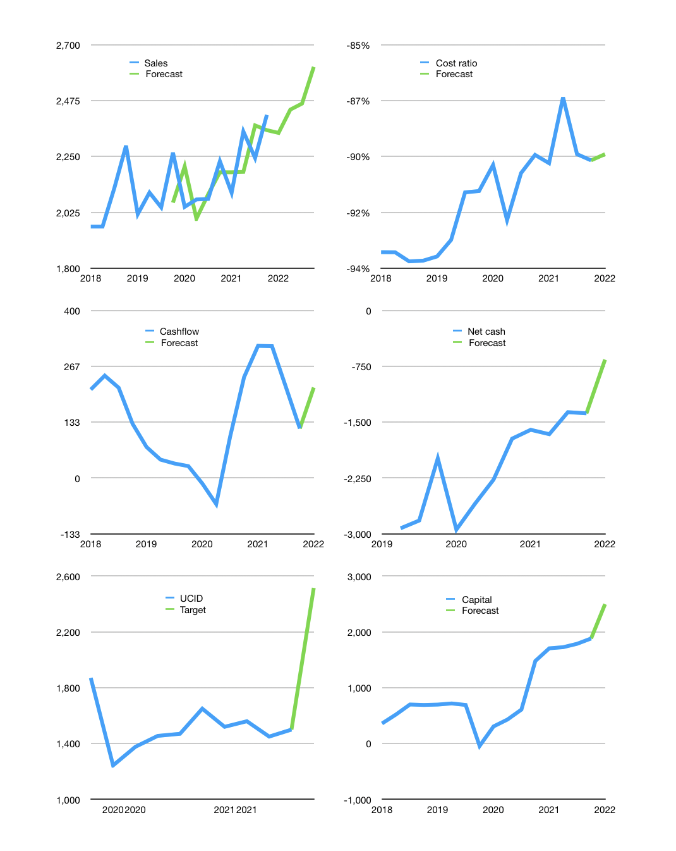
Financial model
Rpbn |  |  |  | 4Q 2022
Cash flow | 2% |  |  | 2%
Growth | -3% | 4% | 1% | 6%
Sales | 2,345 | 2,439 | 2,463 | 2,611
Cost ratio | -89% | -89% | -89% | -89%
Cash costs | -2,097 | -2,181 | -2,202 | -2,335
Operating | 248 | 258 | 261 | 277
Investment | -38 | -38 | -38 | -38
Leases | -23 | -23 | -23 | -23
Finance | -183 | -179 | -173 | -171
Liabilities | -144 | -137 | -130 | -124
Equity | -39 | -42 | -43 | -47
Before revolver | 5 | 19 | 28 | 45
Revolver | 0 | 0 | 0 | 0
Beginning | 1,499 | 1,526 | 1,568 | 1,618
Change | 27 | 42 | 50 | 68
Ending | 1,526 | 1,568 | 1,618 | 1,686
Profit
Non cash costs | -119 | -119 | -119 | -119
Net profit | 130 | 140 | 142 | 158
Balance sheet
Other assets | 10,057 | 10,095 | 10,133 | 10,171
Depreciation | 3,850 | 3,969 | 4,087 | 4,206
Net other assets | 6,207 | 6,127 | 6,046 | 5,965
Liabilities | 2,737 | 2,600 | 2,470 | 2,347
Revolver | 0 | 0 | 0 | 0
Equity | 4,997 | 5,094 | 5,194 | 5,304
Check | 0 | 0 | 0 | 0
Net cash | -1211 | -1032 | -852 | -661
Valuation
Capital | 2,042 | 2,199 | 2,349 | 2,497
Current value |  |  |  | 6,215
P/assets |  |  |  | 0.81
Yield |  |  |  | 3%
Cashflow |  |  |  | 802
Payback |  |  |  | 8
Valuation |  |  |  | 8
Forecast |  |  |  | 13
Value |  |  |  | 10,421
Shares |  |  |  | 4
Target |  |  |  | 2,515
Current |  |  |  | 1,500
V target |  |  |  | 68%
12 month growth |  |  |  | 8%
Sales forecast |  |  |  | -1%

