Model
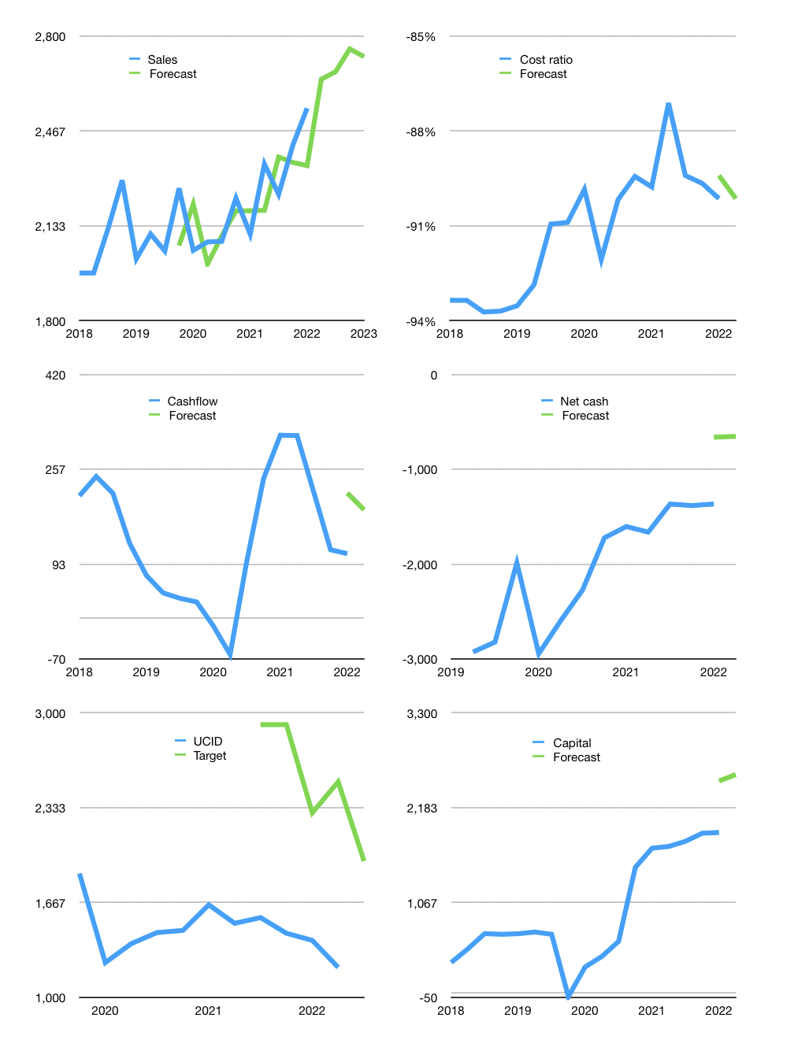
Financial model
Rpbn |  |  | 4Q 2022
Cash flow | 5% |  |  | 2%
Growth | 4% | 1% | 3% | -1%
Sales | 2,649 | 2,675 | 2,756 | 2,728
Cost ratio | -90% | -90% | -90% | -90%
Cash costs | -2,388 | -2,411 | -2,484 | -2,459
Operating | 261 | 264 | 272 | 269
Investment | -59 | -59 | -59 | -59
Leases | -23 | -23 | -23 | -23
Finance | -179 | -175 | -168 | -160
Liabilities | -153 | -145 | -138 | -131
Revolver | 2 | -2 | 0 | 0
Payout | 0.2
Equity | -28 | -29 | -30 | -30
Before revolver | -2 | 8 | 22 | 27
Beginning | 1,687 | 1,710 | 1,740 | 1,784
Change | 23 | 30 | 45 | 50
Ending | 1,710 | 1,740 | 1,784 | 1,834
Profit
Non cash costs | -121 | -121 | -121 | -121
Net profit | 140 | 143 | 151 | 148
Balance sheet
Other assets | 10,308 | 10,367 | 10,426 | 10,486
Depreciation | 3,973 | 4,094 | 4,215 | 4,336
Net other assets | 6,335 | 6,273 | 6,211 | 6,150
Liabilities | 2,899 | 2,754 | 2,617 | 2,486
Revolver | 2 | 0 | 0 | 0
Equity | 5,144 | 5,259 | 5,379 | 5,498
Check | 0 | 0 | 0 | 0
Net cash | -1191 | -1015 | -832 | -652
Valuation
Capital | 2,070 | 2,245 | 2,413 | 2,573
Current value |  |  |  | 5,013,405,196,800
Current value |  |  |  | 5,013
P/assets |  |  |  | 0.63
Yield |  |  |  | 2%
Cashflow |  |  |  | 738
Payback |  |  |  | 9
Valuation |  |  |  | 7
Forecast |  |  |  | 11
Value |  |  |  | 8,113
Shares |  |  |  | 4
Target |  |  |  | 1,958
Current |  |  |  | 1,210
V target |  |  |  | 62%
12 month growth |  |  |  | 21%
Sales forecast |  |  |  | -2%

