Model
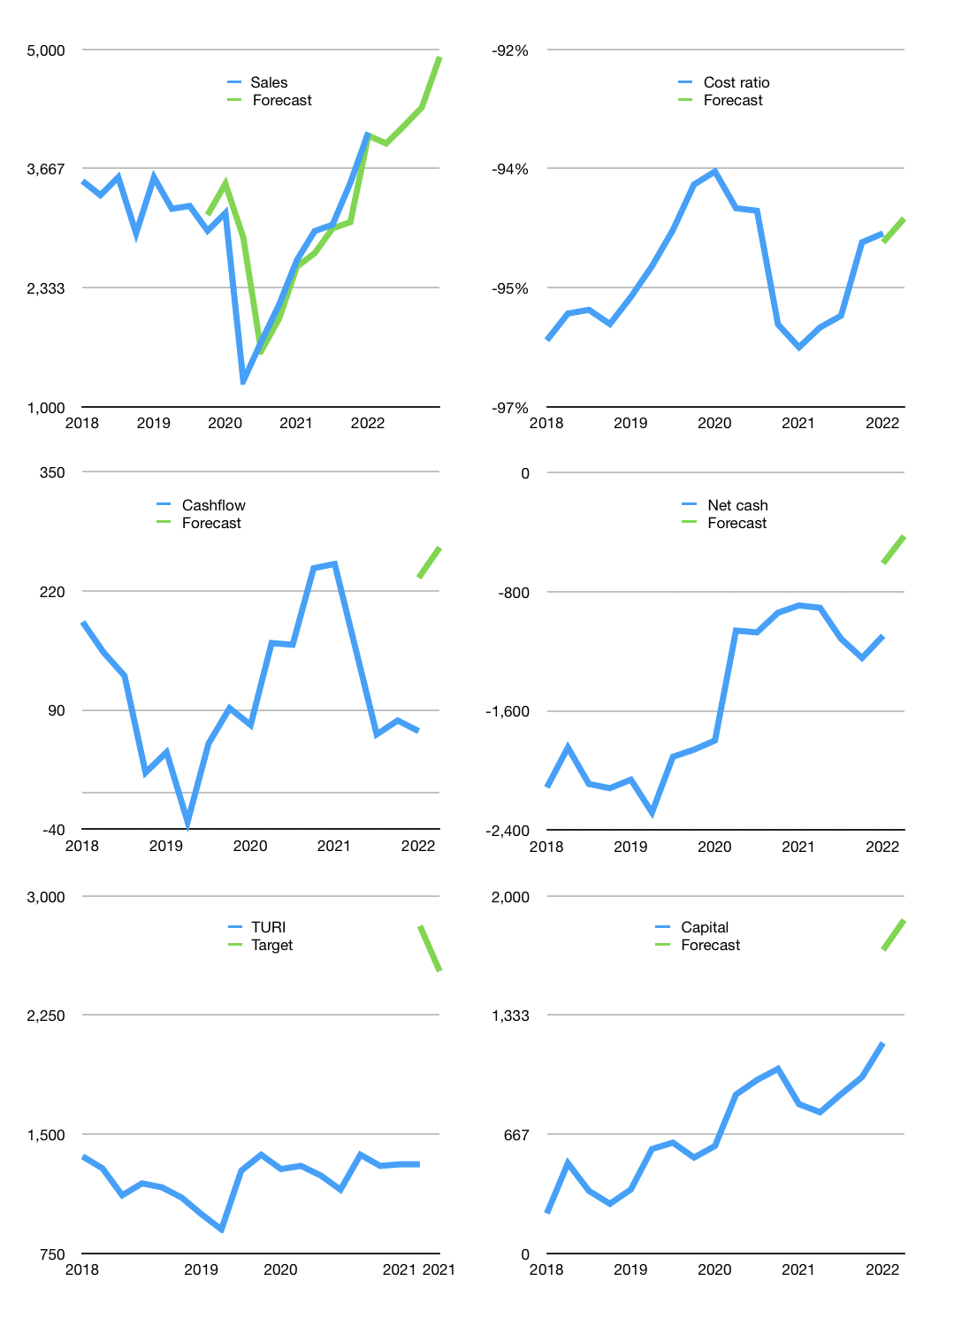
Financial model
Rpbn |  |  | 4Q 2022
Cashflow | 12% |  |  | 5%
Growth | -3% | 5% | 5% | 13%
Sales | 3,946 | 4,143 | 4,351 | 4,916
Cost ratio | -94% | -94% | -94% | -94%
Cash costs | -3,724 | -3,910 | -4,106 | -4,639
Operating | 222 | 233 | 245 | 277
Investment | -10 | -10 | -10 | -10
Finance | -174 | -171 | -169 | -174
Liabilities | -113 | -107 | -102 | -97
Revolver | 0 | 0 | 0 | 0
Payout | 0.3
Equity | -61 | -64 | -68 | -77
Before revolver | 39 | 53 | 66 | 94
Beginning | 1,158 | 1,197 | 1,250 | 1,316
Change | 39 | 53 | 66 | 94
Ending | 1,197 | 1,250 | 1,316 | 1,410
Profit
Non cash costs | -72 | -72 | -72 | -72
Other income | 53 | 53 | 53 | 53
Net profit | 203 | 214 | 226 | 257
Balance sheet
Other assets | 6,550 | 6,559 | 6,569 | 6,578
Depreciation | 996 | 1,015 | 1,035 | 1,054
Net other assets | 5,554 | 5,544 | 5,534 | 5,524
Liabilities | 2,141 | 2,034 | 1,933 | 1,836
Revolver | 0 | 0 | 0 | 0
Equity | 4,610 | 4,760 | 4,917 | 5,098
Check | 0 | 0 | 0 | 0
Net cash | -944 | -784 | -617 | -426
Valuation
Capital | 1,351 | 1,522 | 1,691 | 1,865
Current value |  |  |  | 7,309,800,335,360
Current value |  |  |  | 7,310
P/assets |  |  |  | 1.05
Yield |  |  |  | 4%
Cashflow |  |  |  | 939
Payback |  |  |  | 6
Valuation |  |  |  | 8
Forecast |  |  |  | 15
Value |  |  |  | 14,092
Shares |  |  |  | 6
Target |  |  |  | 2,525
Current |  |  |  | 1,310
V target |  |  |  | 93%
12 month growth |  |  |  | 54%
Sales forecasts |  |  |  | 4%

