Model
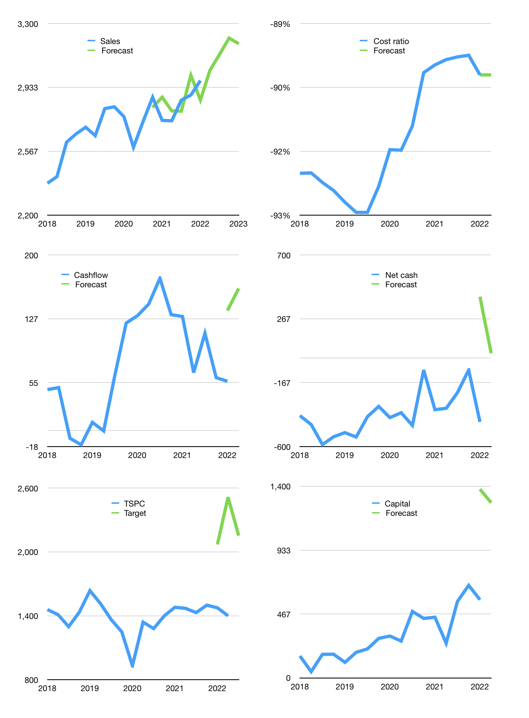
Financial model
Rp bn |  |  | 4Q 2022
Cashflow | 2% |  |  | 2%
Growth | 2% | 3% | 3% | -1%
Sales | 3,032 | 3,123 | 3,216 | 3,184
Cost ratio | -90% | -89% | -93% | -93%
Cash costs | -2,731 | -2,774 | -2,994 | -2,950
Operating | 301 | 349 | 223 | 234
Investment | -99 | -99 | -99 | -99
Leases | -15 | -15 | -15 | -15
Finance | -202 | -250 | -123 | -135
Liabilities | -161 | -153 | -146 | -138
Revolver | 28 | -14 | 67 | 52
Payout | 0.3
Equity | -68 | -82 | -45 | -48
Before revolver | -28 | 14 | -67 | -52
Beginning | 2,793 | 2,793 | 2,793 | 2,793
Change | 0 | 0 | 0 | 0
Ending | 2,793 | 2,793 | 2,793 | 2,793
Profit
Non cash costs | -74 | -74 | -74 | -74
Profit | 227 | 275 | 149 | 160
Balance sheet
Other assets | 9,450 | 9,550 | 9,649 | 9,748
Depreciation | 1,827 | 1,901 | 1,975 | 2,049
Net other assets | 7,623 | 7,649 | 7,674 | 7,700
Liabilities | 3,065 | 2,911 | 2,766 | 2,628
Revolver | 28 | 14 | 81 | 133
Equity | 7,324 | 7,516 | 7,621 | 7,733
Check | 0 | 0 | 0 | 0
Net cash | -299 | -132 | -54 | 33
Valuation
Capital | 773 | 1,023 | 1,146 | 1,280
Current value |  |  |  | 6,313,803,776,000
Current value |  |  |  | 6,314
P/assets |  |  |  | 0.60
Yield |  |  |  | 4%
Cashflow |  |  |  | 647
Payback |  |  |  | 12
Valuation |  |  |  | 10
Forecast |  |  |  | 15
Value |  |  |  | 9,712
Shares |  |  |  | 5
Target |  |  |  | 2,154
Current |  |  |  | 1,400
V target |  |  |  | 54%
12 month growth |  |  |  | 8%
Sales v forecast |  |  |  | 0%

