Model
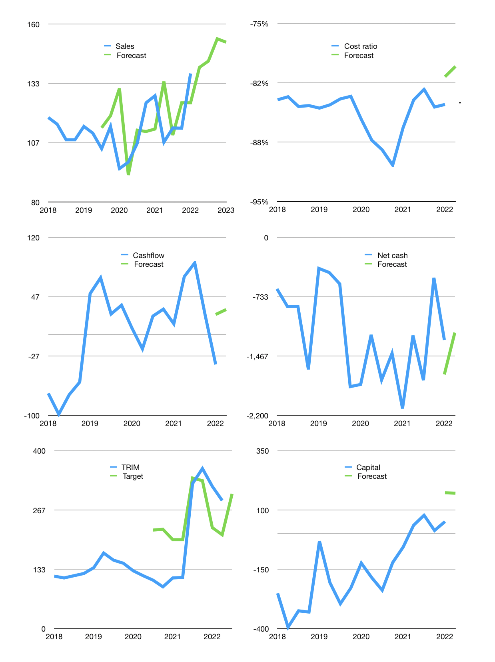
Financial model
Rpbn |  |  | 4Q 2022
Cashflow | 3% |  |  | 3%
Growth | 2% | 2% | 7% | -1%
Sales | 141 | 143 | 153 | 152
Cost ratio | -80% | -80% | -80% | -80%
Cash costs | -112 | -114 | -122 | -121
Operating | 28 | 29 | 31 | 31
Investment | 0 | 0 | 0 | 0
Finance | -29 | -29 | -31 | -31
Liabilities | -80 | -76 | -72 | -69
Revolver | 59 | 54 | 49 | 45
Payout | 0.3
Equity | -7 | -7 | -8 | -7
Before revolver | -59 | -54 | -49 | -45
Beginning | 338 | 338 | 338 | 338
Change | 0 | 0 | 0 | 0
Ending | 338 | 338 | 338 | 338
Profit
Non cash costs | -6 | -6 | -6 | -6
Net profit | 23 | 23 | 25 | 25
Balance sheet
Other assets | 2,290 | 2,290 | 2,289 | 2,289
Depreciation | 129 | 135 | 140 | 146
Net LT assets | 2,161 | 2,155 | 2,149 | 2,143
Liabilities | 1,526 | 1,449 | 1,377 | 1,308
Revolver | 59 | 113 | 161 | 207
Equity | 915 | 931 | 949 | 966
Check | 0 | 0 | 0 | 0
Net cash | -1,246 | -1,224 | -1,200 | -1,177
Valuation
Capital | 80 | 109 | 140 | 171
Current value |  |  |  | 2,047,478,464,512
Current value |  |  |  | 2,047
P/assets |  |  |  | 0.83
Yield |  |  |  | 1%
Cashflow |  |  |  | 120
Payback |  |  |  | 18
Valuation |  |  |  | 17
Forecast |  |  |  | 18
Value |  |  |  | 2,154
Shares |  |  |  | 7
Target |  |  |  | 303
Current |  |  |  | 288
V target |  |  |  | 5%
12 month growth |  |  |  | 8%
Sales forecasts |  |  |  | 4%

OJK
Table 1
 | OJK | Sales | TRIM OJK levy % of sales
2014 | 1901 | 260721 | 0.7%
2015 | 4361 | 323112 | 1.3%
2016 | 7001 | 394833 | 1.8%
2017 | 7748 | 402679 | 1.9%
2018 | 12045 | 448528 | 2.7%
2019 | 11211 | 443009 | 2.5%
2020 | 11552 | 424019 | 2.7%
2021 | 7616 | 234676 | 3.2%

