Model
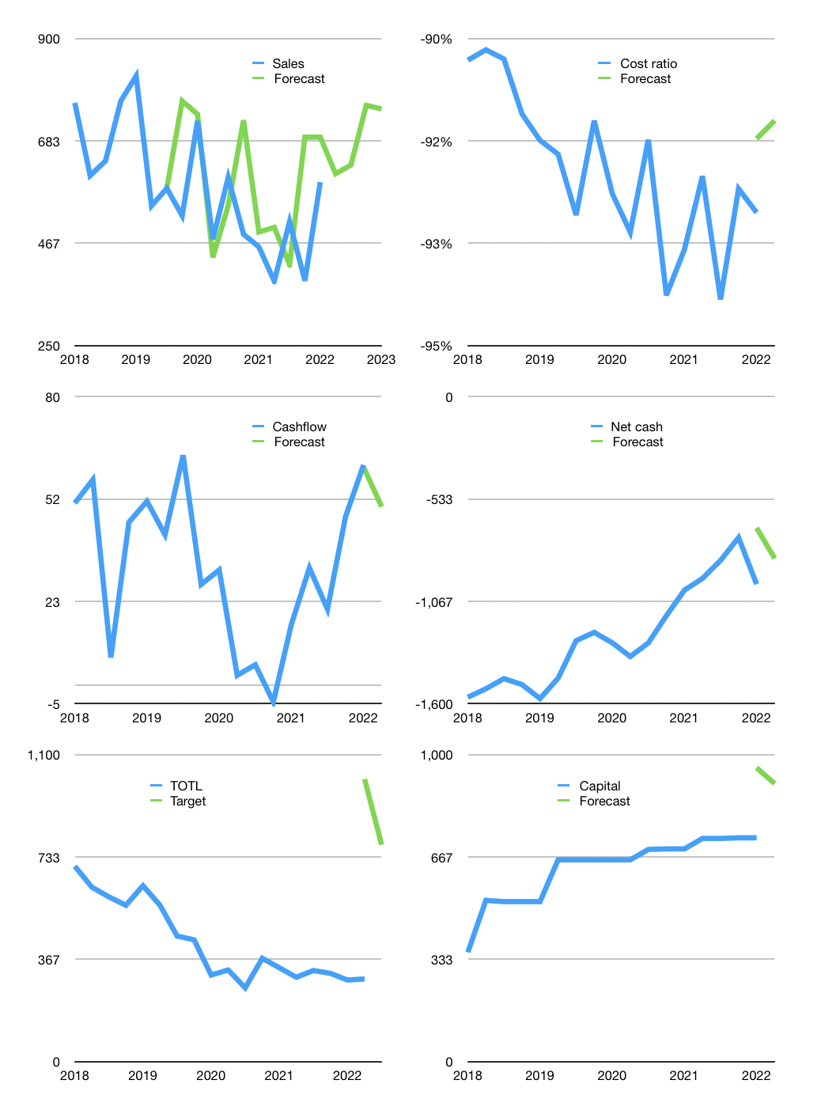
Financial model
Rpbn |  |  | 4Q 2022
Cash flow | 12% |  |  | 6%
Growth | 3% | 3% | 20% | -1%
Sales | 614 | 632 | 759 | 751
Cost ratio | -91% | -91% | -91% | -91%
Cash cost | -561 | -578 | -693 | -686
Operating | 53 | 55 | 66 | 65
Investment | -16 | -16 | -16 | -16
Finance | -38 | -39 | -50 | -50
Liabilities | -92 | -87 | -83 | -79
Revolver | 64 | 58 | 45 | 41
Payout | 0.2
Equity | -9 | -10 | -12 | -12
Before revolver | -64 | -58 | -45 | -41
Beginning | 862 | 862 | 862 | 862
Change | 0 | 0 | 0 | 0
Ending | 862 | 862 | 862 | 862
Profit
Non cash costs | -7 | -7 | -7 | -7
Net profit | 46 | 48 | 59 | 58
Balance sheet
Other assets | 1,906 | 1,922 | 1,937 | 1,953
Depreciation | 331 | 338 | 345 | 352
Net other assets | 1,575 | 1,584 | 1,592 | 1,601
Liabilities | 1,748 | 1,661 | 1,578 | 1,499
Revolver | 64 | 121 | 166 | 207
Equity | 626 | 664 | 711 | 758
Check | 0 | 0 | 0 | 0
Net cash | -949 | -920 | -881 | -843
Valuation
Capital | 766 | 806 | 856 | 905
Current value |  |  |  | 1,009,359,978,496
Current value |  |  |  | 1,009
P/assets |  |  |  | 0.41
Yield |  |  |  | 4%
Cashflow |  |  |  | 177
Payback |  |  |  | 9
Valuation |  |  |  | 6
Forecast |  |  |  | 15
Value |  |  |  | 2,649
Shares |  |  |  | 3
Target |  |  |  | 777
Current |  |  |  | 296
V target |  |  |  | 162%
12 month growth |  |  |  | 30%
Sales forecasts |  |  |  | 15%

