Model
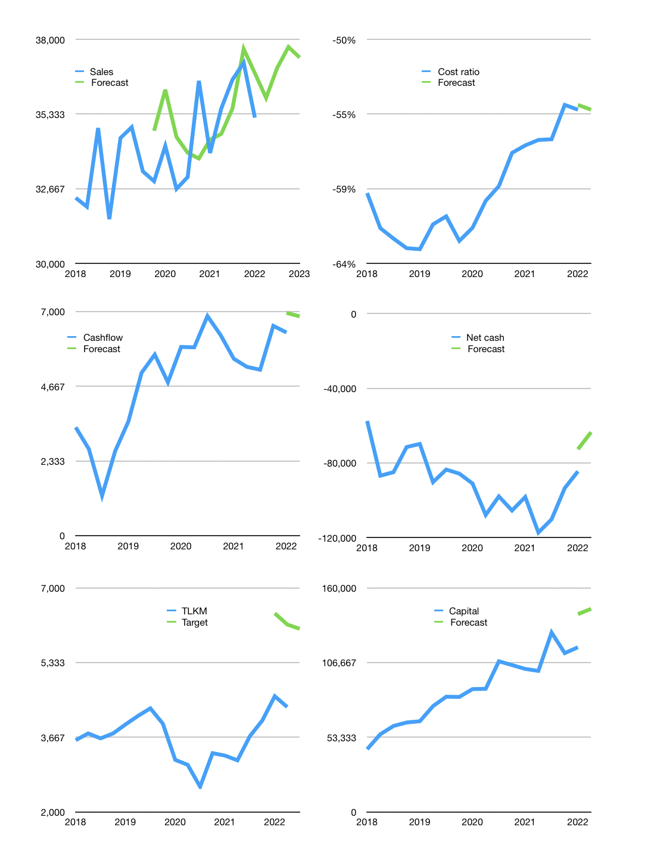
Financial model
Rpbn |  |  | 4Q 2021
Cashflow | 1% |  |  | 2%
Growth | 2% | 3% | 2% | -1%
Sales | 35,912 | 36,990 | 37,729 | 37,352
Cost ratio | -54% | -54% | -54% | -54%
Cash costs | -19,533 | -20,119 | -20,522 | -20,317
Operating | 16,379 | 16,870 | 17,208 | 17,035
Investment | -8,959 | -8,959 | -8,959 | -8,959
Leases | -1,063 | -1,063 | -1,063 | -1,063
Finance | -7,420 | -7,911 | -8,249 | -8,076
Liabilities | -6,306 | -5,991 | -5,691 | -5,407
Revolver | 1,407 | 748 | 212 | 48
Payout | 0.3
Equity | -2,521 | -2,668 | -2,769 | -2,718
Before revolver | -1,407 | -748 | -212 | -48
Beginning | 41,629 | 41,629 | 41,629 | 41,629
Change | 0 | 0 | 0 | 0
Ending | 41,629 | 41,629 | 41,629 | 41,629
Profit
Non cash costs | -7,976 | -7,976 | -7,976 | -7,976
Net profit | 8,403 | 8,894 | 9,232 | 9,059
Balance Sheet
Other assets | 450,709 | 459,668 | 468,627 | 477,586
Depreciation | 211,905 | 219,881 | 227,857 | 235,833
Net other assets | 238,804 | 239,787 | 240,770 | 241,753
Liabilities | 119,814 | 113,823 | 108,132 | 102,726
Revolver | 1,407 | 2,155 | 2,367 | 2,415
Equity | 159,212 | 165,438 | 171,900 | 178,242
Check | 0 | 0 | 0 | 0
Net cash | -79,592 | -74,349 | -68,870 | -63,511
Valuation
Capital | 123,912 | 130,759 | 137,945 | 144,958
Current value |  |  |  | 429,929,958,277,120
Current value |  |  |  | 429,930
P/assets |  |  |  | 1.52
Yield |  |  |  | 2%
Cashflow |  |  |  | 27,403
Payback |  |  |  | 9
Valuation |  |  |  | 16
Forecast |  |  |  | 22
Value |  |  |  | 602,863
Shares |  |  |  | 99
Target |  |  |  | 6,086
Current |  |  |  | 4,340
V target |  |  |  | 40%
12 month growth |  |  |  | 4%
Sales v forecast |  |  |  | 1%

Cashflow
Cashflow
Rpbn | Receipts | Operating | Investment | Leases | Liabilities | Equity | Finance | Free cashflow | Cashflow | Forecast | Capital | Forecast
2015 | 20,240 | 9,273 | -5,988 |  |  |  | -949 | 3,285 |  |  | 949 |  | 1
 | 24,869 | 9,367 | -4,146 |  |  |  | -1,300 | 5,221 |  |  | 2,249 |  | 2
 | 23,779 | 12,670 | -9,084 |  |  |  | -2,278 | 3,586 |  |  | 4,527 |  | 3
 | 29,114 | 12,359 | -8,203 |  |  |  | -1,880 | 4,156 |  |  | 6,407 |  | 4
2016 | 24,761 | 13,143 | -5,582 |  |  |  | 314 | 7,561 | 5,131 |  | 6,093 |  | 5
 | 27,974 | 11,546 | -8,503 |  |  |  | -17,360 | 3,043 | 4,587 |  | 23,453 |  | 6
 | 26,041 | 14,340 | -8,605 |  |  |  | 1,734 | 5,735 | 5,124 |  | 21,719 |  | 7
 | 34,452 | 8,202 | -4,867 |  |  |  | -2,593 | 3,335 | 4,919 |  | 24,312 |  | 8
2017 | 25,603 | 13,070 | -6,540 |  |  |  | -2,570 | 6,530 | 4,661 |  | 26,882 |  | 9
 | 29,756 | 9,190 | -8,043 |  |  |  | -15,784 | 1,147 | 4,187 |  | 42,666 |  | 10
 | 29,415 | 14,529 | -6,207 |  |  |  | -327 | 8,322 | 4,834 |  | 42,993 |  | 11
 | 40,337 | 13,116 | -12,217 |  |  |  | -2,371 | 899 | 4,225 |  | 45,364 |  | 12
2018 | 28,636 | 9,566 | -6,400 |  |  |  | 625 | 3,166 | 3,384 |  | 44,739 |  | 13
 | 27,208 | 6,225 | -7,800 |  |  |  | -10,685 | -1,575 | 2,703 |  | 55,424 |  | 14
 | 31,355 | 12,501 | -10,002 |  |  |  | -5,894 | 2,499 | 1,247 |  | 61,318 |  | 15
 | 40,656 | 17,379 | -10,888 |  |  |  | -2,504 | 6,491 | 2,645 |  | 63,822 |  | 16
2019 | 31,366 | 13,055 | -6,208 |  |  |  | -883 | 6,847 | 3,566 |  | 64,705 |  | 17
 | 33,737 | 14,647 | -10,132 |  |  |  | -10,790 | 4,515 | 5,088 |  | 75,495 |  | 18
 | 33,347 | 10,561 | -5,793 |  |  |  | -6,713 | 4,768 | 5,655 |  | 82,208 |  | 19
 | 36,922 | 16,686 | -13,658 |  |  |  | 139 | 3,028 | 4,790 |  | 82,069 |  | 20
2020 | 29,273 | 17,603 | -5,089 | -1,250 |  |  | -6,850 | 11,264 | 5,894 |  | 87,669 |  | 21
 | 31,786 | 16,568 | -10,848 | -1,250 |  |  | -1,454 | 4,470 | 5,883 |  | 87,873 |  | 22
 | 35,028 | 13,279 | -3,353 | -1,250 |  |  | -20,886 | 8,676 | 6,860 |  | 107,509 |  | 23
 | 37,523 | 17,867 | -15,966 | -1,250 |  |  | 1,437 | 651 | 6,265 |  | 104,822 |  | 24
2021 | 32,141 | 17,433 | -6,763 | -2,366 | 4,133 | -1,400 | 367 | 8,304 | 5,525 |  | 102,089 |  | 25
 | 36,706 | 15,652 | -12,293 | 97 | 11,165 | -9,742 | 1,520 | 3,456 | 5,272 |  | 100,666 |  | 26
 | 35,945 | 17,887 | -7,736 | -1,833 | -27,402 | 6 | -29,229 | 8,318 | 5,182 |  | 128,062 |  | 27
 | 39,110 | 17,381 | -10,911 | -334 | 14,976 | -286 | 14,356 | 6,136 | 6,554 |  | 113,372 |  | 28
2022 | 34,008 | 18,617 | -8,959 | -2,183 | -4,228 | 45 | -6,366 | 7,475 | 6,346 | 6,958 | 117,555 | 141,205 | 29
 |  |  |  |  |  |  |  |  |  | 6,851 |  | 144,958

 |  |  |  |  |  |  |  |  |  |  |  |  |  | Table 1
 |  |  |  |  |  |  |  |  |  |  |  |  |  |  | LINK | TOWR | CENT | ISAT | EXCL | TLKM
 |  |  |  |  |  |  |  |  |  |  |  |  |  | 2015 | (208) | (289) | (32) | (1,382) | (913) | (5,988) | (529) | (2,295)
 |  |  |  |  |  |  |  |  |  |  |  |  |  |  | (345) | (776) | (24) | (1,396) | (1,596) | (4,146) | (1,145) | (2,992)
 |  |  |  |  |  |  |  |  |  |  |  |  |  |  | (331) | (862) | (25) | (1,638) | (802) | (9,084) | (1,218) | (2,440)
 |  |  |  |  |  |  |  |  |  |  |  |  |  |  | (244) | (33) | (22) | (2,729) | (1,294) | (8,203) | (299) | (4,023) | (27,421) | -3,191 | -11,750
 |  |  |  |  |  |  |  |  |  |  |  |  |  | 2016 | (150) | (188) | (14) | (1,644) | (1,255) | (5,582) | (351) | (2,899) | (27,015) | -3,013 | -12,354
 |  |  |  |  |  |  |  |  |  |  |  |  |  |  | (164) | (4,223) | (31) | (2,062) | 981 | (8,503) | (4,419) | (1,081) | (31,372) | -6,287 | -10,443
 |  |  |  |  |  |  |  |  |  |  |  |  |  |  | (156) | 962 | (89) | (1,937) | (2,456) | (8,605) | 716 | (4,393) | (30,893) | -4,353 | -12,396
 |  |  |  |  |  |  |  |  |  |  |  |  |  |  | (274) | (276) | (41) | (1,648) | (1,119) | (4,867) | (592) | (2,767) | (27,557) | -4,645 | -11,140
 |  |  |  |  |  |  |  |  |  |  |  |  |  | 2017 | (229) | (222) | (72) | (1,828) | (1,239) | (6,540) | (523) | (3,067) | (28,515) | -4,817 | -11,308
 |  |  |  |  |  |  |  |  |  |  |  |  |  |  | (152) | (262) | (38) | (1,007) | (2,337) | (8,043) | (452) | (3,344) | (28,055) | -849 | -13,571
 |  |  |  |  |  |  |  |  |  |  |  |  |  |  | (257) | (397) | (12) | (1,406) | (1,640) | (6,207) | (666) | (3,046) | (25,657) | -2,232 | -12,224
 |  |  |  |  |  |  |  |  |  |  |  |  |  |  | (333) | (424) | (197) | (2,532) | (1,419) | (12,217) | (954) | (3,951) | (33,007) | -2,594 | -13,408
 |  |  |  |  |  |  |  |  |  |  |  |  |  | 2018 | (379) | (478) | (259) | (1,454) | (915) | (6,400) | (1,116) | (2,369) | (32,867) | -3,187 | -12,710
 |  |  |  |  |  |  |  |  |  |  |  |  |  |  | (113) | (1,992) | (276) | (985) | (1,058) | (7,800) | (2,381) | (2,043) | (32,624) | -5,116 | -11,409
 |  |  |  |  |  |  |  |  |  |  |  |  |  |  | (315) | (781) | (210) | (1,472) | (1,683) | (10,002) | (1,305) | (3,155) | (36,419) | -5,755 | -11,518
 |  |  |  |  |  |  |  |  |  |  |  |  |  |  | (309) | (1,041) | (271) | (1,541) | (2,547) | (10,888) | (1,622) | (4,088) | (35,090) | -6,423 | -11,655
 |  |  |  |  |  |  |  |  |  |  |  |  |  | 2019 | (365) | (1,005) | (105) | (2,220) | (2,464) | (6,208) | (1,475) | (4,684) | (34,898) | -6,783 | -13,970
 |  |  |  |  |  |  |  |  |  |  |  |  |  |  | (319) | (919) | (244) | (1,980) | (2,109) | (10,132) | (1,482) | (4,089) | (37,230) | -5,884 | -16,016
 |  |  |  |  |  |  |  |  |  |  |  |  |  |  | (406) | (515) | (139) | (2,625) | (1,850) | (5,793) | (1,060) | (4,475) | (33,021) | -5,638 | -17,336
 |  |  |  |  |  |  |  |  |  |  |  |  |  |  | (659) | (3,091) | (172) | (2,058) | (2,269) | (13,658) | (3,922) | (4,327) | (35,791) | -7,939 | -17,575
 |  |  |  |  |  |  |  |  |  |  |  |  |  | 2020 | (329) | (2,740) | (94) | (1,548) | (915) | (5,089) | (3,163) | (2,463) | (34,672) | -9,626 | -15,354
 |  |  |  |  |  |  |  |  |  |  |  |  |  |  | (397) | (1,207) | (1,815) | (872) | (1,478) | (10,848) | (3,419) | (2,350) | (35,388) | -11,564 | -13,615

Capital
Capital
 | Liabilities | Equity | Total | Liabilities | Equity | Total
2006 | 1,008 | -8,391 | -7,383 | 1,008 | -8,391 | -7,383
2007 | 8 | -10,965 | -10,957 | 1,016 | -19,356 | -18,340
2008 | 2,267 | -13,853 | -11,586 | 3,283 | -33,209 | -29,926
2009 | 2,447 | -9,196 | -6,749 | 5,730 | -42,405 | -36,675
2010 | -778 | -9,042 | -9,820 | 4,953 | -51,447 | -46,494
2011 | -6,437 | -9,102 | -15,539 | -1,484 | -60,549 | -62,033
2012 | -2,580 | -10,734 | -13,314 | -4,064 | -71,283 | -75,347
2013 | -2,651 | -10,676 | -13,327 | -6,715 | -81,959 | -88,674
2014 | 2,804 | -12,887 | -10,083 | -3,911 | -94,846 | -98,757
2015 | 2,303 | -8,710 | -6,407 | -1,608 | -103,556 | -105,164
2016 | -9,951 | -7,954 | -17,905 | -11,559 | -111,510 | -123,069
2017 | 2,931 | -23,983 | -21,052 | -8,628 | -135,493 | -144,121
2018 | 8,285 | -26,743 | -18,458 | -343 | -162,236 | -162,579
2019 | 7,670 | -25,917 | -18,247 | 7,327 | -188,153 | -180,826
2020 | 89 | -23,040 | -22,951 | 7,416 | -211,193 | -203,777
2021 | 2,872 | -11,422 | -8,550 | 10,288 | -222,615 | -212,327 | -13,270 | -17,852 | -15466
2022 | -4,228 | 45 | -4,183 | 6,060 | -222,570 | -216,510

TLKM IS THE LARGEST CAPITAL PAYER BY FAR

