Model
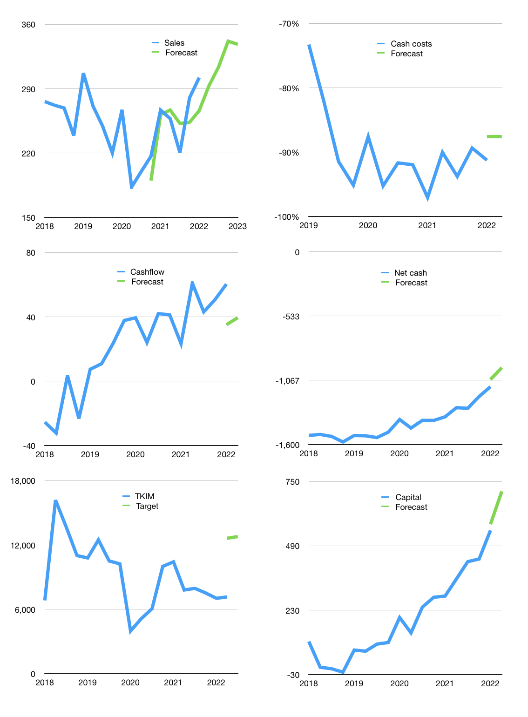
Financial model
$m |  |  | 4Q 2022
Cashflow | 4% |  |  | 3%
Growth | -3% | 7% | 9% | -1%
Sales | 292.94 | 313 | 342 | 338
Cost ratio | -88% | -88% | -88% | -88%
Cash costs | -257 | -275 | -299 | -296
Operating | 36 | 39 | 42 | 42
Investment | 0 | 0 | 0 | 0
Finance | -36 | -38 | -42 | -42
Liabilities | -63 | -60 | -57 | -54
Revolver | 27 | 21 | 15 | 13
Payout | 0.0
Equity | 0 | 0 | 0 | 0
Before revolver | -27 | -21 | -15 | -13
Beginning | 141 | 141 | 141 | 141
Change | 0 | 0 | 0 | 0
Ending | 141 | 141 | 141 | 141
Profit
Non cash costs | -19 | -19 | -19 | -19
Associate | 59 | 59 | 59 | 59
Profit | 76 | 78 | 82 | 81
Balance sheet
Other assets | 5,052 | 5,112 | 5,171 | 5,230
Depreciation | 2,063 | 2,082 | 2,101 | 2,121
Net other assets | 2,990 | 3,030 | 3,069 | 3,109
Liabilities | 1,198 | 1,138 | 1,081 | 1,027
Revolver | 27 | 49 | 63 | 76
Equity | 1,906 | 1,984 | 2,066 | 2,147
Check | 0 | 0 | 0 | 0
Net cash | -1,084 | -1,046 | -1,004 | -962
Valuation
Rupiah |  |  |  | 14
Capital | 588 | 627 | 669 | 710
Current value |  |  |  | 22,259,523,686,400
Current value |  |  |  | 1,590
P/assets |  |  |  | 0.5
Yield |  |  |  | 0.0%
Cashflow |  |  |  | 158
Payback |  |  |  | 19
Valuation |  |  |  | 10
Forecast |  |  |  | 18
Value |  |  |  | 2,843
Shares |  |  |  | 3
Target |  |  |  | 12,784
Current |  |  |  | 7,150
V target |  |  |  | 79%
12 month growth |  |  |  | 13%
Sales v forecast |  |  |  | -3%

