Model
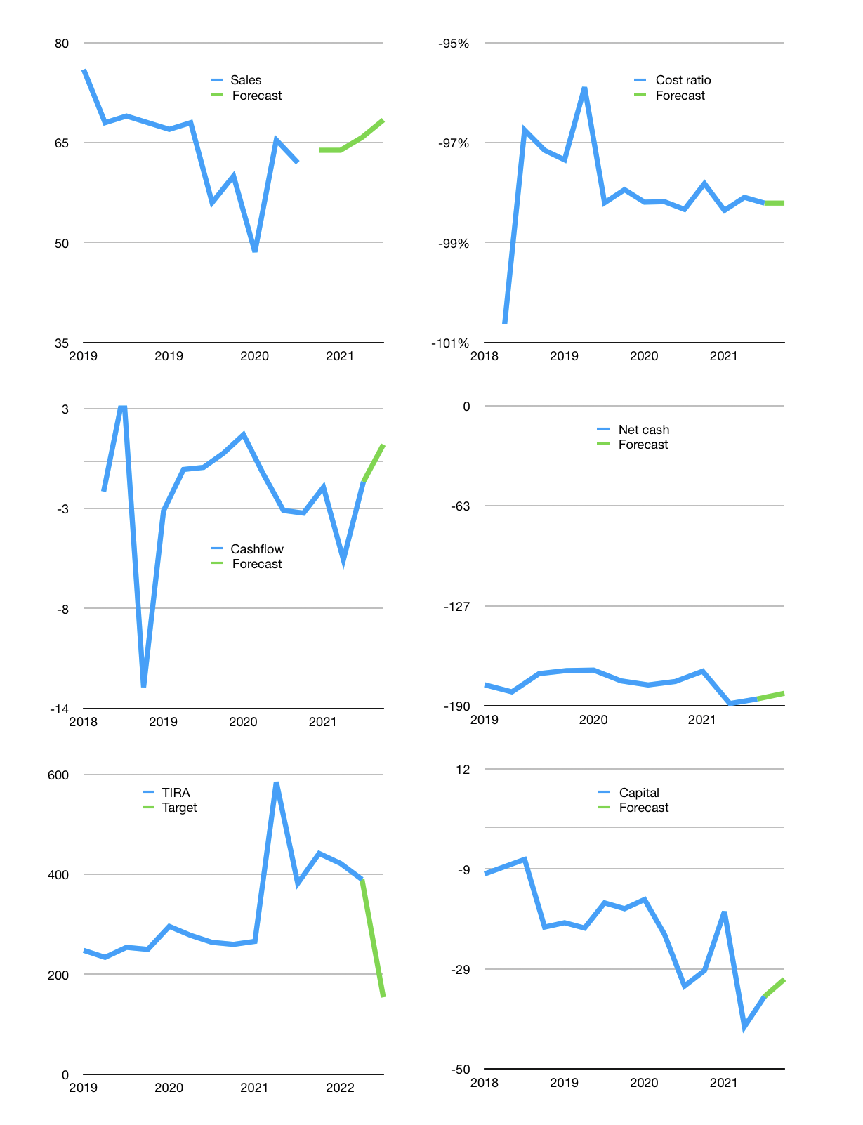
Financial model
Rpbn | 4Q 2021
Cash flow | 4% |  |  | 3%
Growth | 3% | 0% | 3% | 4%
Sales | 64 | 64 | 66 | 68
Cost ratio | -98% | -98% | -98% | -98%
Cash cost | -63 | -63 | -65 | -67
Operating | 1 | 1 | 1 | 1
Investment | 0 | 0 | 0 | 0
Finance | -1 | -1 | -1 | -1
Liabilities | -10 | -9 | -9 | -8
Revolver | 9 | 8 | 8 | 7
Payout | 0.0
Equity | 0 | 0 | 0 | 0
Before revolver | -9 | -8 | -8 | -7
Beginning | 11 | 11 | 11 | 11
Change | 0 | 0 | 0 | 0
Ending | 11 | 11 | 11 | 11
Profit
Non cash costs | -1 | -1 | -1 | -1
Net profit | 1 | 1 | 1 | 1
Balance sheet
Other assets | 357 | 357 | 358 | 358
Depreciation | 10 | 10 | 11 | 11
Net other assets | 348 | 347 | 347 | 347
Liabilities | 187 | 178 | 169 | 160
Revolver | 9 | 17 | 25 | 33
Equity | 163 | 163 | 164 | 165
Check | 0 | 0 | 0 | 0
Net cash | -185 | -184 | -183 | -182
Valuation
Capital | -34 | -33 | -32 | -31
Current value |  |  |  | 229,320,000,000
Current value |  |  |  | 229
P/assets |  |  |  | 0.64
Yield |  |  |  | 0%
Cashflow |  |  |  | 4
Payback |  |  |  | 96
Valuation |  |  |  | 63
Forecast |  |  |  | 25
Value |  |  |  | 91
Shares |  |  |  | 1
Target |  |  |  | 154
Current |  |  |  | 390
V target |  |  |  | -61%
12 month growth |  |  |  | 11%

Capital
Capital
Rpbn | Liabilities | Equity | Total | Liabilities | Equity | Total
2005 | -3 |  | -3 | -3 | 0 | -3
2006 | 63 |  | 63 | 60 | 0 | 60
2007 | -5 |  | -5 | 55 | 0 | 55
2008 | -21 |  | -21 | 34 | 0 | 34
2009 | -25 |  | -25 | 9 | 0 | 9
2010 | 14 |  | 14 | 23 | 0 | 23
2011 | -8 |  | -8 | 15 | 0 | 15
2012 | 6 | -2 | 4 | 21 | -2 | 19
2013 | -7 | -5 | -12 | 14 | -7 | 7
2014 | -9 | 0 | -9 | 5 | -7 | -2
2015 | -29 | -1 | -30 | -24 | -8 | -32
2016 | 40 | 0 | 40 | 16 | -8 | 8
2017 | 6 |  | 6 | 22 | -8 | 14
2018 | 7 |  | 7 | 29 | -8 | 21
2019 | -4 |  | -4 | 25 | -8 | 17 | -1.0714285714
2020 | 13 |  | 13 | 38 | -8 | 30 | 6.4
2021 | 10 |  | 10 | 48 | -8 | 40 | 10

 |  |  |  |  |  |  |  | Table 1

TIRA 40 billion rupiah raised
 |  |  |  |  |  |  |  |  | Market value | IDR229320000000
 |  |  |  |  |  |  |  |  | TIRA | capital history | 0% | of market value | paid every year since 2008
 |  |  |  |  |  |  |  |  | 2022-04-03
 |  |  |  |  |  |  |  |  | Start date | 2008
 |  |  |  |  |  |  |  |  | Number of quarters | 56
 |  |  |  |  |  |  |  |  | Market value Rpbn | 229
 |  |  |  |  |  |  |  |  | Liabilities | 48 | billion rupiah | raised
 |  |  |  |  |  |  |  |  | TIRA | has | paid | liabilities | by an average | -1 | billion rupiah | every year | 0% | of market value
 |  |  |  |  |  |  |  |  | In the last 5 years | liabilities | were | raised | by an average | 6 | billion rupiah | every year | 3% | of market value
 |  |  |  |  |  |  |  |  | The peak in cumulative liabilities | was | 48 | billion rupiah | in | 2008
 |  |  |  |  |  |  |  |  | As of the latest quarter | liabilities | cumulative | are | up | to | 48 | billion rupiah
 |  |  |  |  |  |  |  |  | Equity | -8 | billion rupiah | paid
 |  |  |  |  |  |  |  |  | TIRA | has | paid | equity | by an average | -2 | billion rupiah | every year | -1% | of market value
 |  |  |  |  |  |  |  |  | In the last 5 years | equity | was |  | by an average |  | billion rupiah | every year |  | of market value
 |  |  |  |  |  |  |  |  | The peak in cumulative equity | was | 0 | billion rupiah | in | 2008
 |  |  |  |  |  |  |  |  | As of the latest quarter | equity | cumulative | is | down | to | -8 | billion rupiah
 |  |  |  |  |  |  |  |  | Total capital | 40 | billion rupiah | raised
 |  |  |  |  |  |  |  |  | TIRA | has | paid | total capital | by an average | -1 | billion rupiah | every year | 0% | of market value
 |  |  |  |  |  |  |  |  | In the last 5 years | total capital | was | raised | by an average | 6 | billion rupiah | every year | 3% | of market value
 |  |  |  |  |  |  |  |  | The peak in cumulative total capital | was | 40 | billion rupiah | in | 2008
 |  |  |  |  |  |  |  |  | As of the latest quarter | total capital | cumulative | is | up | to | 40 | billion rupiah | 0% | of market value | paid every year since 2008

