Model
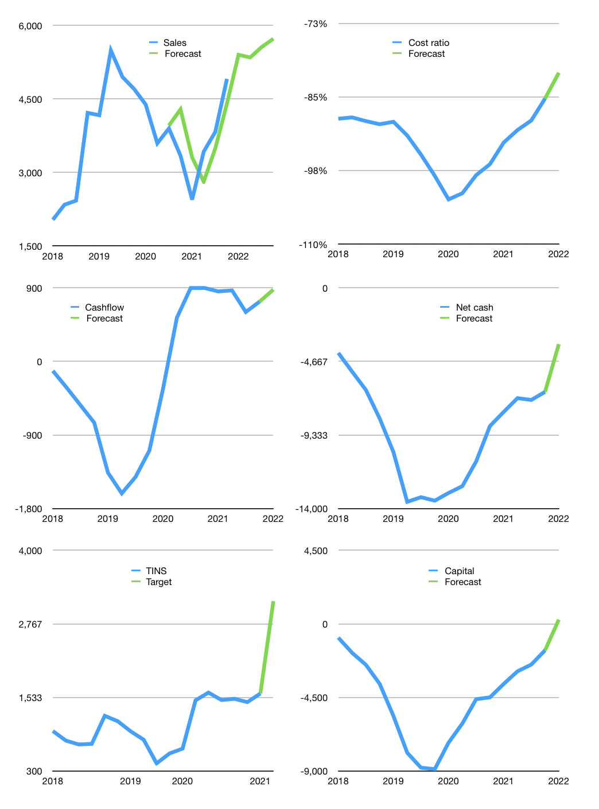
Financial model
Rpbn |  |  |  | 4Q 2022
Cashflow | 13% |  |  | 4%
Growth | 10% | -1% | 4% | 3%
Sales | 5,399 | 5,345 | 5,558 | 5,725
Ccost ratio | -81% | -81% | -81% | -81%
Cash costs | -4,389 | -4,345 | -4,518 | -4,654
Operating | 1,010 | 1,000 | 1,040 | 1,071
Investment | -193 | -193 | -193 | -193
Finance | -497 | -475 | -460 | -444
Liabilities | -419 | -398 | -378 | -359
Equity | -78 | -77 | -81 | -84
Before revolver | 319 | 331 | 387 | 434
Revolver | 0 | 0 | 0 | 0
Beginning | 1,782 | 2,101 | 2,433 | 2,820
Change | 319 | 331 | 387 | 434
Ending | 2,101 | 2,433 | 2,820 | 3,254
Profit
Non cash costs | -227 | -227 | -227 | -227
Net profit | 783 | 773 | 813 | 844
Balance sheet
Other assets | 20,403 | 20,596 | 20,789 | 20,982
Depreciation | 7,528 | 7,755 | 7,982 | 8,209
Net other assets | 12,875 | 12,841 | 12,807 | 12,773
Liabilities | 7,964 | 7,566 | 7,187 | 6,828
Revolver | 0 | 0 | 0 | 0
Equity | 7,013 | 7,708 | 8,439 | 9,199
Check | 0 | 0 | 0 | 0
Net cash | -5,862 | -5,133 | -4,368 | -3,574
Valuation
Capital | -1,119 | -643 | -184 | 260
Current value |  |  |  | 11,916,400,230,400
Current value |  |  |  | 11,916
P/assets |  |  |  | 0.74
Yield |  |  |  | 3%
Cashflow |  |  |  | 3,348
Payback |  |  |  | 4
Valuation |  |  |  | 4
Forecast |  |  |  | 7
Value |  |  |  | 23,437
Shares |  |  |  | 7
Target |  |  |  | 3,147
Current |  |  |  | 1,600
V target |  |  |  | 97%
12 month growth |  |  |  | 47%
Sales forecasts |  |  |  | 2%

Capital
Capital
 | Leases | Interest | Liabilities | Equity
2007
2008
2009 |  | -56 | -1 | -671 | -1 | -671 | -672 | -671.913
2010 |  | -15 | 44 | -157 | 43 | -827 | -113 | -784.603
2011 |  | -22 | 197 | -474 | 239 | -1,301 | -277 | -1061.895
2012 |  | -30 | -380 | -448 | -141 | -1,750 | -828 | -1890.331
2013 |  | -39 | 1,091 | 0 | 951 | -1,750 | 1,091 | -799.142
2014 |  | -112 | 931 | 0 | 1,882 | -1,750 | 931 | 132.178
2015 |  | -129 | -345 | 0 | 1,537 | -1,750 | -345 | -212.505
2016 |  | -118 | -349 | 0 | 1,188 | -1,750 | -349 | -561.77
2017 |  | -200 | 1,955 | 0 | 3,143 | -1,750 | 1,955 | 1393.423
2018 |  | -323 | 2,404 | 0 | 5,547 | -1,750 | 2,404 | 3797.445
2019 |  | -782 | 5,405 | -186 | 10,952 | -1,936 | 5,219 | 9016.093
2020 | -15 | -647 | -4,368 | 0 | 6,584 | -1,936 | -4,368 | 4648.104
2021 |  | -273 | -2,005 | 0 | 4,579 | -1,936 | -2,005 | 2,643

