Model
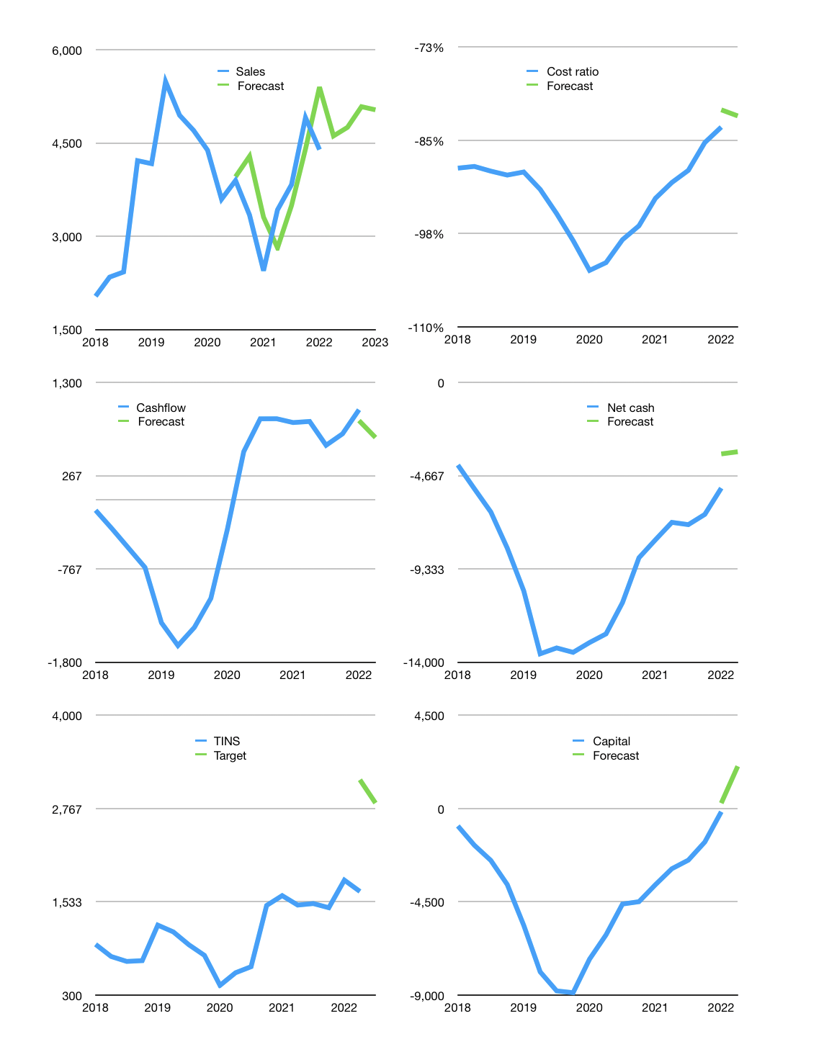
Financial model
Rpbn |  |  | 4Q 2022
Cashflow | 17% |  |  | 4%
Growth | 5% | 3% | 7% | -1%
Sales | 4,613 | 4,751 | 5,084 | 5,033
Ccost ratio | -82% | -82% | -82% | -82%
Cash costs | -3,787 | -3,900 | -4,173 | -4,132
Operating | 826 | 851 | 910 | 901
Investment | -211 | -211 | -211 | -211
Finance | -562 | -551 | -551 | -532
Liabilities | -370 | -351 | -334 | -317
Revolver | 0 | 0 | 0 | 0
Payout | 0.3
Equity | -192 | -200 | -218 | -215
Before revolver | 53 | 89 | 148 | 158
Beginning | 2,113 | 2,165 | 2,254 | 2,402
Change | 53 | 89 | 148 | 158
Ending | 2,165 | 2,254 | 2,402 | 2,560
Profit
Non cash costs | -185 | -185 | -185 | -185
Net profit | 641 | 666 | 725 | 716
Balance sheet
Other assets | 20,000 | 20,211 | 20,422 | 20,633
Depreciation | 7,670 | 7,855 | 8,040 | 8,225
Net other assets | 12,329 | 12,355 | 12,381 | 12,407
Liabilities | 7,028 | 6,677 | 6,343 | 6,026
Revolver | 0 | 0 | 0 | 0
Equity | 7,467 | 7,932 | 8,440 | 8,941
Check | 0 | 0 | 0 | 0
Net cash | -4,863 | -4,423 | -3,941 | -3,466
Valuation
Capital | 406 | 957 | 1,508 | 2,040
Current value |  |  |  | 12,437,742,944,256
Current value |  |  |  | 12,438
P/assets |  |  |  | 0.83
Yield |  |  |  | 7%
Cashflow |  |  |  | 2,644
Payback |  |  |  | 5
Valuation |  |  |  | 5
Forecast |  |  |  | 8
Value |  |  |  | 21,149
Shares |  |  |  | 7
Target |  |  |  | 2,840
Current |  |  |  | 1,670
V target |  |  |  | 70%
12 month growth |  |  |  | 80%
Sales forecasts |  |  |  | 5%

