Model
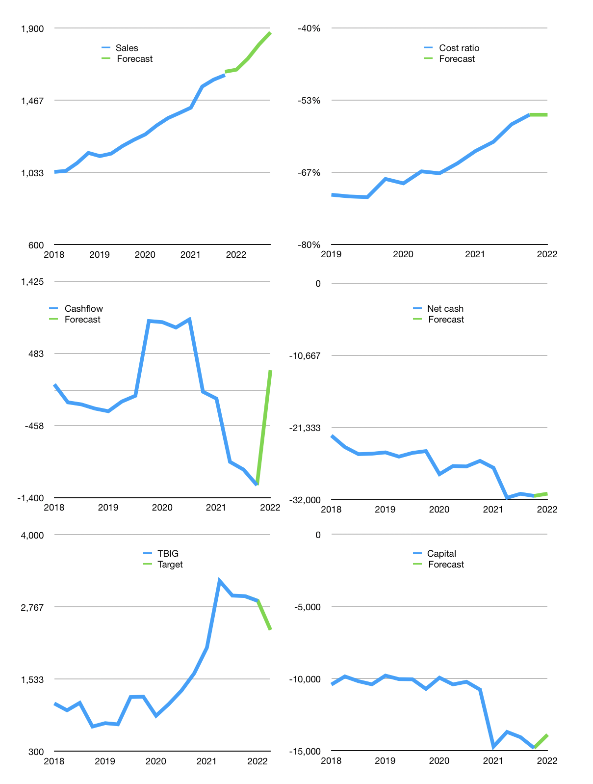
Financial model
Rpbn |  |  |  | 4Q 2022
Cashflow | 4% |  |  | 4%
Growth | 2% | 4% | 5% | 4%
Sales | 1,650 | 1,716 | 1,802 | 1,874
Cost ratio | -56% | -56% | -56% | -56%
Cash costs | -925 | -962 | -1,010 | -1,051
Non cash costs | -281 | -281 | -281 | -281
Net profit | 445 | 474 | 511 | 543
Operating | 725 | 754 | 792 | 824
Investment | -543 | -543 | -543 | -543
Leases | -17 | -17 | -17 | -17
Free cashflow | 165 | 194 | 232 | 264
Liabilities | -1,604 | -1,524 | -1,448 | -1,375
Equity | -133 | -142 | -153 | -163
Before revolver | -1,555 | -1,455 | -1,352 | -1,258
Revolver | 1,555 | 1,455 | 1,352 | 1,258
Finance | -182 | -211 | -249 | -281
Beginning | 629 | 629 | 629 | 629
Change | 0 | 0 | 0 | 0
Ending | 629 | 629 | 629 | 629
Balance Sheet
Other assets | 44,162 | 44,705 | 45,249 | 45,792
Depreciation | 2,659 | 2,939 | 3,220 | 3,501
Net other assets | 41,504 | 41,766 | 42,029 | 42,291
Liabilities | 30,477 | 28,953 | 27,505 | 26,130
Revolver | 1,555 | 3,010 | 4,362 | 5,620
Equity | 10,100 | 10,432 | 10,790 | 11,170
Check | 0 | 0 | 0 | 0
Net cash | -31,403 | -31,334 | -31,239 | -31,121
Valuation
Capital | -14,630 | -14,419 | -14,170 | -13,890
Current value |  |  |  | 62,081,259,663,360
Current value |  |  |  | 62,081
P/assetd |  |  |  | 1.4
Yield |  |  |  | 1%
Cashflow |  |  |  | 856
Payback |  |  |  | 48
Valuation |  |  |  | 73
Forecast |  |  |  | 60
Value |  |  |  | 51,332
Shares |  |  |  | 22
Target |  |  |  | 2,373
Current |  |  |  | 2,870
V target |  |  |  | -17%
12 month growth |  |  |  | 16%
Sales v forecast |  |  |  | 1%

Capital
Capital
Rpbn | Liabilities | Equity | Total | Liabilities | Equity | Total
2009 | 412 | 104 | 516 | 412 | 104 | 516 | 4
2010 | 503 | 1,284 | 1,787 | 915 | 1,388 | 2,303 | 8
2011 | 750 | -114 | 636 | 1,665 | 1,274 | 2,939 | 12
2012 | 5,065 |  | 5,065 | 6,730 | 1,274 | 8,004 | 16
2013 | 2,052 | -970 | 1,082 | 8,782 | 304 | 9,086 | 20
2014 | 2,736 | -1,441 | 1,295 | 11,518 | -1,137 | 10,381 | 24
2015 | 783 | -952 | -169 | 12,301 | -2,089 | 10,212 | 28
2016 | 854 | -1,510 | -656 | 13,155 | -3,599 | 9,556 | 32
2017 | 1,307 | -721 | 586 | 14,462 | -4,320 | 10,142 | 36
2018 | 2,042 | -1,284 | 758 | 16,504 | -5,604 | 10,900 | 40
2019 | 1,393 | -620 | 773 | 17,897 | -6,224 | 11,673 | 44
2020 | 1,106 | -617 | 489 | 19,003 | -6,841 | 12,162 | 48
2021 | 4,579 | -713 | 3,866 | 23,582 | -7,554 | 16,028 | 52

TBIG HAS RAISED 16 TRILLION RUPIAH

