Model
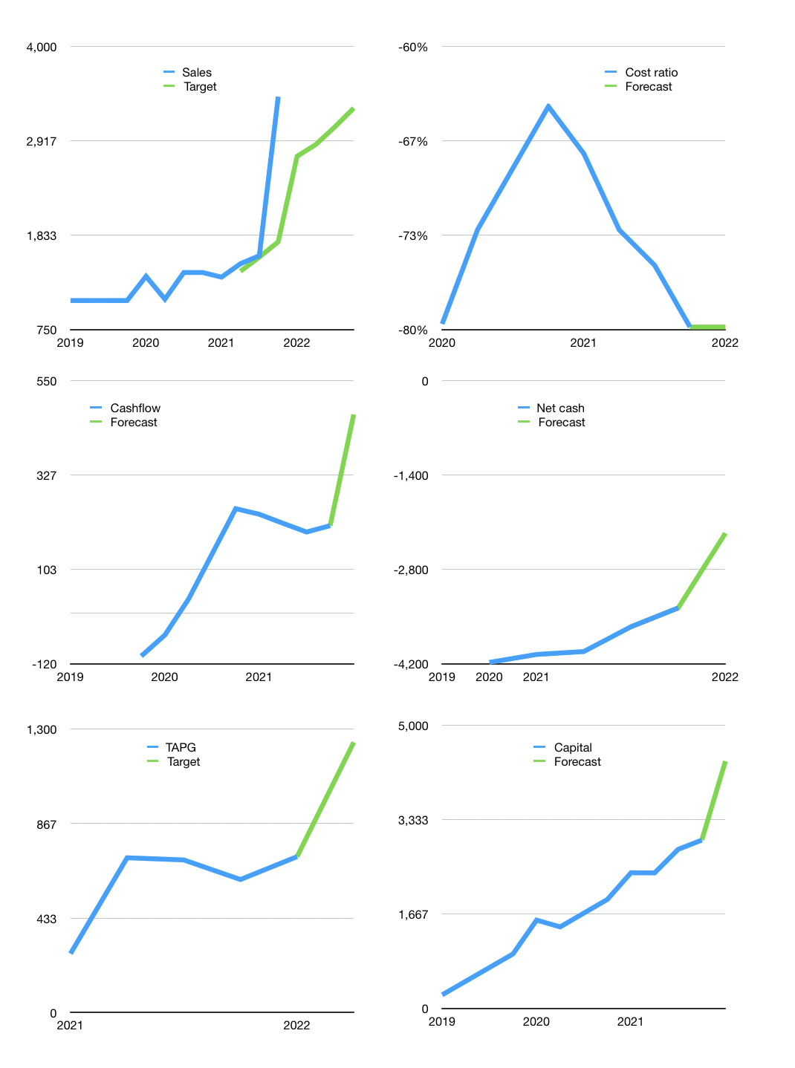
Financial model
Rpbn |  |  |  | 4Q 2022
Cashflow | 3% |  |  | 0%
Growth | -20% | 5% | 7% | 7%
Sales | 2,738 | 2,875 | 3,076 | 3,291
Cost ratio | -80% | -80% | -80% | -80%
Cash costs | -2,185 | -2,295 | -2,455 | -2,627
Operating | 552 | 580 | 621 | 664
Investment | -168 | -168 | -168 | -168
Leases | -26 | -26 | -26 | -26
Finance | -376 | -372 | -373 | -376
Liabilities | -233 | -221 | -210 | -199
Equity | -143 | -151 | -164 | -177
Before revolver | 8 | 39 | 79 | 120
Revolver | 0 | 0 | 0 | 0
Beginning | 1,280 | 1,288 | 1,328 | 1,407
Change | 8 | 39 | 79 | 120
Ending | 1,288 | 1,328 | 1,407 | 1,527
Profit
JV | 64 | 64 | 64 | 64
Non cash costs | -139 | -139 | -139 | -139
Profit | 477 | 505 | 545 | 589
Balance sheet
Other assets | 14,987 | 15,220 | 15,452 | 15,684
Depreciation | 3,728 | 3,867 | 4,007 | 4,146
Net other assets | 11,259 | 11,352 | 11,445 | 11,538
Liabilities | 4,418 | 4,197 | 3,987 | 3,787
Revolver | 0 | 0 | 0 | 0
Equity | 8,130 | 8,483 | 8,865 | 9,278
Check | 0 | 0 | 0 | 0
Net cash | -3,129 | -2,869 | -2,580 | -2,261
Valuation
Capital | 3,323 | 3,670 | 4,018 | 4,368
Current value |  |  |  | 14,194,538,209,280
Current value |  |  |  | 14,195
P/assets |  |  |  | 1.09
Yield |  |  |  | 4%
Cashflow |  |  |  | 1,641
Payback years |  |  |  | 7
Valuation |  |  |  | 9
Forecast |  |  |  | 15
Value |  |  |  | 24,619
Shares |  |  |  | 20
Target |  |  |  | 1,240
Current |  |  |  | 715
V target |  |  |  | 73%
12 month growth |  |  |  | 144%
Sales forecast |  |  |  | -27%

