Model
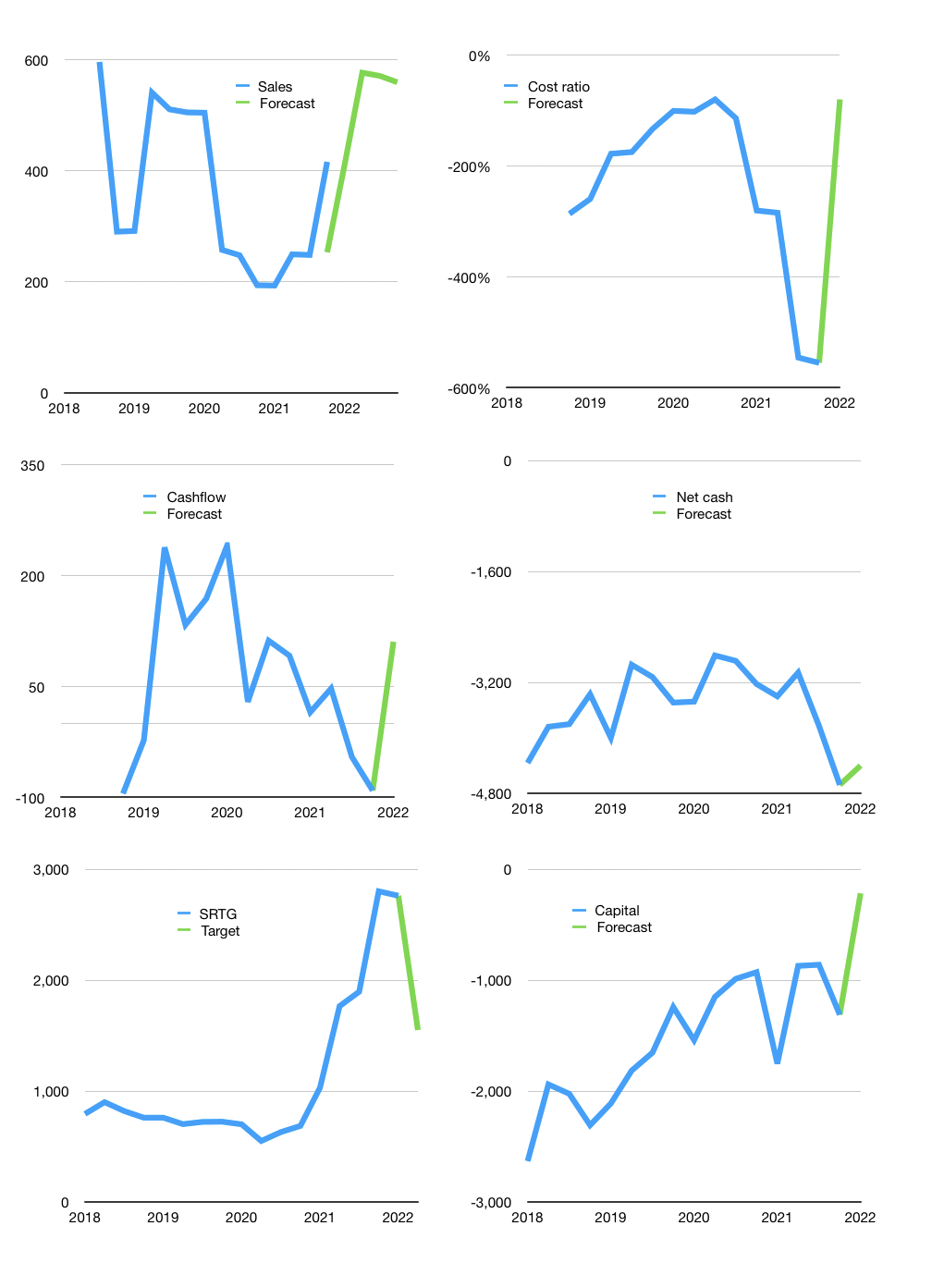
Financial model
Rpbn |  |  |  | 4Q 2022
Cashflow | 24% |  |  | 9%
Growth | -1% | 40.0% | -1% | -2%
Sales | 412 | 577 | 571 | 560
Cost ratio | -80% | -80% | -80% | -80%
Cash costs | -331 | -463 | -458 | -449
Operating | 81 | 114 | 113 | 110
Investment | 0 | 0 | 0 | 0
Liabilities | -257 | -244 | -232 | -220
Equity | -28 | -38 | -38 | -37
Before revolver | -204 | -168 | -157 | -147
Revolver | 204 | 168 | 157 | 147
Finance | -81 | -114 | -113 | -110
Beginning | 462 | 462 | 462 | 462
Change | 0 | 0 | 0 | 0
Ending | 462 | 462 | 462 | 462
Profit
Non cash costs | 13 | 13 | 13 | 13
Profit | 94 | 127 | 126 | 123
Balance sheet
Other assets | 60,690 | 60,690 | 60,690 | 60,690
Depreciation | -13 | -26 | -39 | -52
Net other assets | 60,703 | 60,716 | 60,729 | 60,742
Liabilities | 4,880 | 4,636 | 4,404 | 4,184
Revolver | 204 | 372 | 529 | 676
Equity | 56,081 | 56,170 | 56,258 | 56,344
Check | 0 | 0 | 0 | 0
Net cash | -4,622 | -4,546 | -4,471 | -4,398
Valuation
Capital | -1,027 | -745 | -475 | -218
Current value |  |  |  | 37,252,547,911,680
Current value |  |  |  | 37,253
P/assets |  |  |  | 0.61
Yield |  |  |  | 0%
Cashflow |  |  |  | 418
Payback |  |  |  | 145
Valuation |  |  |  | 89
Forecast |  |  |  | 50
Value |  |  |  | 20,918
Shares |  |  |  | 13
Target |  |  |  | 1,550
Current |  |  |  | 2,760
V target |  |  |  | -44%
Sales growth |  |  |  | 115%
Forecast |  |  |  | -39%

