Model
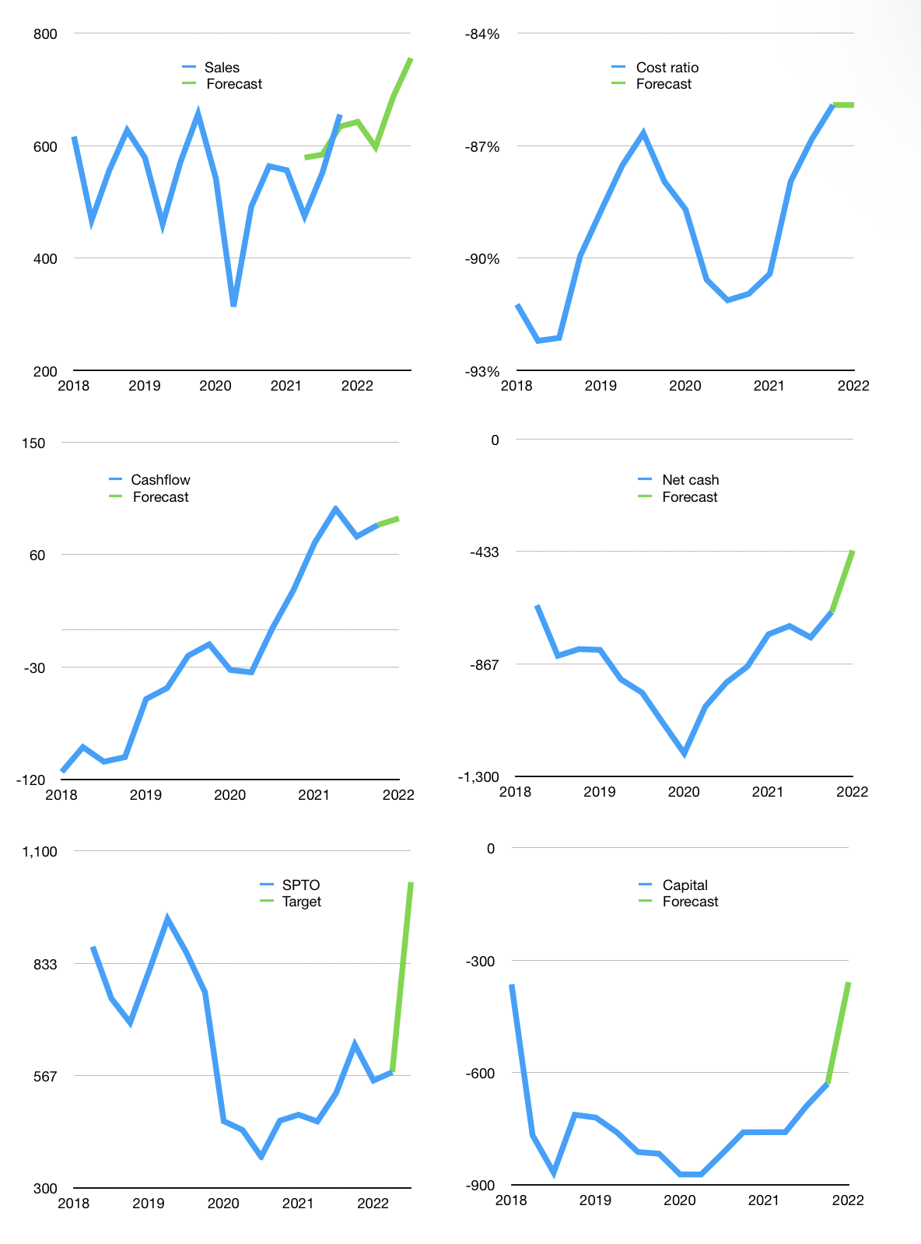
Financial model
Rpbn |  |  |  | 4Q 2022
Cashflow | 5% |  |  | 4%
Growth | -2% | -7% | 15% | 10%
Sales | 642 | 598 | 687 | 756
Cost ratio | -86% | -86% | -86% | -86%
Cash costs | -552 | -513 | -590 | -649
Operating | 91 | 84 | 97 | 106
Investment | -14 | -14 | -14 | -14
Leases | -4 | -4 | -4 | -4
Finance | -73 | -67 | -76 | -71
Liabilities | -55 | -52 | -49 | -46
Revolver | 2 | 3 | -5 | 0
Payout | 0.3
Equity | -20 | -18 | -22 | -25
Before revolver | -2 | -3 | 8 | 18
Beginning | 423 | 423 | 423 | 426
Change | 0 | 0 | 3 | 18
End | 423 | 423 | 426 | 444
Profit
Non cash costs | -23 | -23 | -23 | -23
Profit | 67 | 61 | 73 | 83
Balance sheet
Other assets | 3,005 | 3,019 | 3,032 | 3,046
Depreciation | 294 | 318 | 341 | 364
Net other assets | 2,711 | 2,701 | 2,692 | 2,682
Liabilities | 1,032 | 976 | 924 | 874
Revolver | 2 | 5 | 0 | 0
Equity | 2,100 | 2,143 | 2,194 | 2,252
Check | 0 | 0 | 0 | 0
Net cash | -610 | -558 | -497 | -430
Valuation
Capital | -561 | -498 | -426 | -358
Current value |  |  |  | 1,552,499,998,720
Current value |  |  |  | 1,552
P/assets |  |  |  | 0.50
Yield |  |  |  | 6%
Cashflow |  |  |  | 308
Payback |  |  |  | 9
Valuation |  |  |  | 5
Forecast |  |  |  | 9
Value |  |  |  | 2,770
Shares |  |  |  | 3
Target |  |  |  | 1,026
Current |  |  |  | 575
V target |  |  |  | 78%
12 month growth |  |  |  | 16%
Sales v forecast |  |  |  | 7%

