Model
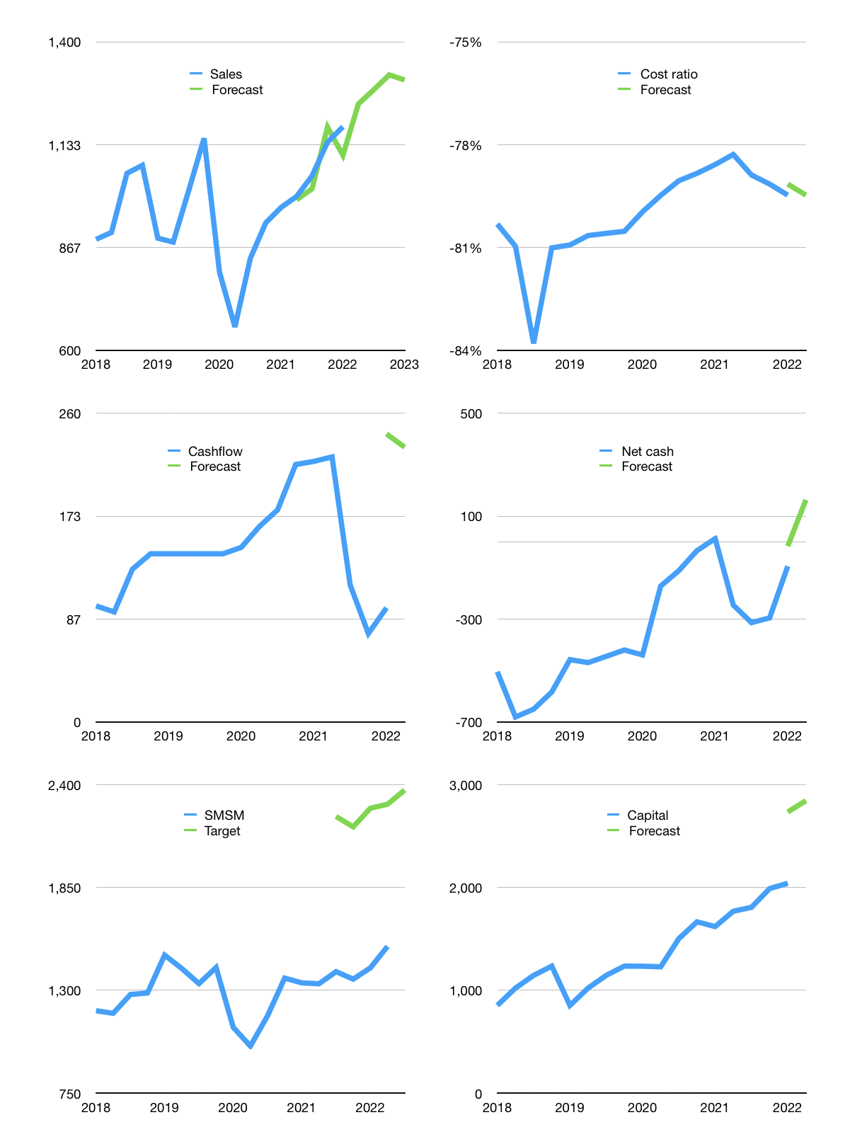
Financial model
Rpbn |  |  | 4Q 2022
Cashflow | 5% |  |  | 3%
Growth | 5% | 3% | 3% | -1%
Sales | 1,239 | 1,276 | 1,314 | 1,301
Cost ratio | -79% | -79% | -79% | -79%
Cash costs | -984 | -1014 | -1044 | -1034
Operating | 254 | 262 | 270 | 267
Investment | -36 | -36 | -36 | -36
Leases | -8 | -8 | -8 | -8
Finance | -206 | -209 | -212 | -208
Liabilities | -49 | -47 | -44 | -42
Revolver | 0 | 0 | 0 | 0
Payout | 0.7
Equity | -157 | -162 | -168 | -166
Before revolver | 13 | 18 | 22 | 24
Beginning | 884 | 897 | 914 | 937
Change | 13 | 18 | 22 | 24
Ending | 897 | 914 | 937 | 960
Profit
Non cash costs | -30 | -30 | -30 | -30
Profit | 224 | 232 | 239 | 237
Balance sheet
Other assets | 5,393 | 5,429 | 5,464 | 5,500
Depreciation | 2172 | 2203 | 2233 | 2264
Net other assets | 3220 | 3226 | 3231 | 3236
Liabilities | 930 | 884 | 839 | 797
Revolver | 0 | 0 | 0 | 0
Equity | 3187 | 3257 | 3328 | 3399
Check | 0 | 0 | 0 | 0
Net cash | -33 | 31 | 97 | 163
Valuation
Capital | 2,239 | 2,440 | 2,644 | 2,844
Current value |  |  |  | 8,839,574,323,200
Current value |  |  |  | 8,840
P/assets |  |  |  | 2.11
Yield |  |  |  | 7%
Cashflow |  |  |  | 910
Payback |  |  |  | 4
Valuation |  |  |  | 10
Forecast |  |  |  | 15
Value |  |  |  | 13,651
Shares |  |  |  | 6
Target |  |  |  | 2,371
Current |  |  |  | 1,535
V target |  |  |  | 54%
12 month growth |  |  |  | 22%
Sales forecasts |  |  |  | -2%

Capital
Capital-1
Rpbn | Liabilities | Equity | Total | Liabilities | Equity | Total
1995 | 7 | 0 | 7 | 7 | 0 | 7
1996 | -31 | 60 | 29 | -24 | 60 | 36
1997 | 25 | -8 | 17 | 1 | 52 | 53
1998 | -26 | -11 | -37 | -25 | 41 | 16
1999 | 18 | -27 | -9 | -7 | 14 | 7
2000 | 80 | 22 | 102 | 73 | 36 | 109
2001 | -2 | -18 | -20 | 71 | 18 | 89
2002 | -26 | -7 | -33 | 45 | 11 | 56
2003 | -5 | -48 | -53 | 40 | -37 | 3
2004 | 15 | -85 | -70 | 55 | -122 | -67
2005 | -20 | -41 | -61 | 35 | -163 | -128
2006 | 5 | -30 | -25 | 40 | -193 | -153
2007 | 64 | -53 | 11 | 104 | -246 | -142
2008 | 10 | -29 | -19 | 114 | -275 | -161
2009 | -6 | -206 | -212 | 108 | -481 | -373
2010 | 115 | -142 | -27 | 223 | -623 | -400
2011 | -2 | -124 | -126 | 221 | -747 | -526
2012 | 60 | -227 | -167 | 281 | -974 | -693
2013 | -55 | -158 | -213 | 226 | -1,132 | -906
2014 | -68 | -258 | -326 | 158 | -1,390 | -1,232
2015 | -24 | -210 | -234 | 134 | -1,600 | -1,466
2016 | -162 | -321 | -483 | -28 | -1,921 | -1,949
2017 | -53 | -315 | -368 | -81 | -2,236 | -2,317
2018 | -19 | -330 | -349 | -100 | -2,566 | -2,666
2019 | -8 | -366 | -374 | -108 | -2,932 | -3,040
2020 | -13 | -376 | -389 | -121 | -3,308 | -3,429
2021 | 124 | -447 | -323 | 3 | -3,755 | -3,752 | -139 | -361 | -421
2022 | -48 | -4 | -52 | -45 | -3,758 | -3,804

SMSM -3.8 trillion rupiah paid since 1995
 |  |  |  |  |  |  |  |  |  | Table 1-1

 |  |  |  |  |  |  |  |  |  |  | Market value | IDR8839574323200
 |  |  |  |  |  |  |  |  |  |  | SMSM | capital history | -4% | of market value | paid every year since 2016
 |  |  |  |  |  |  |  |  |  |  | 2022-04-18
 |  |  |  |  |  |  |  |  |  |  | Start date | 1995
 |  |  |  |  |  |  |  |  |  |  | Number of quarters | 108
 |  |  |  |  |  |  |  |  |  |  | Market value Rpbn | 8,840
 |  |  |  |  |  |  |  |  |  |  | Liabilities | 3 | billion rupiah | raised
 |  |  |  |  |  |  |  |  |  |  | SMSM | has | raised | liabilities | by an average | 0 | billion rupiah | every year | 0% | of market value
 |  |  |  |  |  |  |  |  |  |  | In the last 5 years | liabilities | were | raised | by an average | 6 | billion rupiah | every year | 0% | of market value
 |  |  |  |  |  |  |  |  |  |  | The peak in cumulative liabilities | was | 281 | billion rupiah | in | 2012
 |  |  |  |  |  |  |  |  |  |  | As of the latest quarter | liabilities | cumulative | are | down | to | 3 | billion rupiah
 |  |  |  |  |  |  |  |  |  |  | Equity | -3,755 | billion rupiah | paid
 |  |  |  |  |  |  |  |  |  |  | SMSM | has | paid | equity | by an average | -139 | billion rupiah | every year | -2% | of market value
 |  |  |  |  |  |  |  |  |  |  | In the last 5 years | equity | was | paid | by an average | -367 | billion rupiah | every year | -4% | of market value
 |  |  |  |  |  |  |  |  |  |  | The peak in cumulative equity | was | 60 | billion rupiah | in | 1996
 |  |  |  |  |  |  |  |  |  |  | As of the latest quarter | equity | cumulative | is | down | to | -3,755 | billion rupiah
 |  |  |  |  |  |  |  |  |  |  | Total capital | -3,752 | billion rupiah | paid
 |  |  |  |  |  |  |  |  |  |  | SMSM | has | paid | total capital | by an average | -139 | billion rupiah | every year | -2% | of market value
 |  |  |  |  |  |  |  |  |  |  | In the last 5 years | total capital | was | paid | by an average | -361 | billion rupiah | every year | -4% | of market value
 |  |  |  |  |  |  |  |  |  |  | The peak in cumulative total capital | was | 109 | billion rupiah | in | 2000
 |  |  |  |  |  |  |  |  |  |  | As of the latest quarter | total capital | cumulative | is | down | to | -3751.8 | billion rupiah | -4% | of market value | paid every year since 2016

