Model
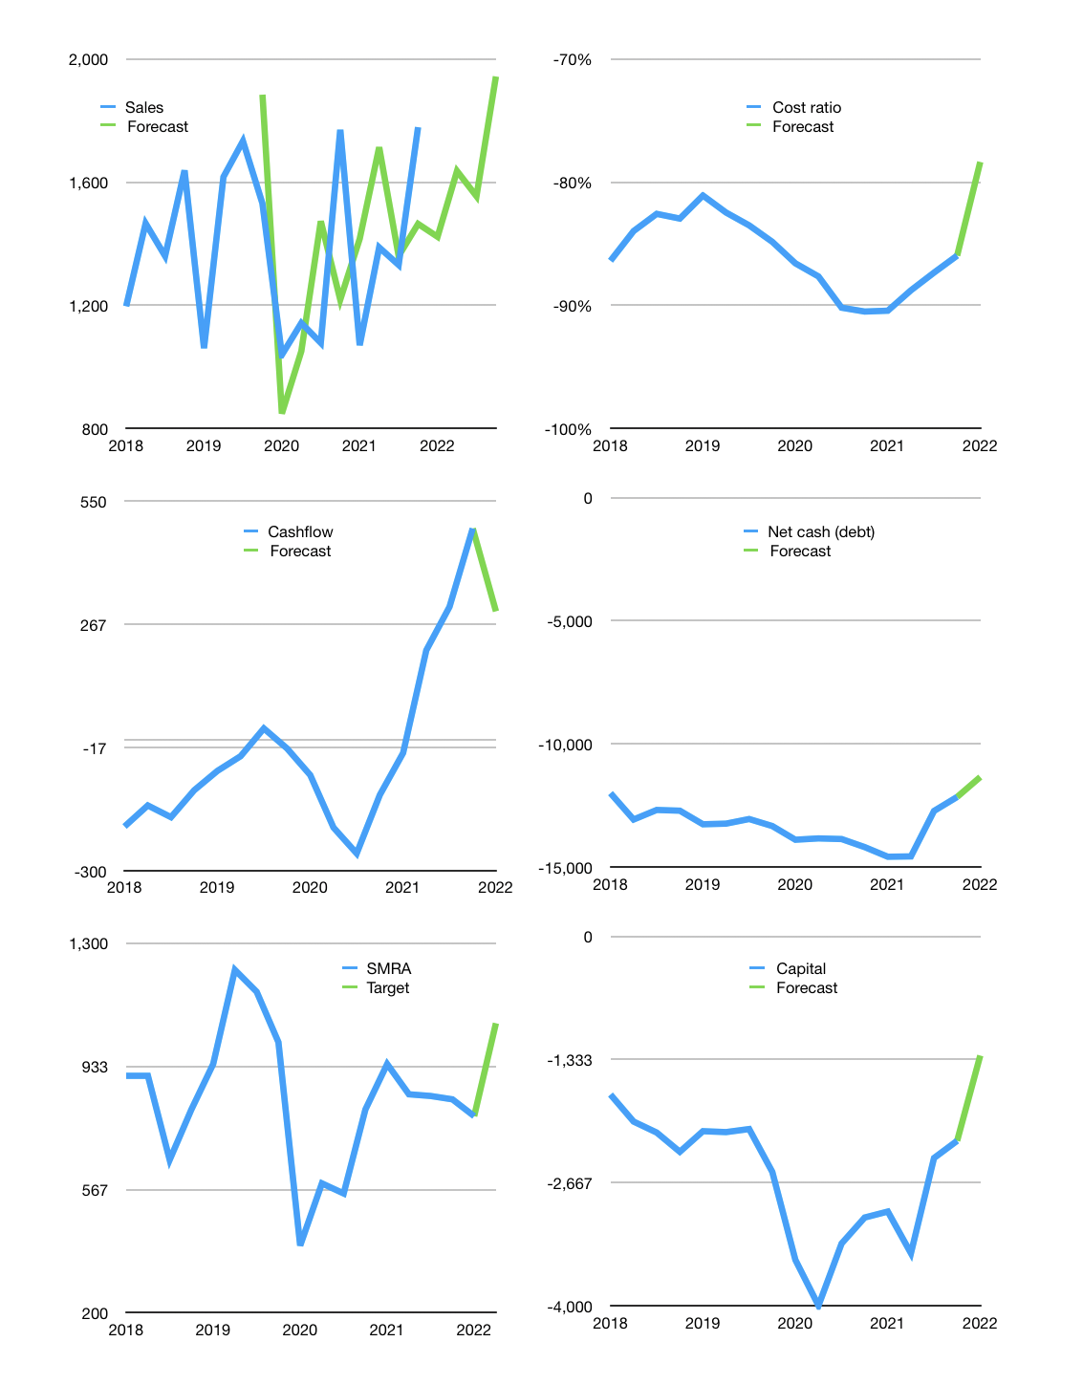
Financial model
Rpbn |  |  |  | 4Q 2022
Cashflow | 5% |  |  | 4%
Growth | -20% | 15% | -5% | 25%
Sales | 1,423 | 1,636 | 1,554 | 1,943
Cost ratio | -78% | -78% | -78% | -78%
Cash costs | -1,115 | -1,282 | -1,218 | -1,522
Operating | 308 | 354 | 336 | 420
Investment | -124 | -124 | -124 | -124
Finance | -184 | -230 | -212 | -296
Liabilities | -746 | -709 | -673 | -640
Yield | 10%
Equity | -24 | -28 | -27 | -35
Before revolver | -586 | -507 | -488 | -378
Revolver | 586 | 507 | 488 | 378
Beginning | 2,774 | 2,774 | 2,774 | 2,774
Change | 0 | 0 | 0 | 0
Ending | 2,774 | 2,774 | 2,774 | 2,774
Profit
Non cash costs | -69 | -69 | -69 | -69
Net profit | 239 | 285 | 267 | 351
Balance sheet
Other assets | 26,297 | 26,421 | 26,545 | 26,669
Depreciation | 2,966 | 3,035 | 3,104 | 3,173
Net other assets | 23,331 | 23,386 | 23,441 | 23,496
Liabilities | 14,174 | 13,465 | 12,792 | 12,152
Revolver | 586 | 1,093 | 1,581 | 1,960
Equity | 11,345 | 11,601 | 11,842 | 12,158
Check | 0 | 0 | 0 | 0
Net cash | -11,986 | -11,785 | -11,599 | -11,338
Valuation
Capital | -2,029 | -1,799 | -1,587 | -1,291
Current value |  |  |  | 12,959,251,169,280
Current value |  |  |  | 12,959
P/assets |  |  |  | 0.49
Yield |  |  |  | 1%
Cashflow |  |  |  | 922
Payback |  |  |  | 25
Valuation |  |  |  | 14
Forecast |  |  |  | 19
Value |  |  |  | 17,522
Shares |  |  |  | 17
Target |  |  |  | 1,061
Current |  |  |  | 785
V target |  |  |  | 35%
12 month growth |  |  |  | 0%
Sales v forecast |  |  |  | 2%

