Model
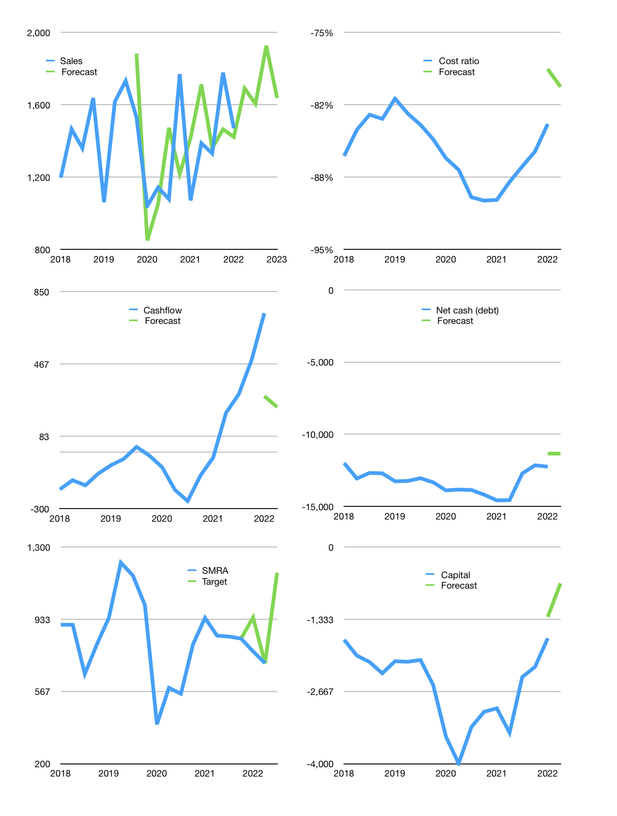
Financial model
Rpbn |  |  | 4Q 2022
Cashflow | 10% |  |  | 4%
Growth | 15% | -5% | 20% | -15%
Sales | 1,691 | 1,606 | 1,927 | 1,638
Cost ratio | -80% | -80% | -80% | -80%
Cash costs | -1,352 | -1,285 | -1,542 | -1,310
Operating | 338 | 321 | 385 | 328
Investment | -89 | -89 | -89 | -89
Finance | -249 | -232 | -296 | -238
Liabilities | -791 | -751 | -713 | -678
Revolver | 570 | 545 | 450 | 466
Payout | 0.1
Equity | -28 | -26 | -33 | -27
Before revolver | -570 | -545 | -450 | -466
Beginning | 3,570 | 3,570 | 3,570 | 3,570
Change | 0 | 0 | 0 | 0
Ending | 3,570 | 3,570 | 3,570 | 3,570
Profit
Non cash costs | -58 | -58 | -58 | -58
Net profit | 280 | 263 | 327 | 270
Balance sheet
Other assets | 26,699 | 26,788 | 26,877 | 26,966
Depreciation | 3,013 | 3,071 | 3,129 | 3,187
Net other assets | 23,686 | 23,717 | 23,748 | 23,779
Liabilities | 15,020 | 14,269 | 13,555 | 12,877
Revolver | 570 | 1,115 | 1,565 | 2,031
Equity | 11,666 | 11,903 | 12,198 | 12,440
Check | 0 | 0 | 0 | 0
Net cash | -12,020 | -11,814 | -11,550 | -11,339
Valuation
Capital | -1,438 | -1,206 | -910 | -672
Current value |  |  |  | 11,721,106,259,968
Current value |  |  |  | 11,721
P/assets |  |  |  | 0.43
Yield |  |  |  | 1%
Cashflow |  |  |  | 1,016
Payback |  |  |  | 23
Valuation |  |  |  | 12
Forecast |  |  |  | 19
Value |  |  |  | 19,295
Shares |  |  |  | 17
Target |  |  |  | 1,169
Current |  |  |  | 710
V target |  |  |  | 65%
12 month growth |  |  |  | 37%
Sales v forecast |  |  |  | 2%

Capital
Capital
Rpbn | Liabilities | Equity | Total | Liabilities | Equity | Total
2008 | 508 | -30 | 478 | 508 | -30 | 478
2009 | -159 | -19 | -178 | 349 | -49 | 300
2010 | -233 | 185 | -48 | 116 | 136 | 252
2011 | 347 | -69 | 278 | 463 | 67 | 530
2012 | -13 | 370 | 357 | 450 | 437 | 887
2013 | 1,356 | -310 | 1,046 | 1,806 | 127 | 1,933
2014 | 1,920 | -271 | 1,649 | 3,726 | -144 | 3,582
2015 | 200 | -128 | 72 | 3,926 | -272 | 3,654
2016 | 1,258 | 40 | 1,298 | 5,184 | -232 | 4,952
2017 | 579 | -72 | 507 | 5,763 | -304 | 5,459
2018 | 509 | 85 | 594 | 6,272 | -219 | 6,053
2019 | 461 | 19 | 480 | 6,733 | -200 | 6,533
2020 | 366 | 19 | 385 | 7,099 | -181 | 6,918
2021 | -2,420 | 1,674 | -746 | 4,679 | 1,493 | 6,172 | 441 | 244 | -746

 |  |  |  |  |  |  |  |  |  | Table 1

SMRA FINALLY STARTED TO PAYBACK
 |  |  |  |  |  |  |  |  |  |  | Market value | IDR11721106259968
 |  |  |  |  |  |  |  |  |  |  | SMRA | capital history | -6% | of market value | paid in 1 year.
 |  |  |  |  |  |  |  |  |  |  | 2022-03-26
 |  |  |  |  |  |  |  |  |  |  | Start date | 2008
 |  |  |  |  |  |  |  |  |  |  | Number of quarters | 56
 |  |  |  |  |  |  |  |  |  |  | Market value Rpbn | 11,721
 |  |  |  |  |  |  |  |  |  |  | Liabilities | 4,679 | billion rupiah | raised
 |  |  |  |  |  |  |  |  |  |  | SMRA | has | raised | liabilities | by an average | 334 | billion rupiah | every year | 3% | of market value
 |  |  |  |  |  |  |  |  |  |  | In the last 5 years | liabilities | were | paid | by an average | -101 | billion rupiah | every year | -1% | of market value
 |  |  |  |  |  |  |  |  |  |  | The peak in cumulative liabilities | was | 7,099 | billion rupiah | in | 2020
 |  |  |  |  |  |  |  |  |  |  | As of the latest quarter | liabilities | cumulative | are | down | to | 4,679 | billion rupiah
 |  |  |  |  |  |  |  |  |  |  | Equity | 1,493 | billion rupiah | raised
 |  |  |  |  |  |  |  |  |  |  | SMRA | has | raised | equity | by an average | 107 | billion rupiah | every year | 1% | of market value
 |  |  |  |  |  |  |  |  |  |  | In the last 5 years | equity | was | raised | by an average | 345 | billion rupiah | every year | 3% | of market value
 |  |  |  |  |  |  |  |  |  |  | The peak in cumulative equity | was | 1,493 | billion rupiah | in | 2021
 |  |  |  |  |  |  |  |  |  |  | As of the latest quarter | equity | cumulative | is | up | to | 1,493 | billion rupiah
 |  |  |  |  |  |  |  |  |  |  | Total capital | 6,172 | billion rupiah | raised
 |  |  |  |  |  |  |  |  |  |  | SMRA | has | raised | total capital | by an average | 441 | billion rupiah | every year | 4% | of market value
 |  |  |  |  |  |  |  |  |  |  | In the last 5 years | total capital | was | raised | by an average | 244 | billion rupiah | every year | 2% | of market value
 |  |  |  |  |  |  |  |  |  |  | The peak in cumulative total capital | was | 6,918 | billion rupiah | in | 2020
 |  |  |  |  |  |  |  |  |  |  | As of the latest quarter | total capital | cumulative | is | down | to | 6,172 | billion rupiah | -6% | of market value | paid in 1 year.

