Model
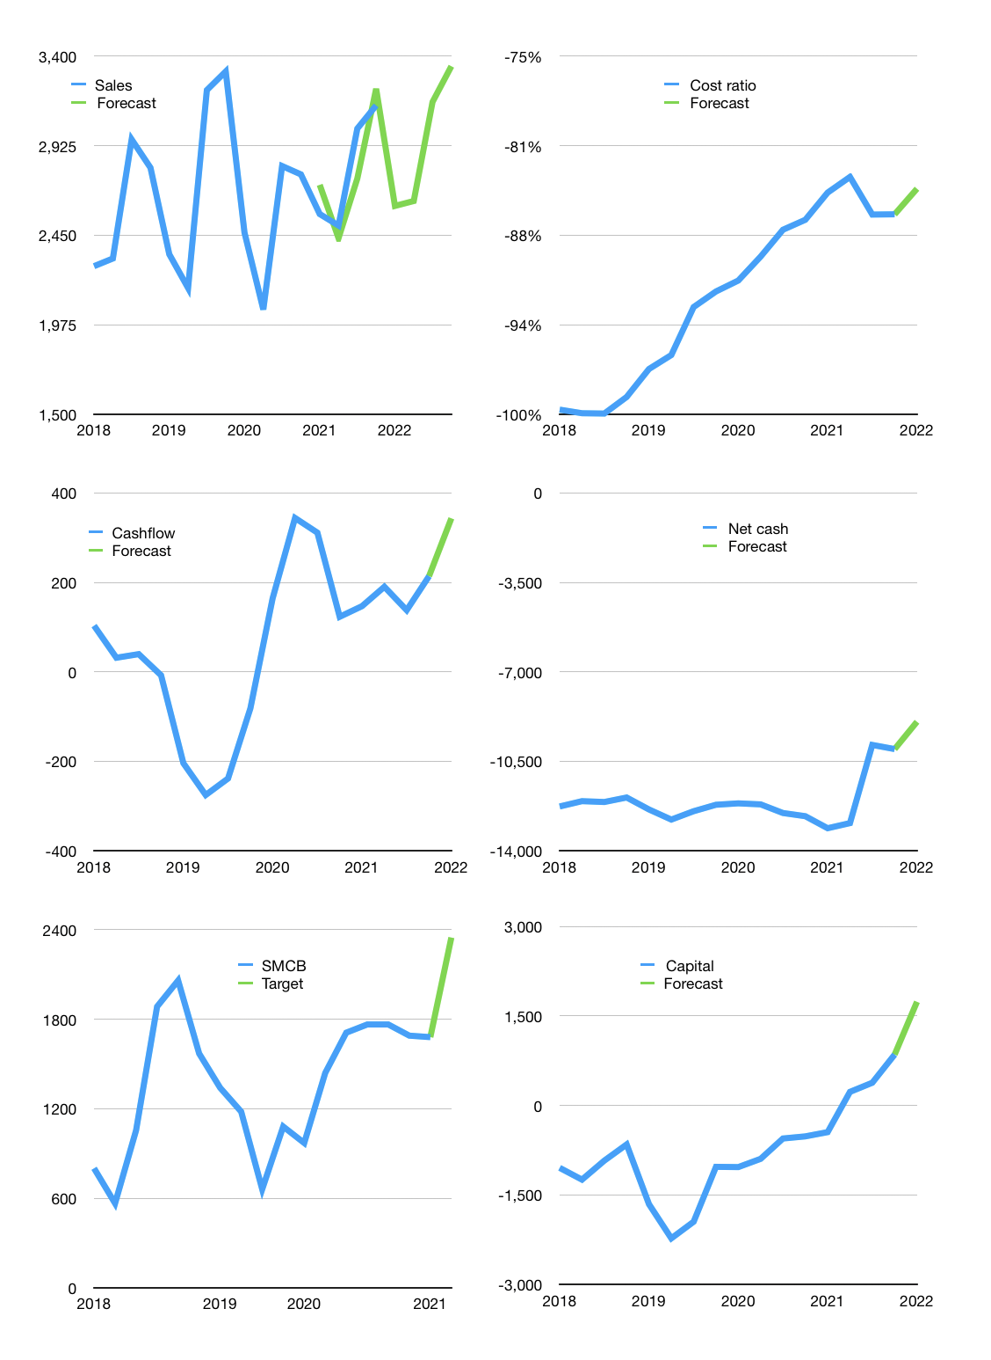
Financial model
Rp bn |  |  |  | 4Q 2022
Cashflow | 4% |  |  | 3%
Growth | -17% | 1% | 20% | 6%
Sales | 2,605 | 2,631 | 3,158 | 3,347
Cost ratio | -84% | -84% | -84% | -84%
Cash costs | -2,195 | -2,217 | -2,660 | -2,820
Operating | 410 | 414 | 497 | 527
Investment | -126 | -126 | -126 | -126
Leases | -57 | -57 | -57 | -57
Finance | -227 | -231 | -314 | -343
Liabilities | -516 | -487 | -460 | -434
Equity | -53 | -55 | -79 | -88
Before revolver | -342 | -311 | -225 | -179
Revolver | 342 | 311 | 225 | 179
Beginning | 291 | 291 | 291 | 291
Change | 0 | 0 | 0 | 0
Ending | 291 | 291 | 291 | 291
Profit
Non cash costs | -232 | -232 | -232 | -232
Profit | 178 | 182 | 265 | 295
Balance sheet
Other assets | 34,715 | 34,841 | 34,968 | 35,094
Depreciation | 13,620 | 13,853 | 14,085 | 14,318
Net other assets | 21,095 | 20,989 | 20,882 | 20,776
Liabilities | 9,737 | 9,193 | 8,676 | 8,185
Revolver | 342 | 653 | 878 | 1,057
Equity | 11,306 | 11,434 | 11,619 | 11,825
Check | 0 | 0 | 0 | 0
Net cash | -9,788 | -9,555 | -9,263 | -8,951
Valuation
Capital | 1,021 | 1,195 | 1,451 | 1,737
Current value |  |  |  | 15,150
P/assets |  |  |  | 0.72
Yield |  |  |  | 2%
Cashflow |  |  |  | 1,114
Payback |  |  |  | 19
Valuation |  |  |  | 14
Forecast |  |  |  | 19
Value |  |  |  | 21,175
Shares |  |  |  | 9
Target |  |  |  | 2,348
Current |  |  |  | 1,680
V target |  |  |  | 40%
12 month growth |  |  |  | 13%
Sales v forecast |  |  |  | -1%

