Model
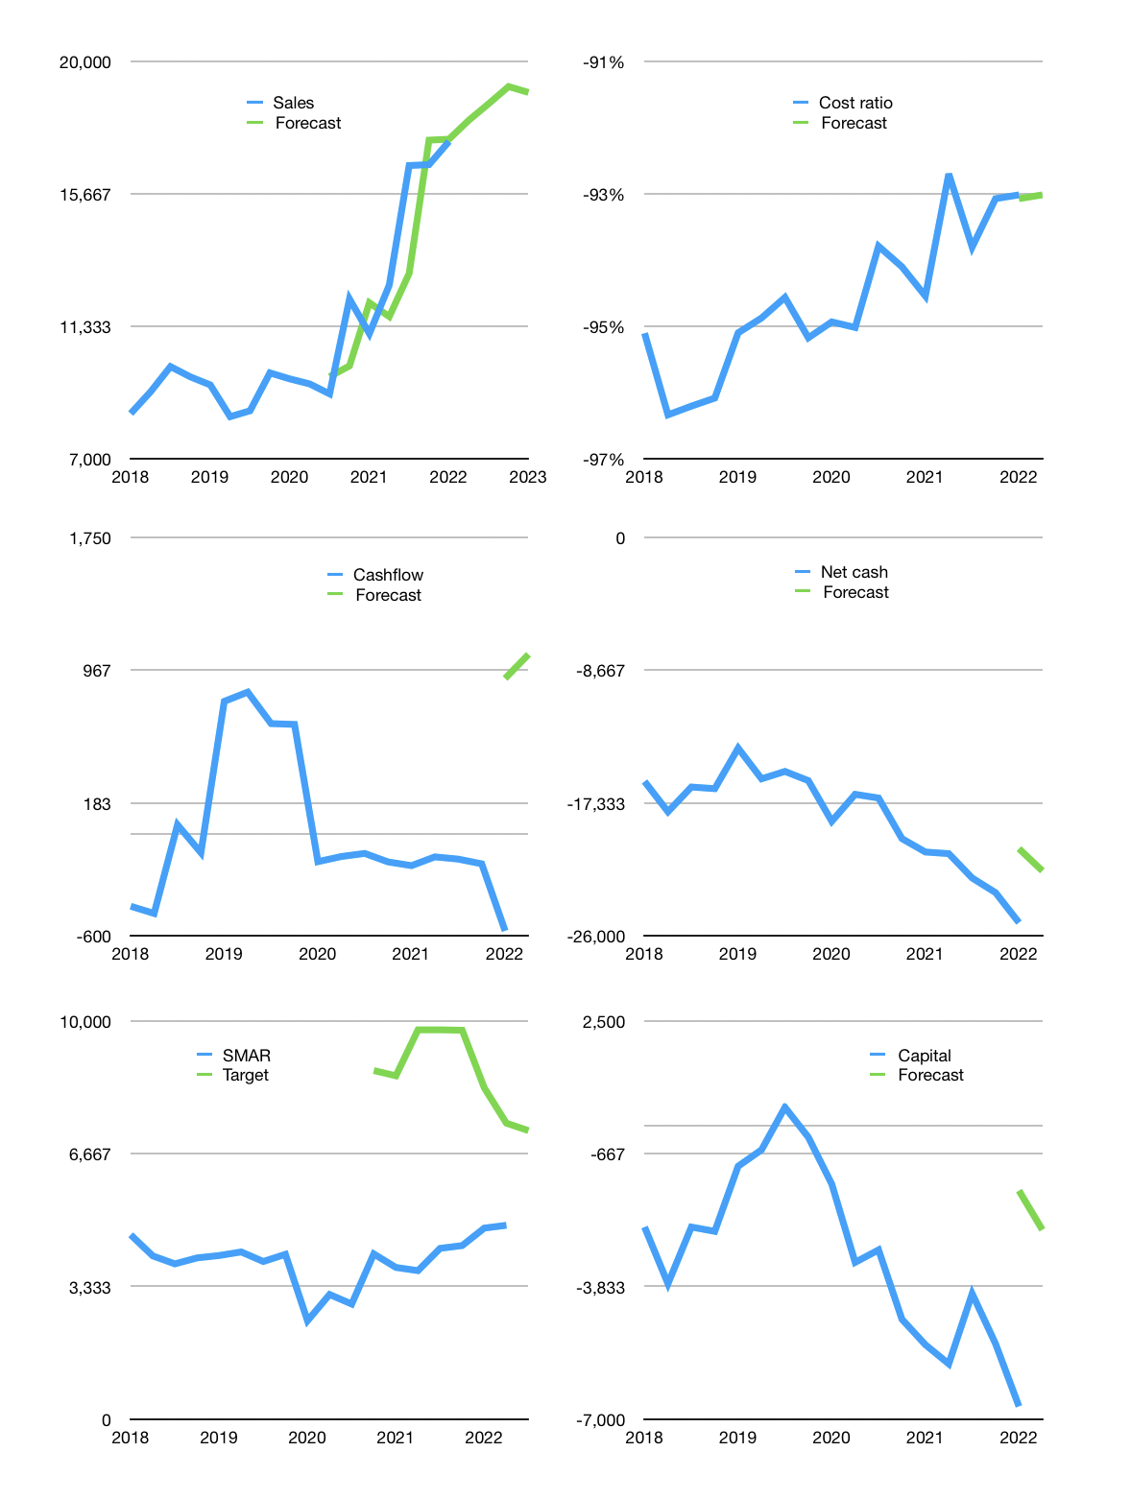
Financial model
Rpbn |  |  | 4Q 2022
Cashflow | 12% |  |  | 2%
Sales growth | 4% | 3% | 3% | -1%
Sales | 18,076 | 18,618 | 19,176 | 18,985
Cost ratio | -93% | -93% | -93% | -93%
Cash costs | -16,813 | -17,317 | -17,837 | -17,658
Operating | 1,263 | 1,301 | 1,340 | 1,326
Investment | -253 | -253 | -253 | -253
Leases | -13 | -13 | -13 | -13
Finance | -1,010 | -1,048 | -1,087 | -1,073
Liabilities | -1,364 | -1,296 | -1,231 | -1,169
Revolver | 553 | 455 | 359 | 308
Payout | 0.2
Equity | -199 | -207 | -215 | -212
Before revolver | -553 | -455 | -359 | -308
Beginning | 2,106 | 2,106 | 2,106 | 2,106
Change | 0 | 0 | 0 | 0
Ending | 2,106 | 2,106 | 2,106 | 2,106
Profit
Non cash costs | -266 | -266 | -266 | -266
Net profit | 996 | 1,034 | 1,073 | 1,060
Balance sheet
Other assets | 50,066 | 50,318 | 50,571 | 50,824
Depreciation | 9,571 | 9,838 | 10,104 | 10,371
Net other assets | 40,494 | 40,481 | 40,467 | 40,453
Liabilities | 25,913 | 24,617 | 23,387 | 22,217
Revolver | 553 | 1,008 | 1,366 | 1,674
Equity | 16,134 | 16,961 | 17,820 | 18,668
Check | 0 | 0 | 0 | 0
Net cash | -24,360 | -23,519 | -22,647 | -21,785
Valuation
Capital | -5,690 | -4,642 | -3,555 | -2,481
Current value |  |  |  | 13,987,565,535,232
Current value |  |  |  | 13,988
P/assets |  |  |  | 0.33
Yield |  |  |  | 6%
Cashflow |  |  |  | 4,165
Payback |  |  |  | 10
Valuation |  |  |  | 3
Forecast |  |  |  | 5
Value |  |  |  | 20,827
Shares |  |  |  | 3
Target |  |  |  | 7,251
Current |  |  |  | 4,870
V target |  |  |  | 49%
12 month growth |  |  |  | 57%
Sales forecasts |  |  |  | -4%

Capital
Capital
Rpbn | Liabilities | Equity | Total | Liabilities | Equity | Total
2005 | 249 | 0 | 249 | 249 | 0 | 249
2006 | 267 | 0 | 267 | 516 | 0 | 516
2007 | 323 | -132 | 191 | 839 | -132 | 707
2008 | 411 | -14 | 397 | 1,250 | -146 | 1,104
2009 | 385 | -517 | -132 | 1,635 | -663 | 972
2010 | 890 | -215 | 675 | 2,525 | -878 | 1,647
2011 | -292 | -431 | -723 | 2,233 | -1,309 | 924
2012 | -982 | -574 | -1,556 | 1,251 | -1,883 | -632
2013 | 2,723 | -3,446 | -723 | 3,974 | -5,329 | -1,355
2014 | 1,437 | -14 | 1,423 | 5,411 | -5,343 | 68
2015 | 2,294 | -29 | 2,265 | 7,705 | -5,372 | 2,333
2016 | 519 | 0 | 519 | 8,224 | -5,372 | 2,852
2017 | 327 | -72 | 255 | 8,551 | -5,444 | 3,107
2018 | 404 | -86 | 318 | 8,955 | -5,530 | 3,425
2019 | -91 | -2,154 | -2,245 | 8,864 | -7,684 | 1,180
2020 | 4,619 | 0 | 4,619 | 13,483 | -7,684 | 5,799
2021 | 1,662 | -991 | 671 | 15,145 | -8,675 | 6,470 | 381 | 724 | 1,552
2022 | 1,508 | 0 | 1,508 | 16,653 | -8,675 | 7,978
SMAR HAS RAISED 6.5 TRILLION RUPIAH
 |  |  |  |  |  |  |  |  |  | Table 1

 |  |  |  |  |  |  |  |  |  |  | Market value | IDR13987565535232
 |  |  |  |  |  |  |  |  |  |  | SMAR | capital history
 |  |  |  |  |  |  |  |  |  |  | 2022-03-21
 |  |  |  |  |  |  |  |  |  |  | Start date | 2005
 |  |  |  |  |  |  |  |  |  |  | Number of quarters | 68
 |  |  |  |  |  |  |  |  |  |  | Market value | 13,988
 |  |  |  |  |  |  |  |  |  |  | Liabilities | 15,145 | billion rupiah | raised
 |  |  |  |  |  |  |  |  |  |  | SMAR | has | raised | liabilities | by an average | 891 | billion rupiah | every year | 6% | of market value
 |  |  |  |  |  |  |  |  |  |  | In the last 5 years | liabilities | were | raised | by an average | 1,384 | billion rupiah | every year | 10% | of market value
 |  |  |  |  |  |  |  |  |  |  | The peak in cumulative liabilities | was | 15,145 | billion rupiah | in | 2021
 |  |  |  |  |  |  |  |  |  |  | As of the latest quarter | liabilities | cumulative | are | up | to | 15,145 | billion rupiah
 |  |  |  |  |  |  |  |  |  |  | Equity | -8,675 | billion rupiah | paid
 |  |  |  |  |  |  |  |  |  |  | SMAR | has | paid | equity | by an average | -510 | billion rupiah | every year | -4% | of market value
 |  |  |  |  |  |  |  |  |  |  | In the last 5 years | equity | was | paid | by an average | -661 | billion rupiah | every year | -5% | of market value
 |  |  |  |  |  |  |  |  |  |  | The peak in cumulative equity | was | 0 | billion rupiah | in | 2006
 |  |  |  |  |  |  |  |  |  |  | As of the latest quarter | equity | cumulative | is | down | to | -8,675 | billion rupiah
 |  |  |  |  |  |  |  |  |  |  | Total capital | 6,470 | billion rupiah | raised
 |  |  |  |  |  |  |  |  |  |  | SMAR | has | raised | total capital | by an average | 381 | billion rupiah | every year | 3% | of market value
 |  |  |  |  |  |  |  |  |  |  | In the last 5 years | total capital | was | raised | by an average | 724 | billion rupiah | every year | 5% | of market value
 |  |  |  |  |  |  |  |  |  |  | The peak in cumulative total capital | was | 6,470 | billion rupiah | in | 2021
 |  |  |  |  |  |  |  |  |  |  | As of the latest quarter | total capital | cumulative | is | up | to | 6,470 | billion rupiah

