Model
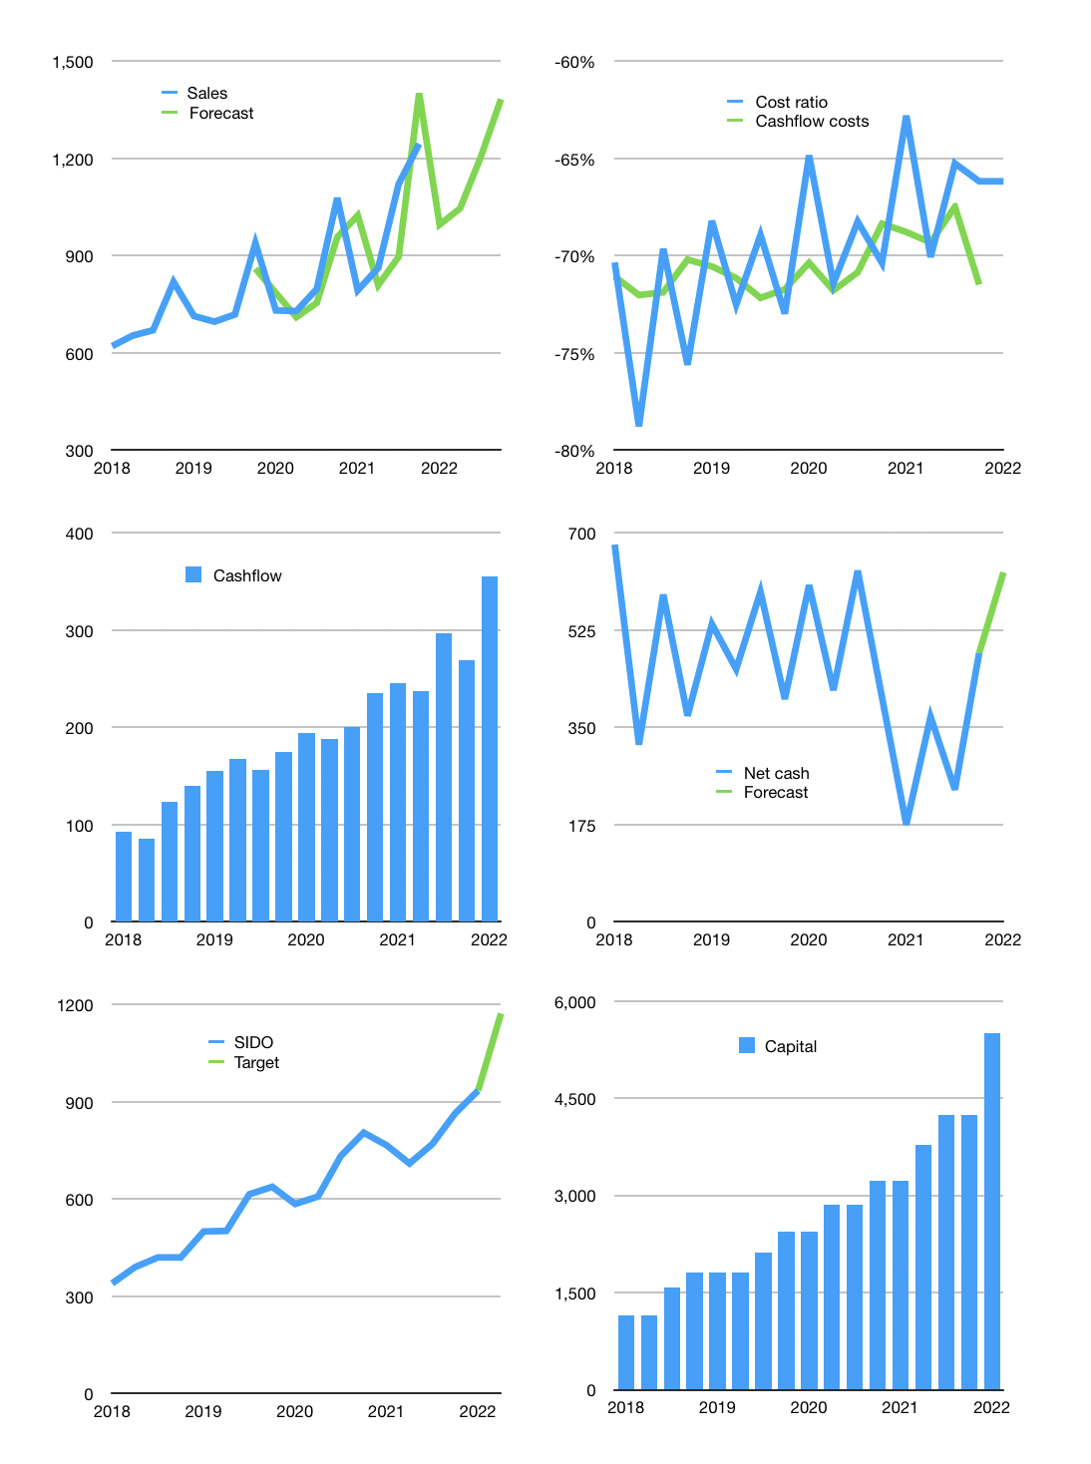
Financial model
Rpbn |  |  |  | 4Q 2022
Cashflow | 6% |  |  | 4%
Growth | -20% | 5% | 15% | 15%
Sales | 996 | 1,046 | 1,203 | 1,383
Cost ratio | -66% | -71% | -65% | -71%
Cash costs | -659 | -747 | -780 | -988
Operating | 337 | 299 | 423 | 395
Investment | -40 | -40 | -40 | -40
Finance | -294 | -259 | -366 | -340
Liabilities | -30 | -28 | -27 | -26
Equity | -265 | -232 | -338 | -314
Before revolver | 2 | -2 | 18 | 15
Revolver | 0 | 2 | -2 | 0
Beginning | 1,082 | 1,084 | 1,084 | 1,101
Change | 2 | 0 | 16 | 15
Ending | 1,084 | 1,084 | 1,101 | 1,116
Profit
Non cash costs | -26 | -26 | -26 | -26
Net profit | 311 | 273 | 397 | 369
Balance sheet
Other assets | 3,798 | 3,838 | 3,878 | 3,918
Depreciation | 797 | 822 | 848 | 874
Net other assets | 3,001 | 3,016 | 3,030 | 3,045
Liabilities | 568 | 540 | 513 | 487
Revolver | 0 | 2 | 0 | 0
Equity | 3,518 | 3,559 | 3,618 | 3,674
Check | 0 | 0 | 0 | 0
Net cash | 516 | 543 | 588 | 629
Valuation
Capital | 4,545 | 4,804 | 5,170 | 5,510
Current value |  |  |  | 27,840
P/assets |  |  |  | 6.7
Yield |  |  |  | 4%
Cashflow |  |  |  | 1,293
Payback |  |  |  | 2.3
Valuation |  |  |  | 22
Forecast |  |  |  | 27
Value |  |  |  | 34,919
Shares |  |  |  | 30
Target |  |  |  | 1,173
Current |  |  |  | 935
V target |  |  |  | 25%
12 month growth |  |  |  | 15%
Sales forecasts |  |  |  | -1%

