Model
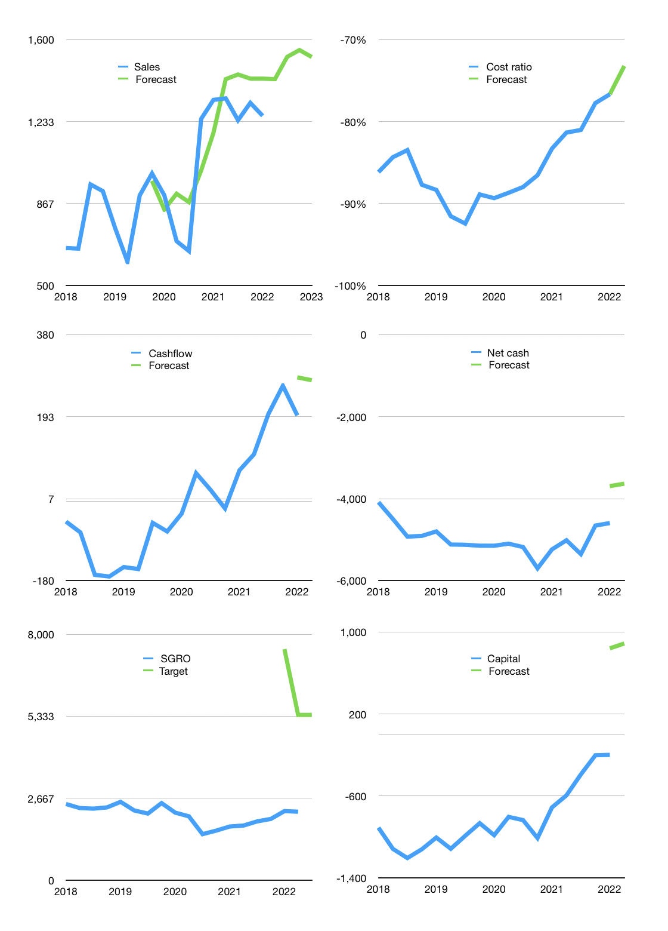
Financial model
Rp bn |  |  | 4Q 2022
Cashflow | -1% |  |  | 5%
Growth | 13% | 7% | 2% | -2%
Sales | 1,423 | 1,522 | 1,553 | 1,522
Cost ratio | -73% | -73% | -73% | -73%
Cash costs | -1,042 | -1,115 | -1,137 | -1,114
Operating | 381 | 407 | 416 | 407
Investment | -131 | -131 | -131 | -131
Finance | -250 | -276 | -284 | -276
Liabilities | -261 | -248 | -236 | -224
Revolver | 41 | 4 | -16 | -20
Payout | 0.1
Equity | -29 | -32 | -33 | -32
Before revolver | -41 | -4 | 16 | 20
Beginning | 630 | 630 | 630 | 630
Change | 0 | 0 | 0 | 0
Ending | 630 | 630 | 630 | 630
Profit
Non cash costs | -88 | -88 | -88 | -88
Net profit | 293 | 319 | 328 | 319
Balance sheet
Other assets | 13,217 | 13,348 | 13,479 | 13,610
Depreciation | 3,735 | 3,823 | 3,911 | 3,999
Net other assets | 9,482 | 9,525 | 9,568 | 9,611
Liabilities | 4,964 | 4,716 | 4,480 | 4,256
Revolver | 41 | 45 | 29 | 9
Equity | 5,107 | 5,394 | 5,689 | 5,976
Check | 0 | 0 | 0 | 0
Net cash | -4,375 | -4,131 | -3,879 | -3,635
Valuation
Capital | 51 | 327 | 611 | 888
Current value |  |  |  | 4,055,522,607,104
Current value |  |  |  | 4,056
P/assets |  |  |  | 0.40
Yield |  |  |  | 3%
Cashflow |  |  |  | 1,086
Payback |  |  |  | 9
Valuation |  |  |  | 4
Forecast |  |  |  | 9
Value |  |  |  | 9,778
Shares |  |  |  | 2
Target |  |  |  | 5,376
Current |  |  |  | 2,230
V target |  |  |  | 141%
12 month growth |  |  |  | -5%
Sales forecast |  |  |  | 5%

Cashflow
Cashflow
Rpbn | Receipts | Operating | Investment | Interest & leases | Liabilities | Equity | Finance | Free cashflow | Cashflow | Forecast | Capital | Forecast
2015 |  | -71 | -205 | 0 |  |  | 103 | -276 |  |  | -103 |  | 1
 |  | 31 | -274 | 0 |  |  | 314 | -243 |  |  | -417 |  | 2
 |  | 16 | -250 | 0 |  |  | 52 | -234 |  |  | -469 |  | 3
 |  | 158 | -374 | 0 |  |  | 816 | -216 |  |  | -1,285 |  | 4
2016 |  | -31 | -148 | 0 |  |  | -39 | -179 |  |  | -1,246 |  | 5
 |  | -108 | -258 | 0 |  |  | 343 | -366 |  |  | -1,589 |  | 6
 |  | -95 | -158 | 0 |  |  | 103 | -253 |  |  | -1,692 |  | 7
 |  | 430 | -131 | 0 |  |  | -123 | 299 |  |  | -1,569 |  | 8
2017 |  | -12 | -128 | 0 |  |  | -307 | -140 | -115 |  | -1,262 |  | 9
 |  | -48 | -154 | 0 |  |  | 507 | -202 | -74 |  | -1,769 |  | 10
 |  | 245 | -150 | 0 |  |  | -624 | 95 | 13 |  | -1,145 |  | 11
 |  | 300 | -186 | 0 |  |  | -161 | 114 | -33 |  | -984 |  | 12
2018 | 0 | -27 | -162 | 0 |  |  | -75 | -189 | -46 |  | -909 |  | 13
 | 1,401 | -84 | -217 | 0 |  |  | 207 | -301 | -70 |  | -1,116 |  | 14
 | 775 | -45 | -246 | 0 |  |  | 89 | -291 | -167 |  | -1,205 |  | 15
 | 1,083 | 226 | -127 | 0 |  |  | -86 | 99 | -171 |  | -1,119 |  | 16
2019 | 762 | 35 | -138 | 0 |  |  | -114 | -103 | -149 |  | -1,005 |  | 17
 | 582 | -145 | -174 | 0 |  |  | 110 | -319 | -154 |  | -1,115 |  | 18
 | 946 | 340 | -211 | 0 |  |  | -127 | 129 | -49 |  | -988 |  | 19
 | 1,019 | 253 | -232 | 0 |  |  | -123 | 21 | -68 |  | -865 |  | 20
2020 | 1,030 | 287 | -139 | -89 | 117 | 0 | 28 | 59 | -28 |  | -982 |  | 21
 | 735 | 248 | -111 | -88 | -173 | -5 | -266 | 49 | 65 |  | -804 |  | 22
 | 683 | 168 | -102 | -89 | 42 | -11 | -58 | -23 | 27 |  | -835 |  | 23
 | 905 | -19 | -31 | -97 | 175 | 0 | 78 | -147 | -16 |  | -1,010 |  | 24
2021 | 1,533 | 577 | -81 | -90 | -299 | 0 | -389 | 406 | 71 |  | -711 |  | 25
 | 1,252 | 336 | -45 | -97 | -116 | -1 | -214 | 195 | 107 |  | -594 |  | 26
 | 1,353 | 462 | -37 | -81 | -204 | -1 | -286 | 344 | 199 |  | -389 |  | 27
 | 1,281 | 399 | -185 | -105 | -184 | -2 | -291 | 109 | 263 |  | -203 |  | 28
2022 | 1,271 | 349 | -131 | -81 | -2 | -1 | -85 | 137 | 196 | 283 | -199 | 840 | 29
 |  |  |  |  |  |  |  |  |  | 276 |  | 888

 | Region 1 | Region 2
April | 17 | 55
May | 26 | 43
June | 53 | 70
July | 96 | 58

Capital
Capital
Rpbn | Liabilities | Equity | Total | Liabilities | Equity | Total
2007 | -936 | 1,080 | 144 | -936 | 1,080 | 144
2008 | 0 | -360 | -360 | -936 | 720 | -216
2009 | 27 | -74 | -47 | -909 | 646 | -263
2010 | 122 | -85 | 37 | -787 | 561 | -226
2011 | 69 | -209 | -140 | -718 | 352 | -366
2012 | 509 | -169 | 340 | -209 | 183 | -26
2013 | 360 | -89 | 271 | 151 | 94 | 245
2014 | 395 | -31 | 364 | 546 | 63 | 609
2015 | 1,086 | -141 | 945 | 1,632 | -78 | 1,554
2016 | 465 | -109 | 356 | 2,097 | -187 | 1,910
2017 | -198 | -63 | -261 | 1,899 | -250 | 1,649
2018 | 619 | -138 | 481 | 2,518 | -388 | 2,130
2019 | 96 | -6 | 90 | 2,614 | -394 | 2,220
2020 | 191 | -16 | 175 | 2,805 | -410 | 2,395
2021 | -803 | -4 | -807 | 2,002 | -414 | 1,588 | 106 | -64 | -511.3
2022 | -2 | -1 | -3 | 2,000 | -415 | 1,585

 |  |  |  |  |  |  |  |  |  | Table 1
SGRO PAID -19% of market cap in last 12 months
 |  |  |  |  |  |  |  |  |  |  | Market value | IDR4055522607104
 |  |  |  |  |  |  |  |  |  |  | SGRO | capital history | -20% | of market value | paid in 1 year.
 |  |  |  |  |  |  |  |  |  |  | 2022-03-31
 |  |  |  |  |  |  |  |  |  |  | Start date | 2007
 |  |  |  |  |  |  |  |  |  |  | Number of quarters | 60
 |  |  |  |  |  |  |  |  |  |  | Market value Rpbn | 4,056
 |  |  |  |  |  |  |  |  |  |  | Liabilities | 2,002 | billion rupiah | raised
 |  |  |  |  |  |  |  |  |  |  | SGRO | has | raised | liabilities | by an average | 133 | billion rupiah | every year | 3% | of market value
 |  |  |  |  |  |  |  |  |  |  | In the last 5 years | liabilities | were | paid | by an average | -19 | billion rupiah | every year | 0% | of market value
 |  |  |  |  |  |  |  |  |  |  | The peak in cumulative liabilities | was | 2,805 | billion rupiah | in | 2020
 |  |  |  |  |  |  |  |  |  |  | As of the latest quarter | liabilities | cumulative | are | down | to | 2,002 | billion rupiah
 |  |  |  |  |  |  |  |  |  |  | Equity | -414 | billion rupiah | paid
 |  |  |  |  |  |  |  |  |  |  | SGRO | has | paid | equity | by an average | -28 | billion rupiah | every year | -1% | of market value
 |  |  |  |  |  |  |  |  |  |  | In the last 5 years | equity | was | paid | by an average | -45 | billion rupiah | every year | -1% | of market value
 |  |  |  |  |  |  |  |  |  |  | The peak in cumulative equity | was | 1,080 | billion rupiah | in | 2007
 |  |  |  |  |  |  |  |  |  |  | As of the latest quarter | equity | cumulative | is | down | to | -414 | billion rupiah
 |  |  |  |  |  |  |  |  |  |  | Total capital | 1,588 | billion rupiah | raised
 |  |  |  |  |  |  |  |  |  |  | SGRO | has | raised | total capital | by an average | 106 | billion rupiah | every year | 3% | of market value
 |  |  |  |  |  |  |  |  |  |  | In the last 5 years | total capital | was | paid | by an average | -64 | billion rupiah | every year | -2% | of market value
 |  |  |  |  |  |  |  |  |  |  | The peak in cumulative total capital | was | 2,395 | billion rupiah | in | 2020
 |  |  |  |  |  |  |  |  |  |  | As of the latest quarter | total capital | cumulative | is | down | to | 1,588 | billion rupiah | -20% | of market value | paid in 1 year.

