Model
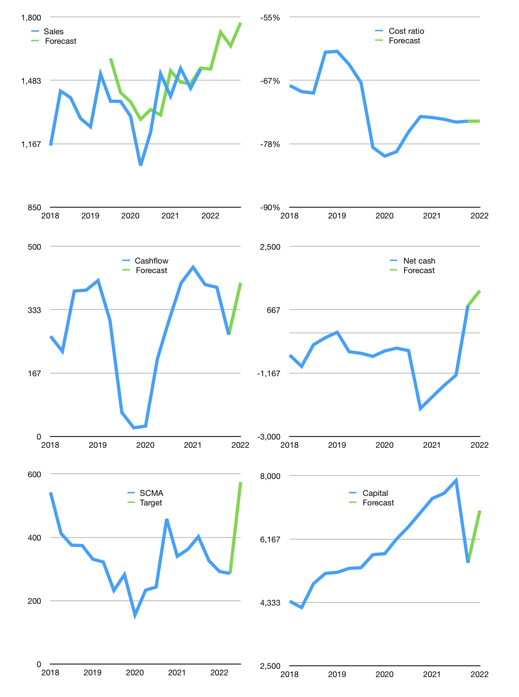
Financial model
Rpbn |  |  |  | 4Q 2022
Cashflow | 1% |  |  | 4%
Sales growth | 0% | 12% | -4% | 7%
Sales | 1,540 | 1,724 | 1,655 | 1,771
Cost ratio | -74% | -74% | -74% | -74%
Cash costs | -1,142 | -1,279 | -1,228 | -1,314
Operating | 397 | 445 | 427 | 457
Investment | -53 | -53 | -53 | -53
Finance | -344 | -392 | -374 | -404
Liabilities | -123 | -116 | -111 | -105
Revolver | 23 | 3 | 2 | -12
Equity | -245 | -278 | -266 | -287
Before revolver | -23 | -3 | -2 | 12
Beginning | 3,232 | 3,232 | 3,232 | 3,232
Change | 0 | 0 | 0 | 0
Ending | 3,232 | 3,232 | 3,232 | 3,232
Profit
Non cash costs | -47 | -47 | -47 | -47
Net profit | 350 | 398 | 380 | 410
Balance Sheet
Other assets | 9,117 | 9,170 | 9,224 | 9,277
Depreciation | 2,430 | 2,478 | 2,525 | 2,572
Net other assets | 6,687 | 6,693 | 6,699 | 6,704
Liabilities | 2,329 | 2,213 | 2,102 | 1,997
Revolver | 23 | 26 | 29 | 17
Equity | 7,566 | 7,685 | 7,799 | 7,922
Check | 0 | 0 | 0 | 0
Net cash | 879 | 993 | 1,101 | 1,218
Valuation
Capital | 5,822 | 6,214 | 6,588 | 6,992
Current value |  |  |  | 18,100,882,415,616
Current value |  |  |  | 18,101
P/assets |  |  |  | 1.82
Yield |  |  |  | 6%
Cashflow |  |  |  | 1,514
Payback |  |  |  | 4
Valuation |  |  |  | 12
Forecast |  |  |  | 24
Value |  |  |  | 36,347
Shares |  |  |  | 63
Target |  |  |  | 574
Current |  |  |  | 286
V target |  |  |  | 101%
12 month growth |  |  |  | 2%
Sales forecasts |  |  |  | 4%

Capital
Capital
Rpbn | Liabilities | Equity | Total | Liabilities | Equity | Total
2009 |  | -243 | -243 | 0 | -243 | -243
2010 | 0 | -439 | -439 | 0 | -682 | -682
2011 | 0 | -896 | -896 | 0 | -1,578 | -1,578
2012 | -529 | -244 | -773 | -529 | -1,822 | -2,351
2013 | 0 | -933 | -933 | -529 | -2,755 | -3,284
2014 | -56 | -755 | -811 | -585 | -3,510 | -4,095
2015 | -119 | -1,830 | -1,949 | -704 | -5,340 | -6,044
2016 | -151 | -1,217 | -1,368 | -855 | -6,557 | -7,412
2017 | -146 | -851 | -997 | -1,001 | -7,408 | -8,409
2018 | -47 | -804 | -851 | -1,048 | -8,212 | -9,260
2019 | -3 | -536 | -539 | -1,051 | -8,748 | -9,799
2020 | 1,301 | -2,793 | -1,492 | 250 | -11,541 | -11,291
2021 | -912 | -17 | -929 | -662 | -11,558 | -12,220

SCMA HAS PAID 12 TRILLION RUPIAH
 |  |  |  |  |  |  | Table 1

 |  |  |  |  |  |  |  | SCMA | capital history
 |  |  |  |  |  |  |  | 2022-03-01 | 9 | 2022
 |  |  |  |  |  |  |  | Start date | 2009
 |  |  |  |  |  |  |  | Number of quarters | 52
 |  |  |  |  |  |  |  | Liabilities | -662 | billion rupiah | paid
 |  |  |  |  |  |  |  | SCMA | has | paid | liabilities | by an average | -55.166666667 | billion rupiah | every year
 |  |  |  |  |  |  |  | In the last 5 years | liabilities | were | raised | by an average | 38.6 | billion rupiah | every year
 |  |  |  |  |  |  |  | The peak in cumulative liabilities | was | 250 | billion rupiah | in | 2020
 |  |  |  |  |  |  |  | As of the latest quarter | liabilities | cumulative | are | down | to | -662 | billion rupiah
 |  |  |  |  |  |  |  | Equity | -11558.2 | billion rupiah | paid
 |  |  |  |  |  |  |  | SCMA | has | paid | equity | by an average | -942.93333333 | billion rupiah | every year
 |  |  |  |  |  |  |  | In the last 5 years | equity | was | paid | by an average | -1000.24 | billion rupiah | every year
 |  |  |  |  |  |  |  | The peak in cumulative equity | was | -682 | billion rupiah | in | 2009
 |  |  |  |  |  |  |  | As of the latest quarter | equity | cumulative | is | down | to | -11558.2 | billion rupiah
 |  |  |  |  |  |  |  | Total capital | -12220.2 | billion rupiah | paid
 |  |  |  |  |  |  |  | SCMA | has | paid | total capital | by an average | -998.1 | billion rupiah | every year
 |  |  |  |  |  |  |  | In the last 5 years | total capital | was | paid | by an average | -961.64 | billion rupiah | every year
 |  |  |  |  |  |  |  | The peak in cumulative total capital | was | -682 | billion rupiah | in | 2009
 |  |  |  |  |  |  |  | As of the latest quarter | total capital | cumulative | is | down | to | -12220.2 | billion rupiah

