Model
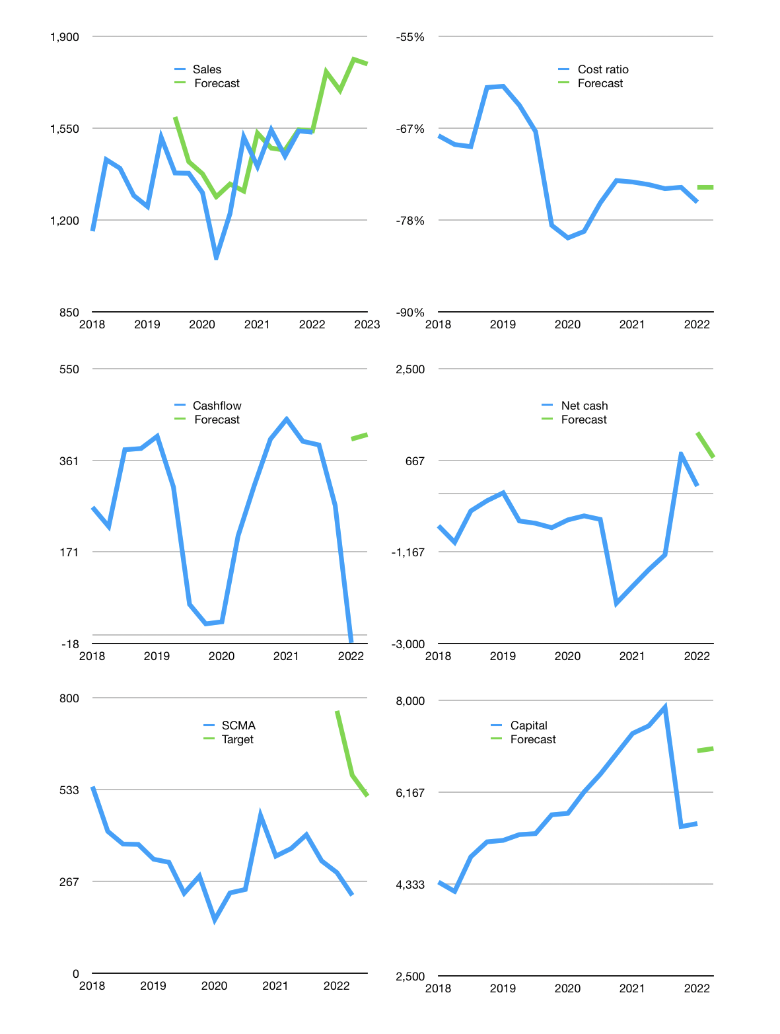
Financial model
Rpbn |  |  | 4Q 2022
Cashflow | 2% |  |  | 4%
Sales growth | 15% | -4% | 7% | -1%
Sales | 1,765 | 1,694 | 1,813 | 1,795
Cost ratio | -74% | -74% | -74% | -74%
Cash costs | -1,309 | -1,257 | -1,345 | -1,331
Operating | 456 | 437 | 468 | 463
Investment | -50 | -50 | -50 | -50
Finance | -383 | -365 | -380 | -371
Liabilities | -120 | -114 | -108 | -103
Revolver | 0 | 0 | 0 | 0
Payout | 0.7
Equity | -264 | -252 | -272 | -269
Before revolver | 23 | 22 | 39 | 42
Beginning | 2,542 | 2,565 | 2,587 | 2,625
Change | 23 | 22 | 39 | 42
Ending | 2,565 | 2,587 | 2,625 | 2,668
Profit
Non cash costs | -50 | -50 | -50 | -50
Net profit | 406 | 387 | 418 | 413
Balance Sheet
Other assets | 10,084 | 10,133 | 10,183 | 10,233
Depreciation | 2,482 | 2,532 | 2,582 | 2,632
Net other assets | 7,602 | 7,601 | 7,601 | 7,601
Liabilities | 2,273 | 2,160 | 2,052 | 1,949
Revolver | 0 | 0 | 0 | 0
Equity | 7,893 | 8,029 | 8,175 | 8,320
Check | 0 | 0 | 0 | 0
Net cash | 291 | 427 | 574 | 719
Valuation
Capital | 5,922 | 6,288 | 6,668 | 7,039
Current value |  |  |  | 14,284,872,482,816
Current value |  |  |  | 14,285
P/assets |  |  |  | 1.39
Yield |  |  |  | 7%
Cashflow |  |  |  | 1,626
Payback |  |  |  | 5
Valuation |  |  |  | 9
Forecast |  |  |  | 20
Value |  |  |  | 32,510
Shares |  |  |  | 63
Target |  |  |  | 514
Current |  |  |  | 226
V target |  |  |  | 128%
12 month growth |  |  |  | 9%
Sales forecasts |  |  |  | 4%

Capital
Capital
Rpbn | Liabilities | Equity | Total | Liabilities | Equity | Total
2009 |  | -243 | -243 | 0 | -243 | -243
2010 | 0 | -439 | -439 | 0 | -682 | -682
2011 | 0 | -896 | -896 | 0 | -1,578 | -1,578
2012 | -529 | -244 | -773 | -529 | -1,822 | -2,351
2013 | 0 | -933 | -933 | -529 | -2,755 | -3,284
2014 | -56 | -755 | -811 | -585 | -3,510 | -4,095
2015 | -119 | -1,830 | -1,949 | -704 | -5,340 | -6,044
2016 | -151 | -1,217 | -1,368 | -855 | -6,557 | -7,412
2017 | -146 | -851 | -997 | -1,001 | -7,408 | -8,409
2018 | -47 | -804 | -851 | -1,048 | -8,212 | -9,260
2019 | -3 | -536 | -539 | -1,051 | -8,748 | -9,799
2020 | 1,301 | -2,793 | -1,492 | 250 | -11,541 | -11,291
2021 | -711 | 2,165 | 1,455 | -461 | -9,376 | -9,836 | -757 | -485 | 1,801
2022 | -61 | -1 | -62 | -521 | -9,377 | -9,898

SCMA HAS PAID 12 TRILLION RUPIAH
 |  |  |  |  |  |  |  |  |  | Table 1

 |  |  |  |  |  |  |  |  |  |  | SCMA | capital history
 |  |  |  |  |  |  |  |  |  |  | 2022-03-01 | 9 | 2022
 |  |  |  |  |  |  |  |  |  |  | Start date | 2009
 |  |  |  |  |  |  |  |  |  |  | Number of quarters | 52
 |  |  |  |  |  |  |  |  |  |  | Liabilities | -460.6 | billion rupiah | paid
 |  |  |  |  |  |  |  |  |  |  | SCMA | has | paid | liabilities | by an average | -38.383333333 | billion rupiah | every year
 |  |  |  |  |  |  |  |  |  |  | In the last 5 years | liabilities | were | raised | by an average | 78.88 | billion rupiah | every year
 |  |  |  |  |  |  |  |  |  |  | The peak in cumulative liabilities | was | 250 | billion rupiah | in | 2020
 |  |  |  |  |  |  |  |  |  |  | As of the latest quarter | liabilities | cumulative | are | down | to | -460.6 | billion rupiah
 |  |  |  |  |  |  |  |  |  |  | Equity | -9375.8 | billion rupiah | paid
 |  |  |  |  |  |  |  |  |  |  | SCMA | has | paid | equity | by an average | -761.06666667 | billion rupiah | every year
 |  |  |  |  |  |  |  |  |  |  | In the last 5 years | equity | was | paid | by an average | -563.76 | billion rupiah | every year
 |  |  |  |  |  |  |  |  |  |  | The peak in cumulative equity | was | -682 | billion rupiah | in | 2009
 |  |  |  |  |  |  |  |  |  |  | As of the latest quarter | equity | cumulative | is | down | to | -9375.8 | billion rupiah
 |  |  |  |  |  |  |  |  |  |  | Total capital | -9836.4 | billion rupiah | paid
 |  |  |  |  |  |  |  |  |  |  | SCMA | has | paid | total capital | by an average | -799.45 | billion rupiah | every year
 |  |  |  |  |  |  |  |  |  |  | In the last 5 years | total capital | was | paid | by an average | -484.88 | billion rupiah | every year
 |  |  |  |  |  |  |  |  |  |  | The peak in cumulative total capital | was | -682 | billion rupiah | in | 2009
 |  |  |  |  |  |  |  |  |  |  | As of the latest quarter | total capital | cumulative | is | down | to | -9836.4 | billion rupiah

