Model
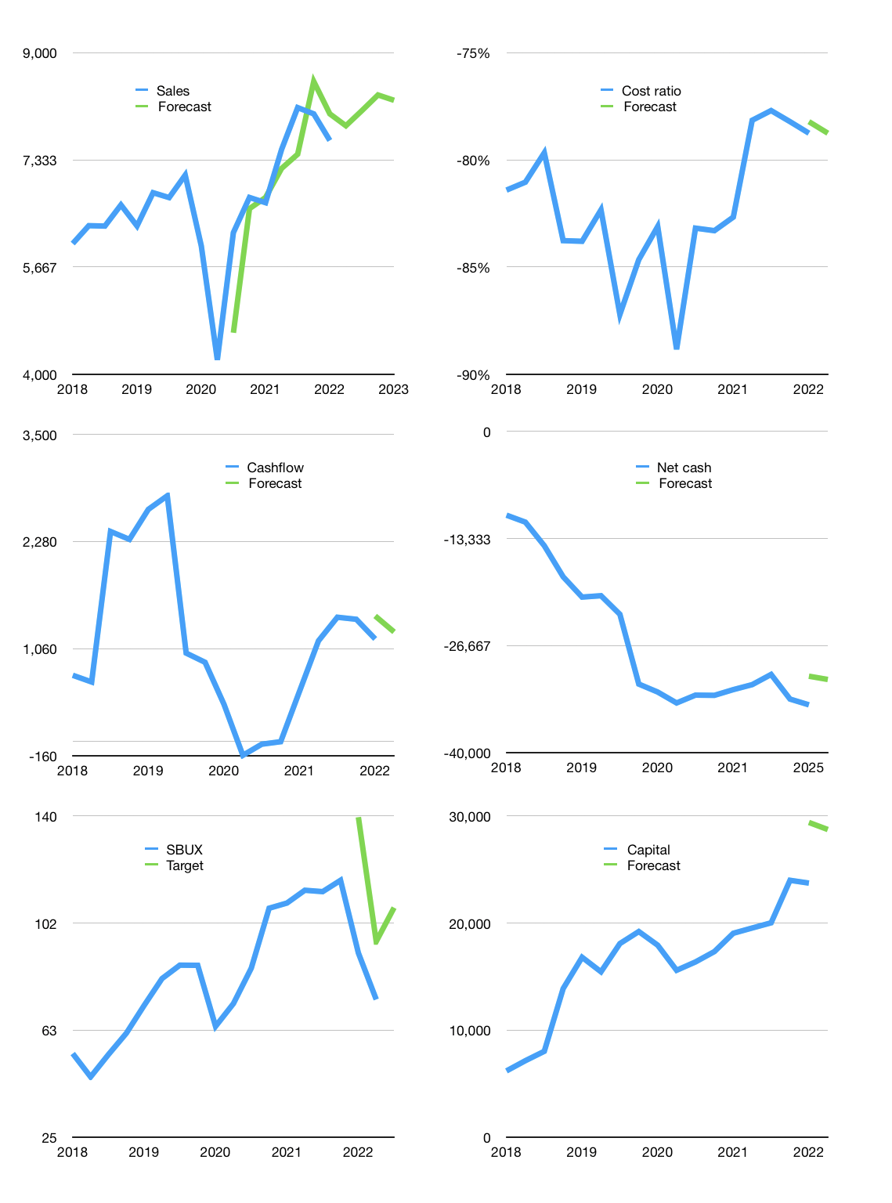
Financial model
$m |  |  | 4Q 2022
Cashflow | 4% |  |  | 2%
Growth | 3% | 3% | 3% | -1%
Sales | 7,865 | 8,101 | 8,344 | 8,261
Cost ratio | -79% | -79% | -79% | -79%
Cash costs | -6,194 | -6,380 | -6,571 | -6,505
Operating | 1,671 | 1,721 | 1,773 | 1,755
Investment | -480 | -480 | -480 | -480
Finance | -1,191 | -1,241 | -1,293 | -1,275
Liabilities | -1,889 | -1,795 | -1,705 | -1,620
Revolver | 1,129 | 1,009 | 894 | 817
Payout | 0.5
Equity | -431 | -456 | -482 | -473
Before revolver | -1,129 | -1,009 | -894 | -817
Beginning | 3,750 | 3,750 | 3,750 | 3,750
Change | 0 | 0 | 0 | 0
Ending | 3,750 | 3,750 | 3,750 | 3,750
Profit
Non cash costs | -810 | -810 | -810 | -810
Net profit | 862 | 912 | 963 | 946
Balance sheet
Other assets | 36,056 | 36,536 | 37,016 | 37,496
Depreciation | 11,113 | 11,923 | 12,732 | 13,542
Net other assets | 24,943 | 24,613 | 24,284 | 23,954
Liabilities | 35,894 | 34,099 | 32,394 | 30,774
Revolver | 1,129 | 2,138 | 3,032 | 3,849
Equity | -8,330 | -7,874 | -7,393 | -6,920
Check | 0 | 0 | 0 | 0
Net cash | -33,273 | -32,488 | -31,676 | -30,874
Valuation
Capital | 24,924 | 26,165 | 27,458 | 28,733
Current value |  |  |  | 86,697,772,025
Current value |  |  |  | 86,698
P/assets |  |  |  | 3.1
Yield |  |  |  | 2%
Cashflow |  |  |  | 5,000
Payback |  |  |  | 5
Valuation |  |  |  | 17
Forecast |  |  |  | 25
Value |  |  |  | 125,010
Shares |  |  |  | 1,166
Target |  |  |  | 107
Current |  |  |  | 74
V target |  |  |  | 44%
12 month growth |  |  |  | 15%
Sales forecasts |  |  |  | -3%

