Model
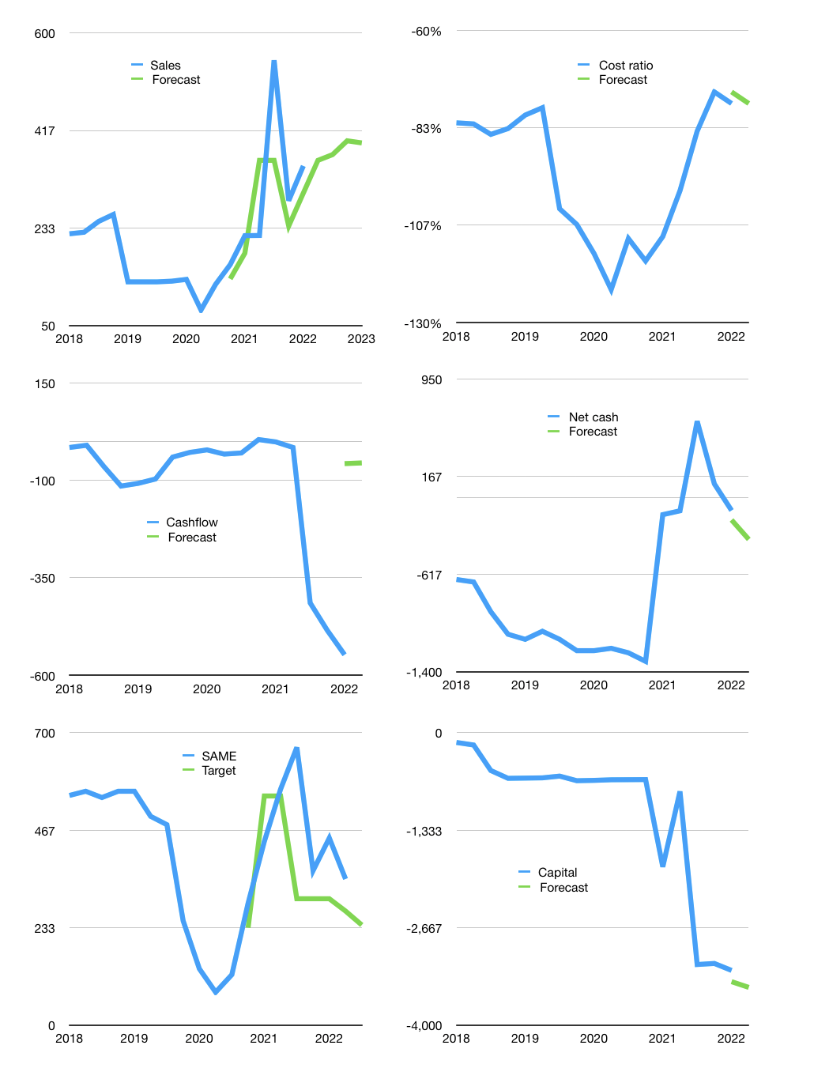
Financial model
Rpbn |  |  | 4Q 2022
Cashflow | 31% |  |  | 3%
Growth | 3% | 3% | 7% | -1%
Sales | 361 | 371 | 397 | 393
Cost ratio | -78% | -78% | -78% | -78%
Cash costs | -279 | -288 | -308 | -305
Operating | 81 | 84 | 89 | 88
Investment | -144 | -144 | -144 | -144
Finance | 63 | 60 | 54 | 55
Liabilities | -28 | -27 | -26 | -24
Revolver | 91 | 87 | 80 | 79
Payout | 0.0
Equity | 0 | 0 | 0 | 0
Before revolver | -91 | -87 | -80 | -79
Beginning | 461 | 461 | 461 | 461
Change | 0 | 0 | 0 | 0
Ending | 461 | 461 | 461 | 461
Profit
Non cash costs | -50 | -50 | -50 | -50
Profit | 31 | 34 | 39 | 38
Balance sheet
Other assets | 5,558 | 5,702 | 5,845 | 5,989
Depreciation | 1,139 | 1,189 | 1,239 | 1,289
Net other assets | 4,419 | 4,513 | 4,606 | 4,700
Liabilities | 538 | 511 | 485 | 461
Revolver | 91 | 178 | 258 | 337
Equity | 4,251 | 4,285 | 4,324 | 4,362
Check | 0 | 0 | 0 | 0
Net cash | -168 | -228 | -282 | -338
Valuation
Capital | -3,313 | -3,373 | -3,427 | -3,483
Current value |  |  |  | 5,995,360,157,696
Current value |  |  |  | 5,995
P/assets |  |  |  | 1.2
Yield |  |  |  | 0%
Cashflow |  |  |  | 342
Payback |  |  |  | 13
Valuation |  |  |  | 18
Forecast |  |  |  | 12
Value |  |  |  | 4,109
Shares |  |  |  | 17
Target |  |  |  | 240
Current |  |  |  | 350
V target |  |  |  | -31%
12 month growth |  |  |  | 60%
Sales forecast |  |  |  | -12%

