Model
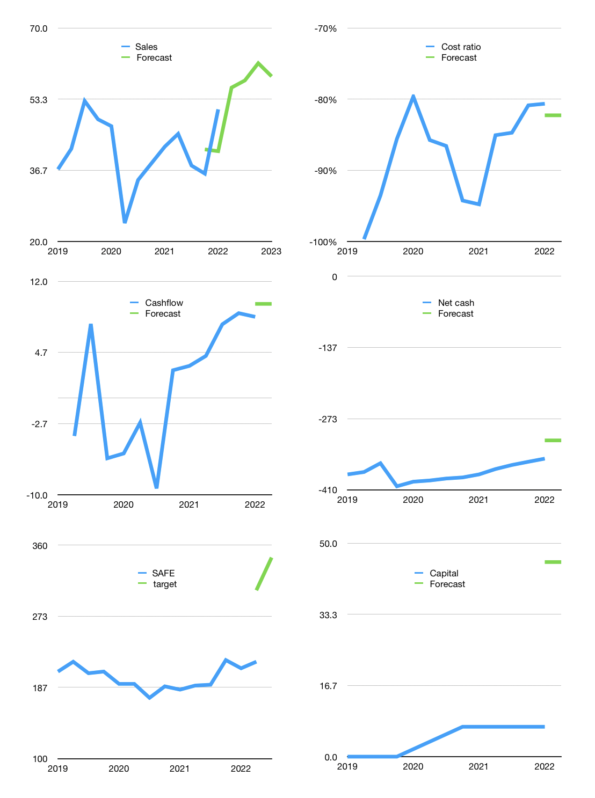
Model
Rpbn |  |  | 4Q 2021
Cashflow | 7% |  |  | 4%
Growth | 10% | 3% | 7% | -5%
Sales | 56 | 58 | 62 | 59
Cost ratio | -82% | -82% | -82% | -82%
Cash costs | -46 | -47 | -51 | -48
Operating | 10 | 10 | 11 | 10
Investment | -1 | -1 | -1 | -1
Liabilities | -18 | -17 | -16 | -16
Revolver | 10 | 9 | 7 | 7
Payout | 0.3
Equity | -1 | -1 | -1 | -1
Before revolver | -10 | -9 | -7 | -7
Finance | -9 | -9 | -10 | -10
Beginning | 12 | 12 | 12 | 12
Change | 0 | 0 | 0 | 0
Ending | 12 | 12 | 12 | 12
Profit
Non cash costs | -7.4 | -7.4 | -7.4 | -7.4
Profit | 2.5 | 2.8 | 3.5 | 3.0
Balance sheet
Other assets | 351.7 | 352.5 | 353.2 | 353.9
Depreciation | 74.8 | 82.3 | 89.7 | 97.1
Net other assets | 276.9 | 270.2 | 263.5 | 256.8
Liabilities | 344.4 | 327.2 | 310.9 | 295.3
Revolver | 9.7 | 18.3 | 25.5 | 32.2
Equity | -64.9 | -62.9 | -60.4 | -58.4
Check | 0.0 | 0.0 | 0.0 | 0.0
Net cash | -341.8 | -333.1 | -324.0 | -315.2
Valuation
Capital | 16.2 | 25.7 | 35.9 | 45.6
Current value |  |  |  | 134101615232.0
Current value |  |  |  | 134.1
P/assets |  |  |  | 0.37
Yield |  |  |  | 2.6%
Cashflow |  |  |  | 39
Payback |  |  |  | 7
Valuation |  |  |  | 3
Forecast |  |  |  | 6
Value |  |  |  | 212
Shares |  |  |  | 0.6
Target |  |  |  | 345
SAFE |  |  |  | 218
V target |  |  |  | 58%
12 month growth |  |  |  | 21%
Sales forecasts |  |  |  | -5%

Capital
Capital
 | Liabilities | Equity | Total | Liabilities | Equity | Total
2012 | -7 | 7 | 0
2013 | -5 | 13 | 7
2014 | -5 | 18 | 13
2015 | 1 | 17 | 18
2016 | 6 | 11 | 17
2017 | 39 | -28 | 11
2018 | 334 | -362 | -28
2019 | 3 | -365 | -362
2020 | -12 | -353 | -365
2021 | -52 | -301 | -353
2022

