Model
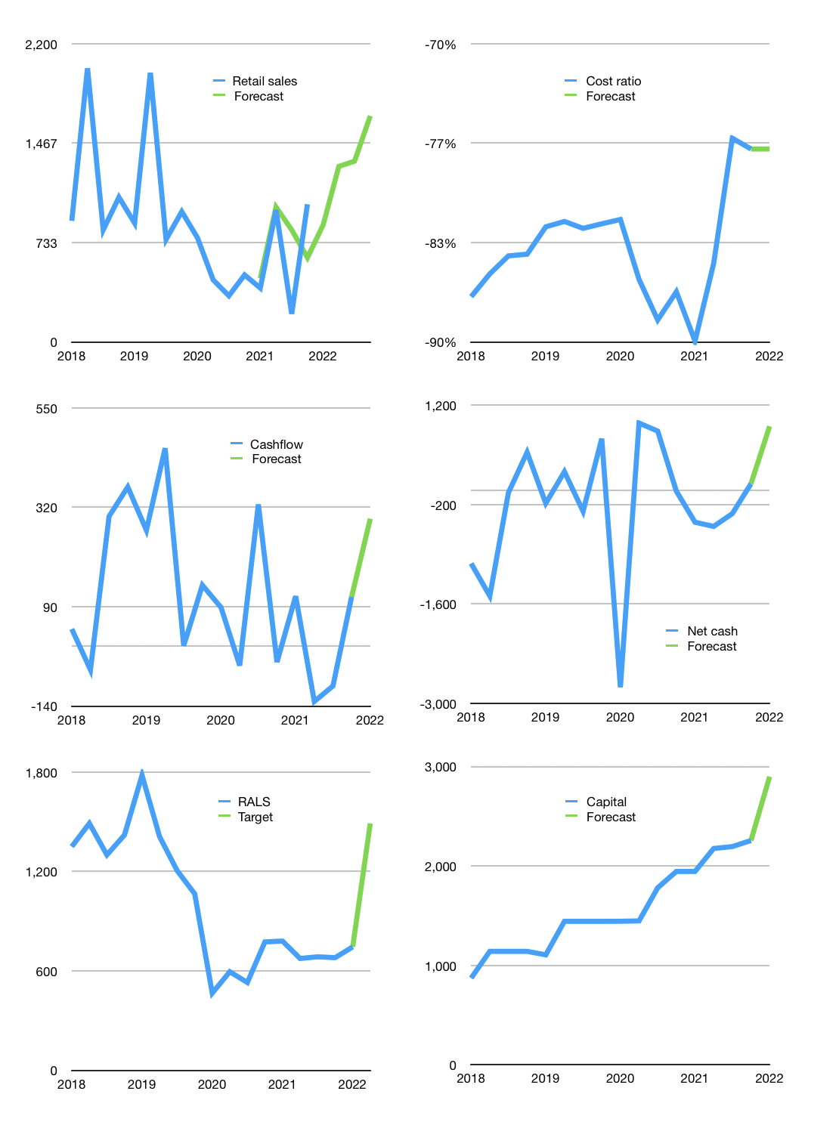
Financial model
Rpbn |  |  |  | 4Q 2022
Cash flow | 109% |  |  | 16%
Growth | -15% | 50% | 3% | 25%
Sales | 863 | 1,295 | 1,334 | 1,667
Cost ratio | -77% | -77% | -77% | -77%
Cash cost | -665 | -998 | -1028 | -1285
Operating | 198 | 297 | 306 | 382
Investment | 1 | 1 | 1 | 1
Leases | -3 | -3 | -3 | -3
Finance | -120 | -165 | -166 | -201
Liabilities | -74 | -71 | -67 | -64
Revolver | 0 | 0 | 0 | 0
Equity | -45 | -95 | -99 | -137
Before revolver | 79 | 132 | 140 | 182
Beginning | 1,582 | 1,660 | 1,792 | 1,932
Change | 79 | 132 | 140 | 182
Ending | 1,660 | 1,792 | 1,932 | 2,114
Profit
Non cash costs | -108 | -108 | -108 | -108
Net profit | 91 | 190 | 198 | 275
Balance sheet
Other assets | 6,905 | 6,905 | 6,904 | 6,904
Depreciation | 3,510 | 3,618 | 3,725 | 3,833
Net other assets | 3,395 | 3,287 | 3,179 | 3,071
Liabilities | 1,415 | 1,344 | 1,277 | 1,213
Revolver | 0 | 0 | 0 | 0
Equity | 3,641 | 3,736 | 3,835 | 3,973
Check | 0 | 0 | 0 | 0
Net cash | 246 | 449 | 656 | 901
Valuation
Capital | 2,373 | 2,536 | 2,699 | 2,898
Current value |  |  |  | 5,286,520,160,256
Current value |  |  |  | 5,287
P/assets |  |  |  | 1.02
Yield |  |  |  | 7%
Cashflow |  |  |  | 1,175
Payback |  |  |  | 3
Valuation |  |  |  | 5
Forecast |  |  |  | 9
Value |  |  |  | 10,571
Shares |  |  |  | 7
Target |  |  |  | 1,490
Current |  |  |  | 745
V target |  |  |  | 100%
12 month growth |  |  |  | 105%
Sales forecasts |  |  |  | 12%

