Model
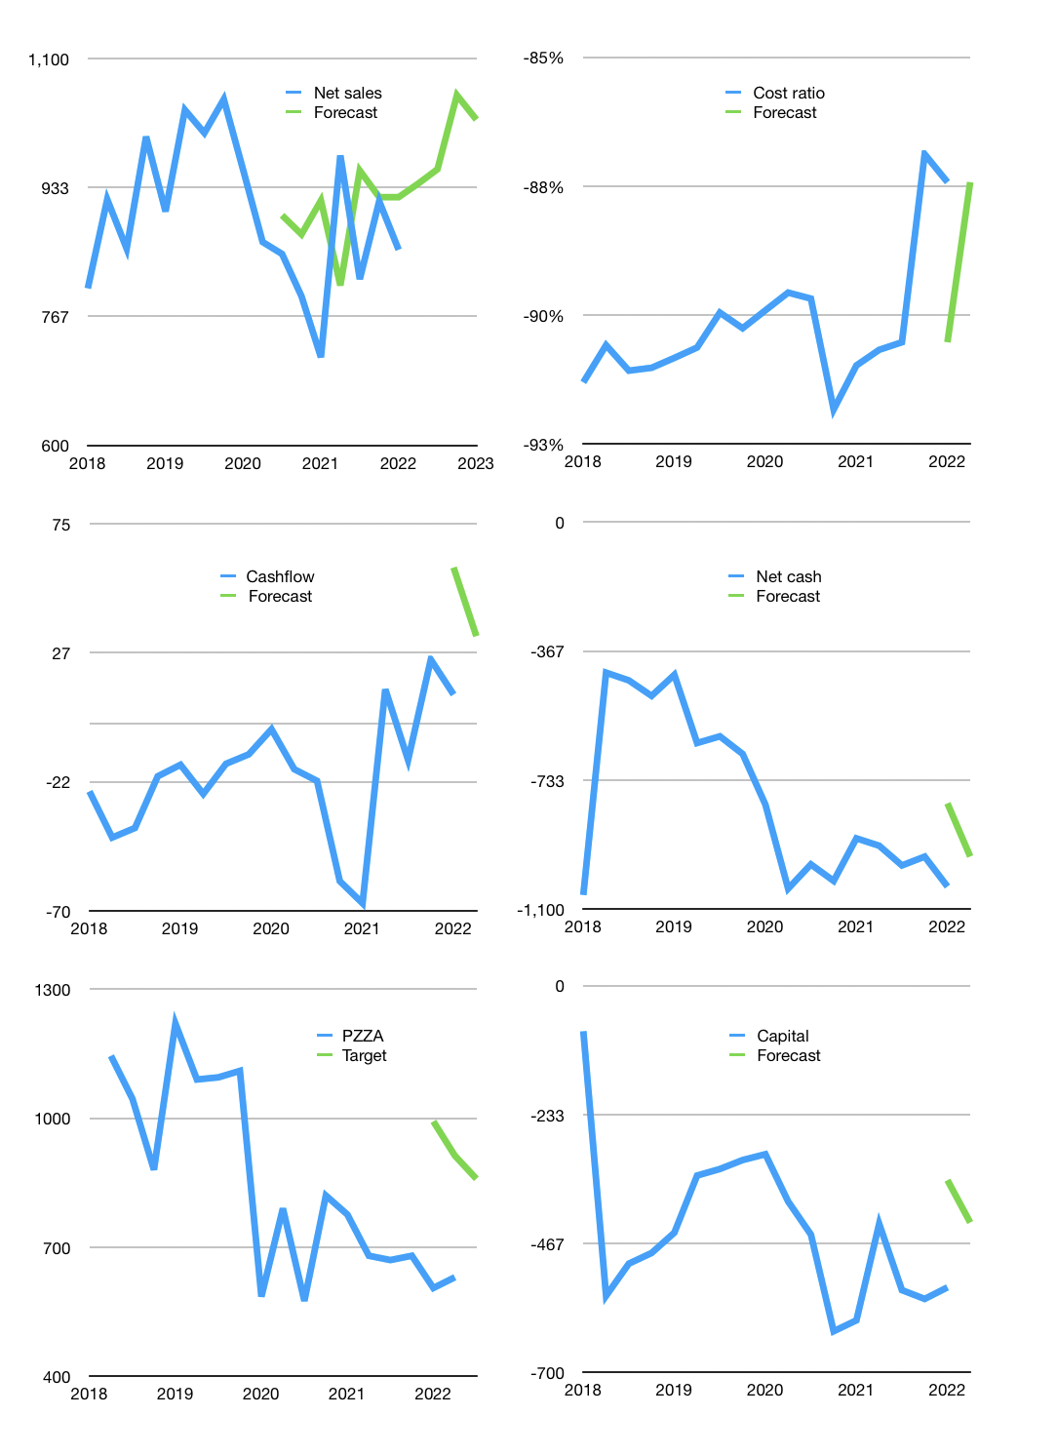
Financial model
Rp bn |  |  | 4Q 2022
Cashflow | 6% |  |  | 5%
Growth | 10% | 2% | 10% | -3%
Sales | 938 | 957 | 1,053 | 1,021
Cost ratio | -88% | -88% | -88% | -88%
Cash costs | -822 | -838 | -922 | -894
Operating | 116 | 119 | 131 | 127
Investment | -94 | -94 | -94 | -94
Finance | -23 | -25 | -37 | -33
Liabilities | -54 | -255 | -191 | -144
Revolver | 37 | 237 | 165 | 120
Payout | 0.3
Equity | -6 | -7 | -10 | -9
Before revolver | -37 | -237 | -165 | -120
Beginning | 39 | 39 | 39 | 39
Change | 0 | 0 | 0 | 0
Ending | 39 | 39 | 39 | 39
Profit
Non cash costs | -97 | -97 | -97 | -97
Net profit | 20 | 22 | 34 | 30
Balance sheet
Other assets | 3,993 | 4,087 | 4,181 | 4,274
Depreciation | 1,794 | 1,890 | 1,987 | 2,083
Net LT assets | 2,199 | 2,197 | 2,194 | 2,191
Liabilities | 1,021 | 766 | 574 | 431
Revolver | 37 | 274 | 439 | 559
Equity | 1,180 | 1,196 | 1,220 | 1,241
Check | 0 | 0 | 0 | 0
Net cash | -1,019 | -1,001 | -974 | -951
Valuation
Capital | -523 | -498 | -461 | -428
Current value |  |  |  | 1,893,458,649,600
Current value |  |  |  | 1,893
P/assets |  |  |  | 0.85
Yield |  |  |  | 2%
Cashflow |  |  |  | 117
Payback |  |  |  | 19
Valuation |  |  |  | 16
Forecast |  |  |  | 22
Value |  |  |  | 2,582
Shares |  |  |  | 3
Target |  |  |  | 859
Current |  |  |  | 630
V target |  |  |  | 36%
12 month growth |  |  |  | 19%
Sales forecasts |  |  |  | 6%

