Model
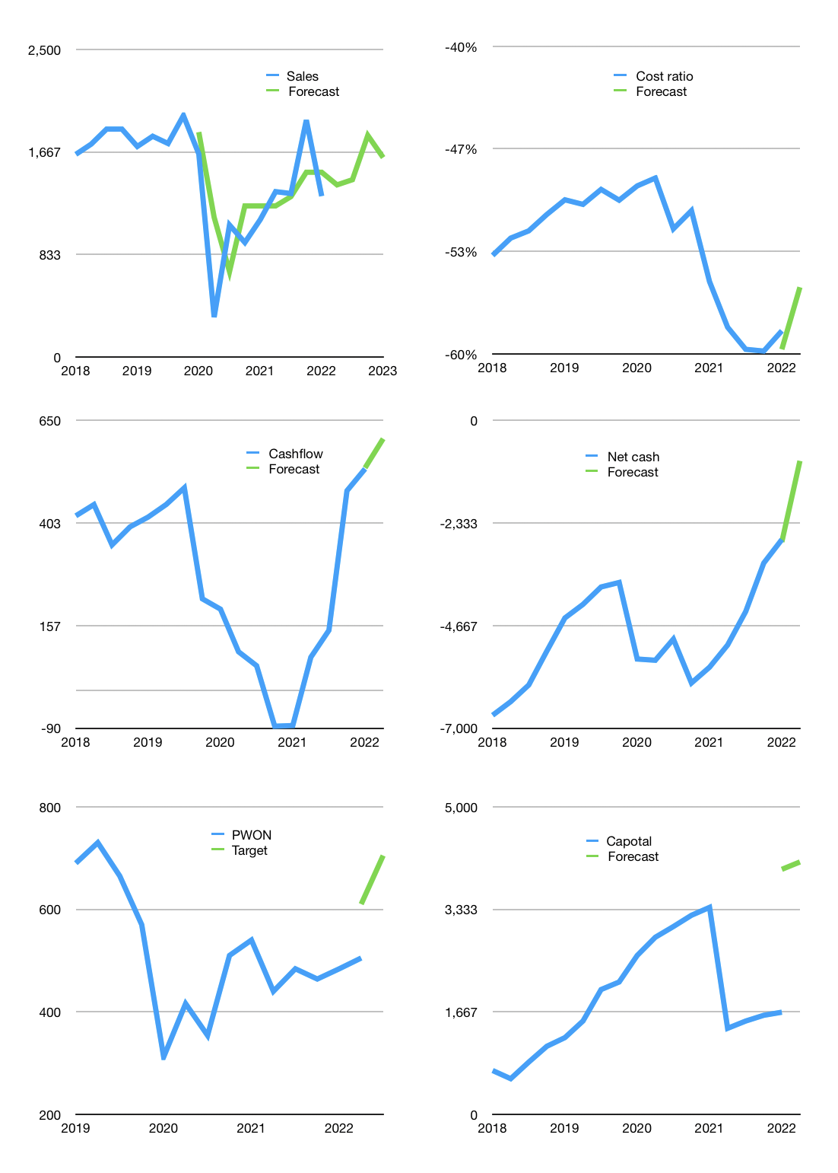
Financial model
Rpbn |  |  | 4Q 2022
Cashflow | 8% |  |  | 6%
Growth | 7% | 3% | 25% | -10%
Sales | 1,399 | 1,441 | 1,801 | 1,621
Costs ratio | -56% | -56% | -56% | -56%
Cash costs | -779 | -802 | -1,003 | -902
Operating | 620 | 639 | 798 | 718
Investment | -88 | -88 | -88 | -88
Finance | -624 | -605 | -630 | -584
Liabilities | -487.35 | -463 | -440 | -418
Revolver | 0 | 0 | 0 | 0
Payout | 0.3
Equity | -136 | -142 | -190 | -166
Before revolver | 6,947 | 6,893 | 6,973 | 7,020
Beginning | 7,038 | 6,947 | 6,893 | 6,973
Change | -91 | -54 | 81 | 47
Ending | 6,947 | 6,893 | 6,973 | 7,020
Profit
Non cash costs | -165 | -165 | -165 | -165
Net profit | 455 | 473 | 633 | 553
Balance sheet
Other assets | 27,171 | 27,258 | 27,346 | 27,434
Depreciation | 4,952 | 5,118 | 5,283 | 5,448
Net other assets | 22,218 | 22,141 | 22,063 | 21,986
Liabilities | 9,260 | 8,797 | 8,357 | 7,939
Revolver | 0 | 0 | 0 | 0
Equity | 19,905 | 20,237 | 20,680 | 21,067
Check | 0 | 0 | 0 | 0
Net cash | -2,313 | -1,904 | -1,383 | -919
Valuation
Capital | 2,284 | 2,889 | 3,519 | 4,103
Current value |  |  |  | 24,320,598,323,200
Current value |  |  |  | 24,321
P/assets |  |  |  | 0.84
Yield |  |  |  | 3%
Cashflow |  |  |  | 2,425
Payback |  |  |  | 9
Valuation |  |  |  | 10
Forecast |  |  |  | 14
Value |  |  |  | 33,944
Shares |  |  |  | 48
Target |  |  |  | 705
Current |  |  |  | 505
V target |  |  |  | 40%
12 month growth |  |  |  | 17%
Sales v forecast |  |  |  | 6%

