Model
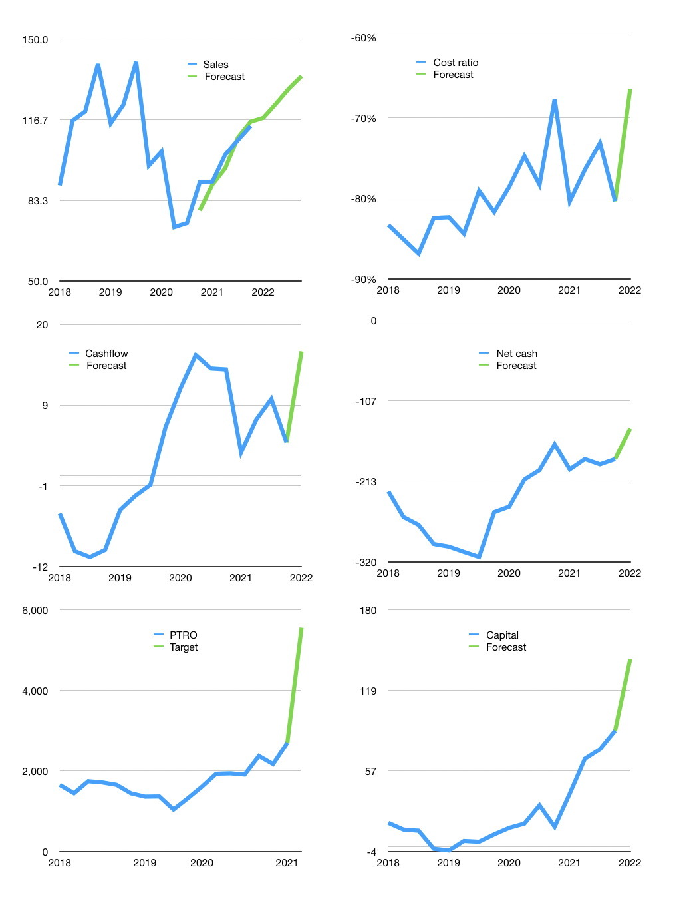
Financial model
$m |  |  |  | 4Q 2022
Cashflow | 6% |  |  | 4%
Growth | 3% | 5% | 5% | 4%
Sales | 117.5 | 123.4 | 129.6 | 134.8
Cost ratio | -66% | -66% | -66% | -66%
Cash costs | -78.1 | -82.0 | -86.1 | -89.5
Operating | 39.4 | 41.4 | 43.5 | 45.2
Investment | -25.2 | -25.2 | -25.2 | -25.2
Leases | -3.6 | -3.6 | -3.6 | -3.6
Finance | -14.2 | -16.2 | -18.3 | -20.0
Liabilities | -13.7 | -13.0 | -12.3 | -11.7
Equity | -6.2 | -6.8 | -7.4 | -7.9
Before revolver | -5.6 | -3.5 | -1.4 | 0.4
Revolver | 5.6 | 3.5 | 1.4 | -0.4
Beginning | 89.0 | 89.0 | 89.0 | 89.0
Change | 0.0 | 0.0 | 0.0 | 0.0
Ending | 89.0 | 89.0 | 89.0 | 89.0
Profit
Non cash costs | -18.8 | -18.8 | -18.8 | -18.8
Profit | 20.6 | 22.6 | 24.7 | 26.4
Balance sheet
Other assets | 910.2 | 935.4 | 960.6 | 985.8
Depreciation | 459.8 | 478.6 | 497.4 | 516.2
Net other assets | 450.4 | 456.8 | 463.2 | 469.6
Liabilities | 259.4 | 246.4 | 234.1 | 222.4
Revolver | 5.6 | 9.1 | 10.6 | 10.2
Equity | 274.5 | 290.3 | 307.6 | 326.1
Check | 0 | 0 | 0 | 0
Net cash | -176 | -167 | -156 | -144
Valuation
Rupiah |  |  |  | 14
Capital | 99 | 111 | 126 | 142
Current value |  |  |  | 2,677,492,800,000
Current value |  |  |  | 191
P/assets |  |  |  | 0.34
Yield |  |  |  | 15%
Cashflow |  |  |  | 54
Payback |  |  |  | 8
Valuation |  |  |  | 4
Forecast |  |  |  | 7
Value |  |  |  | 381
Shares |  |  |  | 1
Target |  |  |  | 5,376
Current |  |  |  | 2,700
V target |  |  |  | 99%
12 month growth |  |  |  | 26%
Sales forecasts |  |  |  | -3%

