Model
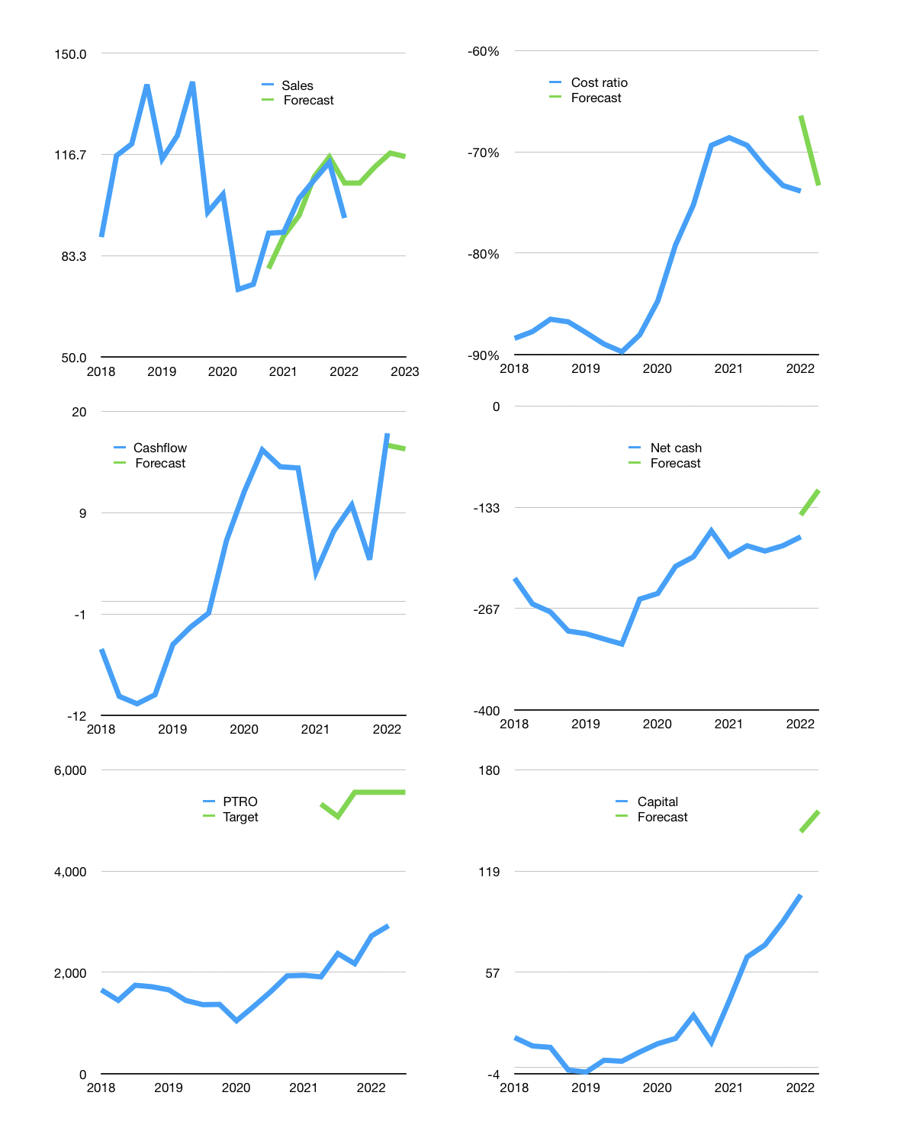
Financial model
$m |  |  | 4Q 2022
Cashflow | 2% |  |  | 5%
Growth | 12% | 5% | 4% | -1%
Sales | 107.3 | 112.7 | 117.2 | 116.0
Cost ratio | -73% | -73% | -73% | -73%
Cash costs | -78.7 | -82.6 | -85.9 | -85.1
Operating | 28.6 | 30.1 | 31.3 | 30.9
Investment | -11.5 | -11.5 | -11.5 | -11.5
Leases | -3.4 | -3.4 | -3.4 | -3.4
Finance | -16.6 | -16.3 | -16.0 | -15.3
Liabilities | -13.7 | -13.0 | -12.4 | -11.7
Revolver | 0.0 | 0.0 | 0.0 | 0.0
Payout | 0.3
Equity | -2.9 | -3.3 | -3.7 | -3.6
Before revolver | 0.5 | 2.2 | 3.7 | 4.1
Beginning | 101.7 | 102.2 | 104.5 | 108.2
Change | 0.5 | 2.2 | 3.7 | 4.1
Ending | 102.2 | 104.5 | 108.2 | 112.3
Profit
Non cash costs | -19.0 | -19.0 | -19.0 | -19.0
Profit | 9.6 | 11.1 | 12.3 | 11.9
Balance sheet
Other assets | 906.8 | 918.3 | 929.8 | 941.3
Depreciation | 479.0 | 498.0 | 517.0 | 536.0
Net other assets | 427.8 | 420.3 | 412.8 | 405.3
Liabilities | 260.3 | 247.3 | 234.9 | 223.2
Revolver | 0.0 | 0.0 | 0.0 | 0.0
Equity | 269.7 | 277.5 | 286.1 | 294.4
Check | 0 | 0 | 0 | 0
Net cash | -158 | -143 | -127 | -111
Valuation
Rupiah |  |  |  | 14
Capital | 117 | 130 | 143 | 155
Current value |  |  |  | 2,895,661,760,512
Current value |  |  |  | 207
P/assets |  |  |  | 0.40
Yield |  |  |  | 7%
Cashflow |  |  |  | 61
Payback |  |  |  | 7
Valuation |  |  |  | 3
Forecast |  |  |  | 7
Value |  |  |  | 429
Shares |  |  |  | 1
Target |  |  |  | 6,059
Current |  |  |  | 2,920
V target |  |  |  | 107%
12 month growth |  |  |  | 5%
Sales forecasts |  |  |  | -1%

Capital
Capital
$m | Liabilities | Equity | Total | Liabilities | Equity | Total
2008 | 3 | 0 | 3 | 3 | 0 | 3
2009 | 3 | 0 | 3 | 6 | 0 | 6
2010 | 0 | -2 | -2 | 6 | -2 | 4
2011 | 62 | -14 | 48 | 68 | -16 | 52
2012 | 55 | -21 | 34 | 123 | -37 | 86
2013 | 0 | -7 | -7 | 123 | -44 | 79
2014 | 10 | -7 | 3 | 133 | -50 | 82
2015 | 9 | -2 | 7 | 142 | -52 | 90
2016 | -15 | 0 | -15 | 127 | -52 | 75
2017 | -6 | 0 | -6 | 121 | -52 | 69
2018 | 68 | -13 | 56 | 189 | -65 | 124
2019 | -24 | -9 | -33 | 165 | -74 | 91 | 8.541
2020 | -11 | -9 | -20 | 154 | -83 | 71 | -184.6852
2021 | -54 | -8 | -62 | 99 | -91 | 9 | -874.426

 |  |  |  |  |  |  |  | Table 1

PTRO FINALLY PAYING THE DEBT DOWN
 |  |  |  |  |  |  |  |  | Market value | IDR2895661760512
 |  |  |  |  |  |  |  |  | PTRO | capital history | -19% | of market value | a year paid since 2018.
 |  |  |  |  |  |  |  |  | 2022-03-30
 |  |  |  |  |  |  |  |  | Start date | 2008
 |  |  |  |  |  |  |  |  | Number of quarters | 56
 |  |  |  |  |  |  |  |  | Market value $m | 207
 |  |  |  |  |  |  |  |  | Liabilities | 99 | million dollars | raised
 |  |  |  |  |  |  |  |  | PTRO | has | raised | liabilities | by an average | 7 | million dollars | every year | 3% | of market value
 |  |  |  |  |  |  |  |  | In the last 5 years | liabilities | were | paid | by an average | -5 | million dollars | every year | -3% | of market value
 |  |  |  |  |  |  |  |  | The peak in cumulative liabilities | was | 189 | million dollars | in | 2018
 |  |  |  |  |  |  |  |  | As of the latest quarter | liabilities | cumulative | are | down | to | 99 | million dollars
 |  |  |  |  |  |  |  |  | Equity | -91 | million dollars | paid
 |  |  |  |  |  |  |  |  | PTRO | has | paid | equity | by an average | -6 | million dollars | every year | -3% | of market value
 |  |  |  |  |  |  |  |  | In the last 5 years | equity | was | paid | by an average | -8 | million dollars | every year | -4% | of market value
 |  |  |  |  |  |  |  |  | The peak in cumulative equity | was | 0 | million dollars | in | 2008
 |  |  |  |  |  |  |  |  | As of the latest quarter | equity | cumulative | is | down | to | -91 | million dollars
 |  |  |  |  |  |  |  |  | Total capital | 9 | million dollars | raised
 |  |  |  |  |  |  |  |  | PTRO | has | raised | total capital | by an average | 1 | million dollars | every year | 0% | of market value
 |  |  |  |  |  |  |  |  | In the last 5 years | total capital | was | paid | by an average | -13 | million dollars | every year | -6% | of market value
 |  |  |  |  |  |  |  |  | The peak in cumulative total capital | was | 124 | million dollars | in | 2018
 |  |  |  |  |  |  |  |  | As of the latest quarter | total capital | cumulative | is | down | to | 8.541 | million dollars | -19% | of market value | a year paid since 2018.

