Model
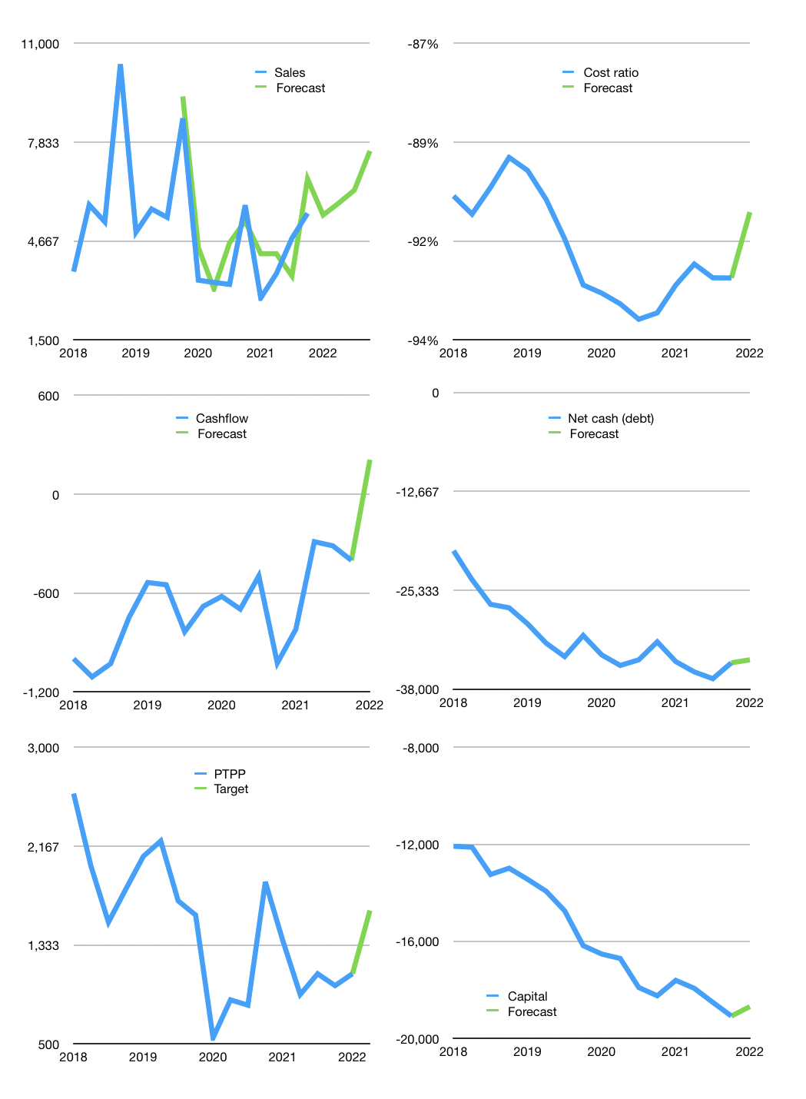
Financial model
Rpbn |  |  |  | 4Q 2022
Cashflow | 6% |  |  | 8%
Growth | -1% | 7% | 7% | 20%
Sales | 5,497 | 5,881 | 6,293 | 7,552
Cost ratio | -91% | -91% | -91% | -91%
Cash costs | -5,001 | -5,351 | -5,726 | -6,871
Operating | 495 | 530 | 567 | 681
Investment | -472 | -472 | -472 | -472
Finance | -24 | -59 | -96 | -209
Liabilities | -2,062 | -1,959 | -1,861 | -1,768
Equity | 0 | 0 | 0 | 0
Before revolver | -2,038 | -1,900 | -1,765 | -1,559
Revolver | 2,038 | 1,900 | 1,765 | 1,559
Beginning | 6,603 | 6,603 | 6,603 | 6,603
Change | 0 | 0 | 0 | 0
Ending | 6,603 | 6,603 | 6,603 | 6,603
Profit
Non cash costs | -217 | -217 | -217 | -217
Net profit | 279 | 314 | 351 | 464
Balance sheet
Other assets | 52,262 | 52,733 | 53,205 | 53,676
Depreciation | 3,036 | 3,252 | 3,469 | 3,685
Net other assets | 49,226 | 49,481 | 49,736 | 49,991
Liabilities | 39,182 | 37,223 | 35,362 | 33,593
Revolver | 2,038 | 3,939 | 5,704 | 7,263
Equity | 14,609 | 14,923 | 15,273 | 15,738
Check | 0 | 0 | 0 | 0
Net cash | -34,617 | -34,558 | -34,463 | -34,253
Valuation
Capital | -19,060 | -19,001 | -18,905 | -18,696
Current value |  |  |  | 6,742,020,718,592
Current value |  |  |  | 6,742
P/assets |  |  |  | 0.12
Yield |  |  |  | 0%
Cashflow |  |  |  | 837
Payback |  |  |  | 59
Valuation |  |  |  | 8
Forecast |  |  |  | 12
Value |  |  |  | 10,044
Shares |  |  |  | 6
Target |  |  |  | 1,624
Current |  |  |  | 1,090
V target |  |  |  | 49%
12 month growth |  |  |  | -4%
Sales v forecast |  |  |  | 10%

