Model
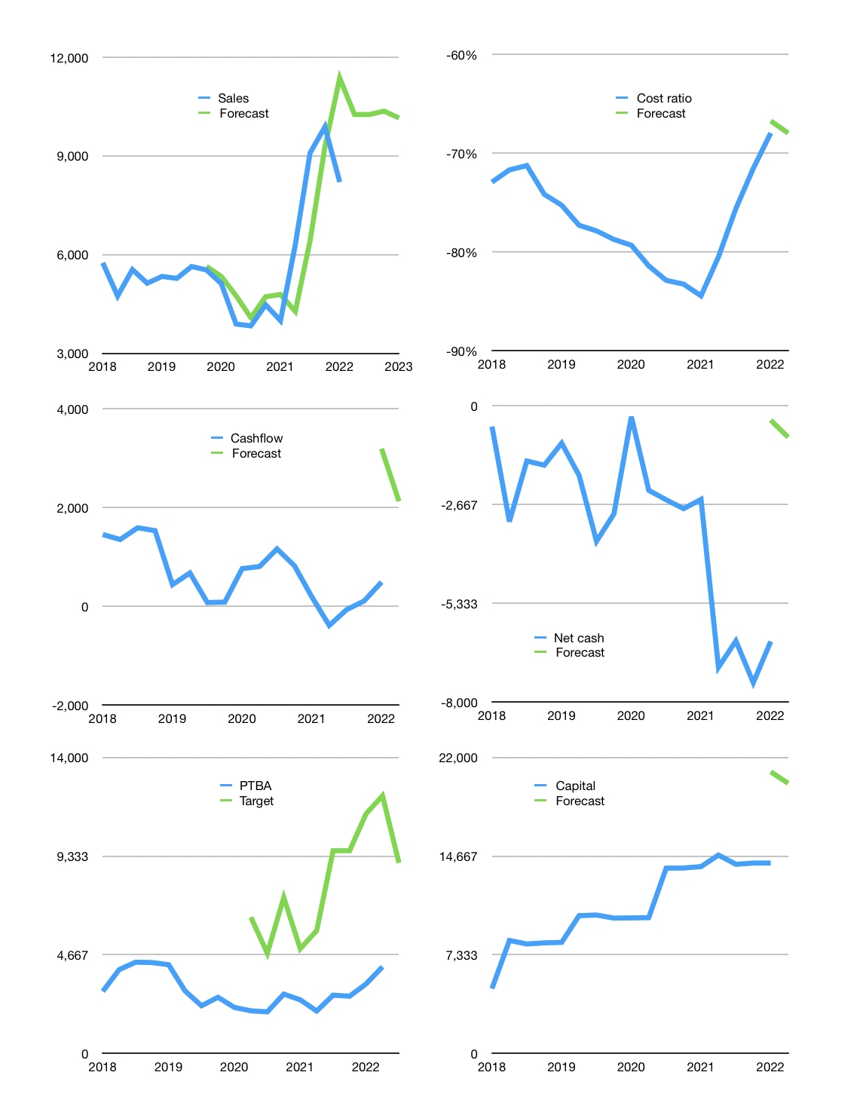
Financial model
Rpbn |  |  | 4Q 2022
Cashflow | 23% |  |  | 6%
Growth | 25% | 0% | 1% | -2%
Sales | 10,256 | 10,256 | 10,359 | 10,152
Cost ratio | -68% | -68% | -68% | -68%
Cash costs | -6,971 | -6,971 | -7,040 | -6,900
Operating | 3,285 | 3,285 | 3,318 | 3,252
Investment | -1,005 | -1,005 | -1,005 | -1,005
Leases | -124 | -124 | -124 | -124
Finance | -1,525 | -1,494 | -1,474 | -1,426
Liabilities | -623 | -592 | -563 | -534
Revolver | 0 | 0 | 0 | 0
Payout | 0.3
Equity | -902 | -902 | -911 | -892
Before revolver | 755 | 787 | 839 | 821
Beginning | 6,105 | 6,861 | 7,647 | 8,486
Change | 755 | 787 | 839 | 821
Ending | 6,861 | 7,647 | 8,486 | 9,307
Profit
Non cash costs | -359 | -359 | -359 | -359
JVs | 79 | 79 | 79 | 79
Net profit | 3,005 | 3,005 | 3,038 | 2,972
Balance sheet
Other assets | 41,010 | 42,094 | 43,178 | 44,262
Depreciation | 7,400 | 7,759 | 8,118 | 8,477
Net other assets | 33,610 | 34,335 | 35,060 | 35,785
Liabilities | 11,845 | 11,252 | 10,690 | 10,155
Revolver | 0 | 0 | 0 | 0
Equity | 28,626 | 30,730 | 32,856 | 34,937
Check | 0 | 0 | 0 | 0
Net cash | -4,984 | -3,605 | -2,203 | -848
Valuation
Capital | 15,675 | 17,169 | 18,643 | 20,069
Current value |  |  |  | 47,097,521,049,600
Current value |  |  |  | 47,098
P/assets |  |  |  | 1.04
Yield |  |  |  | 8%
Cashflow |  |  |  | 8,627
Payback |  |  |  | 4
Valuation |  |  |  | 5
Forecast |  |  |  | 12
Value |  |  |  | 103,526
Shares |  |  |  | 11
Target |  |  |  | 9,012
Current |  |  |  | 4,100
V target |  |  |  | 120%
12 month growth |  |  |  | 105%
Sales v forecast |  |  |  | 1%

Capital
Capital
 | Liabilities | Equity | Total | Liabilities | Equity | Total
2007 |  | -243 | -243 | 0 | -243 | -243
2008 |  | -380 | -380 | 0 | -623 | -623
2009 |  | -1,008 | -1,008 | 0 | -1,631 | -1,631
2010 |  | -1,236 | -1,236 | 0 | -2,867 | -2,867
2011 | 5 | -1,282 | -1,277 | 5 | -4,149 | -4,144
2012 | 45 | -1,806 | -1,761 | 50 | -5,955 | -5,905
2013 | 34 | -3,311 | -3,277 | 84 | -9,266 | -9,182
2014 | 1,750 | -1,011 | 739 | 1,834 | -10,277 | -8,443
2015 | -641 | -1,108 | -1,749 | 1,193 | -11,385 | -10,192
2016 | -353 | -611 | -964 | 840 | -11,996 | -11,156
2017 | -1,271 | -612 | -1,883 | -431 | -12,608 | -13,039
2018 | -13 | -3,392 | -3,405 | -444 | -16,000 | -16,444
2019 | -150 | -1,691 | -1,841 | -594 | -17,691 | -18,285 | -1489.2666667
2020 | -50 | -3,674 | -3,724 | -644 | -21,365 | -22,009 | -2236.6
2021 | -160 | -170 | -330 | -804 | -21,535 | -22,339 | -330

PTBA 22 TRILLION RUPIAH PAID VS 32 TRILLION MARKET CAP

