Model
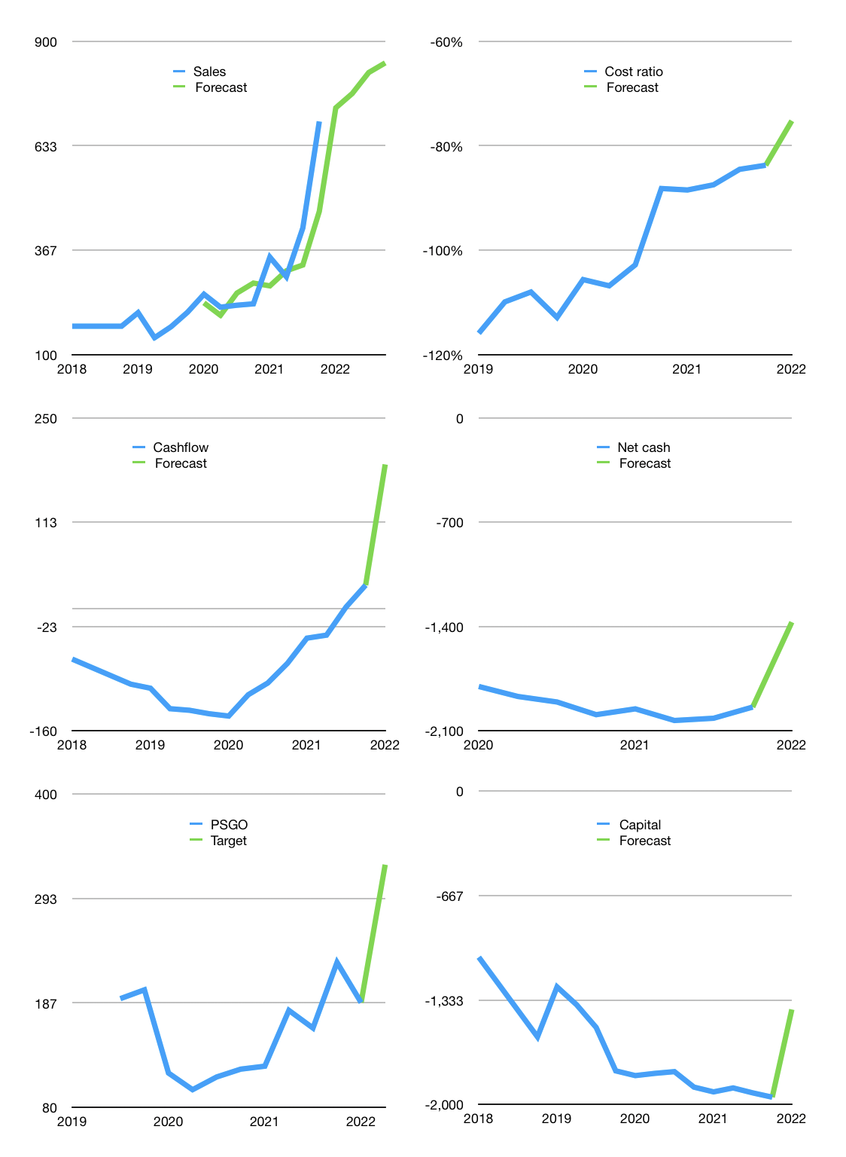
Financial model
Rpbn |  |  |  | 4Q 2022
Cashflow | 36% |  |  | 5%
Growth | 5% | 5% | 7% | 3%
Sales | 730 | 767 | 820 | 845
Cost ratio | -75% | -75% | -75% | -75%
Cash costs | -549 | -577 | -617 | -636
Operating | 181 | 190 | 203 | 209
Investment | -20 | -20 | -20 | -20
Finance | -145 | -141 | -139 | -135
Liabilities | -115 | -110 | -104 | -99
Payout | 0.2
Equity | -30 | -32 | -35 | -36
Before revolver | 15 | 28 | 44 | 54
Revolver | 0 | 0 | 0 | 0
Beginning | 367 | 382 | 410 | 454
Change | 15 | 28 | 44 | 54
Ending | 382 | 410 | 454 | 508
Profit
Non cash costs | -31 | -31 | -31 | -31
Net profit | 150 | 159 | 173 | 179
Balance sheet
Other assets | 3,982 | 4,003 | 4,023 | 4,044
Depreciation | 628 | 658 | 689 | 719
Net other assets | 3,355 | 3,345 | 3,335 | 3,325
Liabilities | 2,192 | 2,082 | 1,978 | 1,879
Revolver | 0 | 0 | 0 | 0
Equity | 1,545 | 1,673 | 1,811 | 1,954
Check | 0 | 0 | 0 | 0
Net cash | -1,810 | -1,672 | -1,524 | -1,371
Valuation
Capital | -1,808 | -1,667 | -1,528 | -1,394
Current value |  |  |  | 3,600,348,567,552
Current value |  |  |  | 3,600
P/assets |  |  |  | 0.94
Yield |  |  |  | 4%
Cashflow |  |  |  | 701
Payback |  |  |  | 5
Valuation |  |  |  | 5
Forecast |  |  |  | 9
Value |  |  |  | 6,312
Shares |  |  |  | 19
Target |  |  |  | 328
Current |  |  |  | 187
V target |  |  |  | 75%
12 month growth |  |  |  | 203%
Sales forecasts |  |  |  | -13%

Cashflow
Cashflow
Rpbn | Receipts | Operating | Investment | Interest | Leases | Consumer | Liabilities | Equity | Finance | Free cashflow | Cashflow | Forecast | Capital | Forecast
2016 | 0 | -5 | -86 |  |  |  |  |  | 140 | -91 |  |  | -140 |  | 1
 | 0 | -5 | -86 |  |  |  |  |  | 140 | -91 |  |  | -280 |  | 2
 | 0 | -5 | -86 |  |  |  |  |  | 140 | -91 |  |  | -420 |  | 3
 | 0 | -5 | -86 |  |  |  |  |  | 140 | -91 |  |  | -560 |  | 4
2017 | 0 | 33 | -88 |  |  |  |  |  | 83 | -55 | -82 |  | -643 |  | 5
 | 0 | 33 | -88 |  |  |  |  |  | 83 | -55 | -73 |  | -726 |  | 6
 | 0 | 33 | -88 |  |  |  |  |  | 83 | -55 | -64 |  | -808 |  | 7
 | 0 | 33 | -88 |  |  |  |  |  | 83 | -55 | -55 |  | -891 |  | 8
2018 | 173 | 15 | -75 | -39 |  |  |  |  | 170 | -99 | -66 |  | -1,060 |  | 9
 | 173 | 15 | -75 | -39 |  |  |  |  | 170 | -99 | -77 |  | -1,230 |  | 10
 | 173 | 15 | -75 | -39 |  |  |  |  | 170 | -99 | -88 |  | -1,399 |  | 11
 | 173 | 15 | -75 | -39 |  |  |  |  | 170 | -99 | -99 |  | -1,569 |  | 12
2019 | 151 | 28 | -103 | -45 | -6 |  |  |  | -319 | -120 | -104 |  | -1,250 |  | 13
 | 150 | -11 | -148 | -47 | -2 |  |  |  | 114 | -206 | -131 |  | -1,364 |  | 14
 | 221 | 44 | -106 | -45 | -3 |  |  |  | 145 | -107 | -133 |  | -1,509 |  | 15
 | 203 | 8 | -83 | -42 | -4 |  |  |  | 277 | -117 | -138 |  | -1,786 |  | 16
2020 | 207 | 55 | -142 | -45 | -4 | -2 | 30 | 0 | -20 | -132 | -141 |  | -1,816 |  | 17
 | 229 | 47 | -96 | -45 | -3 | -5 | -14 | 0 | -68 | -95 | -113 |  | -1,802 |  | 18
 | 204 | 43 | -45 | -43 | -4 | -4 | -11 | 0 | -62 | -46 | -97 |  | -1,791 |  | 19
 | 295 | 135 | -106 | -44 | -5 | 4 | 99 | 0 | 54 | -15 | -72 |  | -1,890 |  | 20
2021 | 251 | 9 | 34 | -42 | -5 | -2 | 30 | 0 | -19 | 1 | -39 |  | -1,920 |  | 21
 | 272 | -43 | 5 | -41 | 0 | -3 | -25 | 0 | -69 | -79 | -35 |  | -1,895 |  | 22
 | 487 | 200 | -57 | -41 | -3 | -3 | 32 | 0 | -15 | 102 | 2 |  | -1,926 |  | 23
 | 615 | 204 | -63 | -41 | -2 | -3 | 28 | 0 | -18 | 100 | 31 | 31 | -1,954 | -1,954 | 24
2022 |  |  |  |  |  |  |  |  |  |  |  | 189 |  | -1,394

PALM OIL PLANTATIONS HABE STARTED TO MAKE MONEY WITH $1,000 PRICE.. BUT ONLY BY SLASHING INVESTMENT…PRICE MUST RISE FURTHER

 | Region 1 | Region 2
April | 17 | 55
May | 26 | 43
June | 53 | 70
July | 96 | 58

