Model
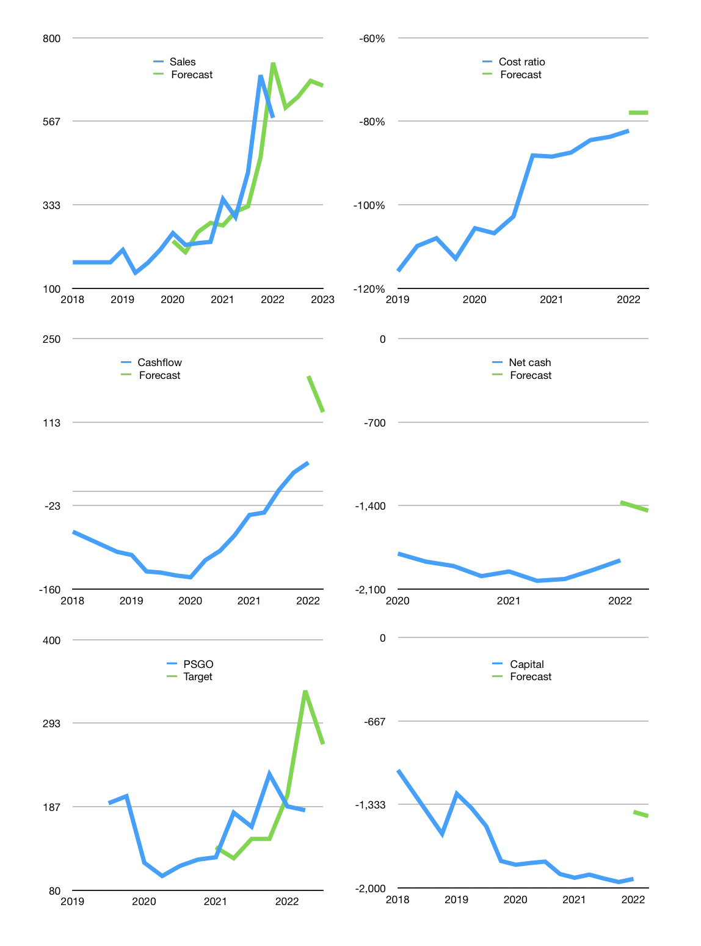
Financial model
Rpbn |  |  | 4Q 2022
Cashflow | 19% |  |  | 4%
Growth | 5% | 5% | 7% | -2%
Sales | 605 | 635 | 679 | 666
Cost ratio | -78% | -78% | -78% | -78%
Cash costs | -471 | -495 | -530 | -519
Operating | 133 | 140 | 150 | 147
Investment | -17 | -17 | -17 | -17
Finance | -116 | -123 | -133 | -130
Liabilities | -113 | -107 | -102 | -97
Revolver | 16 | 5 | -8 | -11
Payout | 0.2
Equity | -19 | -21 | -23 | -22
Before revolver | -16 | -5 | 8 | 11
Beginning | 404 | 404 | 404 | 404
Change | 0 | 0 | 0 | 0
Ending | 404 | 404 | 404 | 404
Profit
Non cash costs | -36 | -36 | -36 | -36
Net profit | 97 | 104 | 114 | 111
Balance sheet
Other assets | 4,029 | 4,046 | 4,063 | 4,080
Depreciation | 669 | 705 | 741 | 777
Net other assets | 3,360 | 3,341 | 3,322 | 3,303
Liabilities | 2,149 | 2,041 | 1,939 | 1,842
Revolver | 16 | 21 | 13 | 3
Equity | 1,599 | 1,682 | 1,773 | 1,862
Check | 0 | 0 | 0 | 0
Net cash | -1,761 | -1,659 | -1,549 | -1,441
Valuation
Capital | -1,812 | -1,689 | -1,557 | -1,427
Current value |  |  |  | 3,430,700,285,952
Current value |  |  |  | 3,431
P/assets |  |  |  | 0.93
Yield |  |  |  | 2%
Cashflow |  |  |  | 502
Payback |  |  |  | 7
Valuation |  |  |  | 7
Forecast |  |  |  | 10
Value |  |  |  | 5,020
Shares |  |  |  | 19
Target |  |  |  | 266
Current |  |  |  | 182
V target |  |  |  | 46%
12 month growth |  |  |  | 65%
Sales forecasts |  |  |  | -6%

Cashflow
Cashflow
Rpbn | Receipts | Operating | Investment | Interest | Leases | Consumer | Liabilities | Equity | Finance | Free cashflow | Cashflow | Forecast | Capital | Forecast
2016 | 0 | -5 | -86 |  |  |  |  |  | 140 | -91 |  |  | -140 |  | 1
 | 0 | -5 | -86 |  |  |  |  |  | 140 | -91 |  |  | -280 |  | 2
 | 0 | -5 | -86 |  |  |  |  |  | 140 | -91 |  |  | -420 |  | 3
 | 0 | -5 | -86 |  |  |  |  |  | 140 | -91 |  |  | -560 |  | 4
2017 | 0 | 33 | -88 |  |  |  |  |  | 83 | -55 | -82 |  | -643 |  | 5
 | 0 | 33 | -88 |  |  |  |  |  | 83 | -55 | -73 |  | -726 |  | 6
 | 0 | 33 | -88 |  |  |  |  |  | 83 | -55 | -64 |  | -808 |  | 7
 | 0 | 33 | -88 |  |  |  |  |  | 83 | -55 | -55 |  | -891 |  | 8
2018 | 173 | 15 | -75 | -39 |  |  |  |  | 170 | -99 | -66 |  | -1,060 |  | 9
 | 173 | 15 | -75 | -39 |  |  |  |  | 170 | -99 | -77 |  | -1,230 |  | 10
 | 173 | 15 | -75 | -39 |  |  |  |  | 170 | -99 | -88 |  | -1,399 |  | 11
 | 173 | 15 | -75 | -39 |  |  |  |  | 170 | -99 | -99 |  | -1,569 |  | 12
2019 | 151 | 28 | -103 | -45 | -6 |  |  |  | -319 | -120 | -104 |  | -1,250 |  | 13
 | 150 | -11 | -148 | -47 | -2 |  |  |  | 114 | -206 | -131 |  | -1,364 |  | 14
 | 221 | 44 | -106 | -45 | -3 |  |  |  | 145 | -107 | -133 |  | -1,509 |  | 15
 | 203 | 8 | -83 | -42 | -4 |  |  |  | 277 | -117 | -138 |  | -1,786 |  | 16
2020 | 207 | 55 | -142 | -45 | -4 | -2 | 30 | 0 | -20 | -132 | -141 |  | -1,816 |  | 17
 | 229 | 47 | -96 | -45 | -3 | -5 | -14 | 0 | -68 | -95 | -113 |  | -1,802 |  | 18
 | 204 | 43 | -45 | -43 | -4 | -4 | -11 | 0 | -62 | -46 | -97 |  | -1,791 |  | 19
 | 295 | 135 | -106 | -44 | -5 | 4 | 99 | 0 | 54 | -15 | -72 |  | -1,890 |  | 20
2021 | 251 | 9 | 34 | -42 | -5 | -2 | 30 | 0 | -19 | 1 | -39 |  | -1,920 |  | 21
 | 272 | -43 | 5 | -41 | 0 | -3 | -25 | 0 | -69 | -79 | -35 |  | -1,895 |  | 22
 | 487 | 200 | -57 | -41 | -3 | -3 | 32 | 0 | -15 | 102 | 2 |  | -1,926 |  | 23
 | 615 | 204 | -63 | -41 | -2 | -3 | 28 | 0 | -18 | 100 | 31 |  | -1,954 |  | 24
2022 | 610 | 59 | 48 | -41 | -1 | -4 | -25 | 0 | -70 | 66 | 47 | 189 | -1,929 | -1,394 | 25
 |  |  |  |  |  |  |  |  |  |  |  | 130 |  | -1,427

PALM OIL PLANTATIONS HABE STARTED TO MAKE MONEY WITH $1,000 PRICE.. BUT ONLY BY SLASHING INVESTMENT…PRICE MUST RISE FURTHER

 | Region 1 | Region 2
April | 17 | 55
May | 26 | 43
June | 53 | 70
July | 96 | 58

