Model
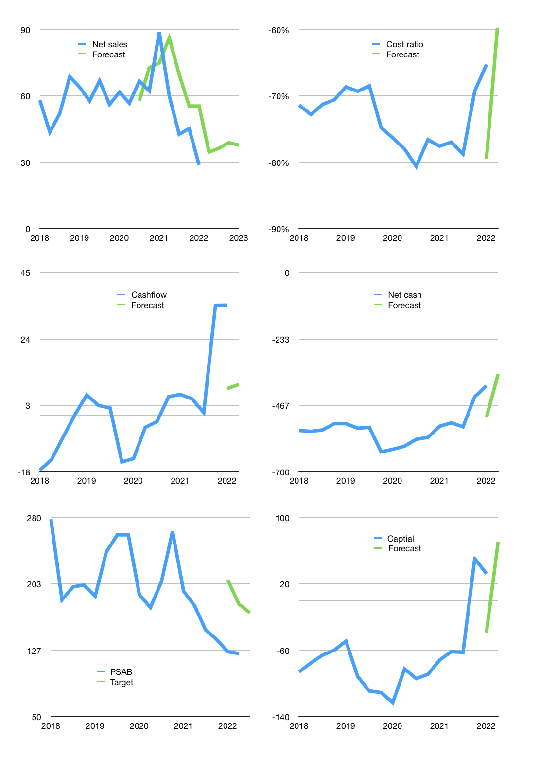
Financial model
$m |  |  | 4Q 2022
Cashflow | -23% |  |  | 7%
Growth | 20% | 5% | 7% | -3%
Sales | 35 | 36 | 39 | 38
Costs ratio | -58% | -58% | -58% | -58%
Cash costs | -20 | -21 | -23 | -22
Operating | 14 | 15 | 16 | 16
Investment | -5 | -5 | -5 | -5
Leases | -1 | -1 | -1 | -1
Finance | -9 | -9 | -10 | -10
Liabilities | -22 | -21 | -20 | -19
Revolver | 12 | 12 | 9 | 9
Payout | 0.0
Equity | 0 | 0 | 0 | 0
Before revolver | -12 | -12 | -9 | -9
Beginning cash | 35 | 35 | 36 | 37
Change | 0 | 1 | 1 | 1
Ending cash | 35 | 36 | 37 | 38
Profit
Non cash costs | -10 | -10 | -10 | -10
Net profit | 4 | 5 | 6 | 6
Balance sheet
Other assets | 1,363 | 1,368 | 1,373 | 1,378
Depreciation | 570 | 580 | 590 | 600
Net other assets | 793 | 788 | 783 | 778
Liabilities | 411 | 391 | 371 | 353
Revolver | 12 | 24 | 33 | 42
Equity | 404 | 409 | 415 | 421
Check | 0 | 0 | 0 | 0
Net cash | -389 | -379 | -368 | -357
Valuation
Rupiah |  |  |  | 14
Capital | 42 | 51 | 61 | 71
Current value |  |  |  | 3,254,580,150,272
Current value |  |  |  | 232
P/assets |  |  |  | 0.28
Yield |  |  |  | 0%
Cashflow |  |  |  | 37
Payback |  |  |  | 22
Valuation |  |  |  | 6
Forecast |  |  |  | 10
Value |  |  |  | 371
Shares |  |  |  | 31
Target |  |  |  | 170
Current |  |  |  | 123
V target |  |  |  | 38%
12 month growth |  |  |  | -67%
Sales forecasts |  |  |  | 20%

Capital
Capital-1
$m | Liabilities | Equity | Total | Liabilities | Equity | Total
2005 |  |  | 0 | 0 | 0 | 0
2006 |  |  | 0 | 0 | 0 | 0
2007 |  |  | 0 | 0 | 0 | 0
2008 |  |  | 0 | 0 | 0 | 0
2009 |  |  | 0 | 0 | 0 | 0
2010 | -35 | 0 | -35 | -35 | 0 | -35
2011 | -49 | 0 | -49 | -84 | 0 | -84
2012 | 35 | 161 | 196 | -49 | 161 | 112
2013 | 237 | 0 | 237 | 188 | 161 | 349
2014 | 1 | 0 | 1 | 189 | 161 | 350
2015 | -51 | 0 | -51 | 138 | 161 | 299
2016 | -11 | 0 | -11 | 127 | 161 | 288
2017 | 84 | 0 | 84 | 211 | 161 | 372
2018 | -18 | 0 | -18 | 193 | 161 | 354
2019 | 52 | 0 | 52 | 245 | 161 | 406
2020 | -22 | 0 | -22 | 223 | 161 | 384
2021 | -139.528 | 0 | -140 | 83 | 161 | 244 | 285 | -122 | -1457.736
2022 | 18 | 0 | 18 | 101 | 161 | 262

PSAB still 262 million dollars raised
 |  |  |  |  |  |  |  |  |  | Table 1-1

 |  |  |  |  |  |  |  |  |  |  | Market value | IDR3254580150272
 |  |  |  |  |  |  |  |  |  |  | PSAB | capital history | -45% | of market cap paid in | the last 12 months
 |  |  |  |  |  |  |  |  |  |  | 2022-06-05
 |  |  |  |  |  |  |  |  |  |  | Start date | 2010
 |  |  |  |  |  |  |  |  |  |  | Number of quarters | 48
 |  |  |  |  |  |  |  |  |  |  | Market value $m | 232
 |  |  |  |  |  |  |  |  |  |  | Liabilities | 101 | million dollars | raised
 |  |  |  |  |  |  |  |  |  |  | PSAB | has | raised | liabilities | by an average | 7.7824615385 | million dollars | every year | 3% | of market value
 |  |  |  |  |  |  |  |  |  |  | In the last 5 years | liabilities | were | paid | by an average | -9 | million dollars | every year | -4% | of market value
 |  |  |  |  |  |  |  |  |  |  | The peak in cumulative liabilities | was | 245 | million dollars | in | 2019
 |  |  |  |  |  |  |  |  |  |  | As of the latest quarter | liabilities | cumulative | are | down | to | 101 | million dollars
 |  |  |  |  |  |  |  |  |  |  | Equity | 161 | million dollars | raised
 |  |  |  |  |  |  |  |  |  |  | PSAB | has | raised | equity | by an average | 13 | million dollars | every year | 6% | of market value
 |  |  |  |  |  |  |  |  |  |  | In the last 5 years | equity | was | paid | by an average | 0 | million dollars | every year | 0% | of market value
 |  |  |  |  |  |  |  |  |  |  | The peak in cumulative equity | was | 161 | million dollars | in | 2012
 |  |  |  |  |  |  |  |  |  |  | As of the latest quarter | equity | cumulative | is | up | to | 161 | million dollars
 |  |  |  |  |  |  |  |  |  |  | Total capital | 262 | million dollars | raised
 |  |  |  |  |  |  |  |  |  |  | PSAB | has | raised | total capital | by an average | 20 | million dollars | every year | 9% | of market value
 |  |  |  |  |  |  |  |  |  |  | In the last 5 years | total capital | was | paid | by an average | -9 | million dollars | every year | -4% | of market value
 |  |  |  |  |  |  |  |  |  |  | The peak in cumulative total capital | was | 406 | million dollars | in | 2019
 |  |  |  |  |  |  |  |  |  |  | As of the latest quarter | total capital | cumulative | is | down | to | 262.172 | million dollars | -45% | of market cap paid in | the last 12 months

