Model
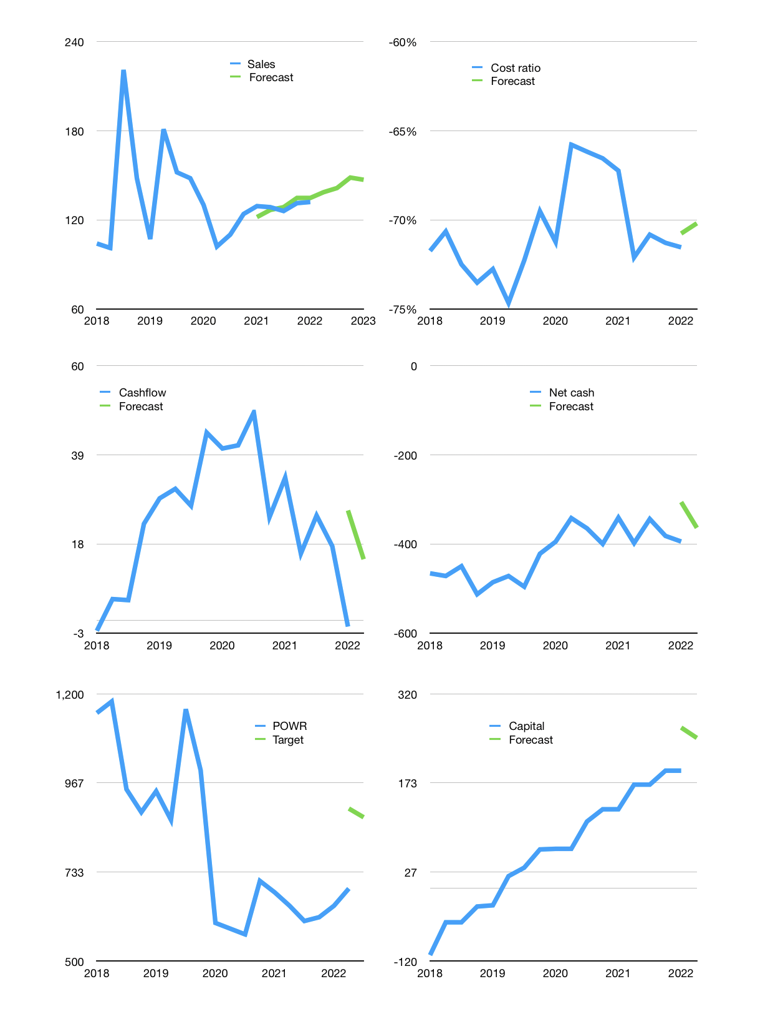
Financial model
$m |  |  | 4Q 2022
Cashflow | 1% |  |  | 3%
Growth | 5% | 2% | 5% | -1%
Sales | 139 | 141 | 148 | 147
Cost ratio | -70% | -70% | -70% | -70%
Cash costs | -97 | -99 | -104 | -103
Operating | 41 | 42 | 44 | 44
Investment | -29 | -29 | -29 | -29
Finance | -12 | -13 | -15 | -14
Liabilities | -32 | -31 | -29 | -28
Revolver | 26 | 24 | 20 | 19
Payout | 0.2
Equity | -5 | -6 | -6 | -6
Before revolver | -26 | -24 | -20 | -19
Beginning | 251 | 251 | 251 | 251
Change | 0 | 0 | 0 | 0
Ending | 251 | 251 | 251 | 251
Profit
Non cash costs | -14 | -14 | -14 | -14
Profit | 27 | 28 | 30 | 30
Balance sheet
Other assets | 2,028 | 2,057 | 2,087 | 2,116
Depreciation | 897 | 911 | 925 | 939
Net other assets | 1,131 | 1,146 | 1,162 | 1,177
Liabilities | 614 | 583 | 554 | 526
Revolver | 26 | 49 | 70 | 89
Equity | 743 | 765 | 790 | 813
Check | 0 | 0 | 0 | 0
Net cash | -388 | -381 | -372 | -364
Valuation
Rupiah |  |  |  | 14
Capital | 205 | 218 | 233 | 247
Current value |  |  |  | 10,881,300,692,992
Current value |  |  |  | 777
P/assets |  |  |  | 0.54
Yield |  |  |  | 3%
Cashflow |  |  |  | 54
Payback |  |  |  | 21
Valuation |  |  |  | 14
Forecast |  |  |  | 17
Value |  |  |  | 916
Shares |  |  |  | 15
Target |  |  |  | 877
Current |  |  |  | 690
V target |  |  |  | 27%
12 month growth |  |  |  | 2%
Sales forecasts |  |  |  | 0%

