Model
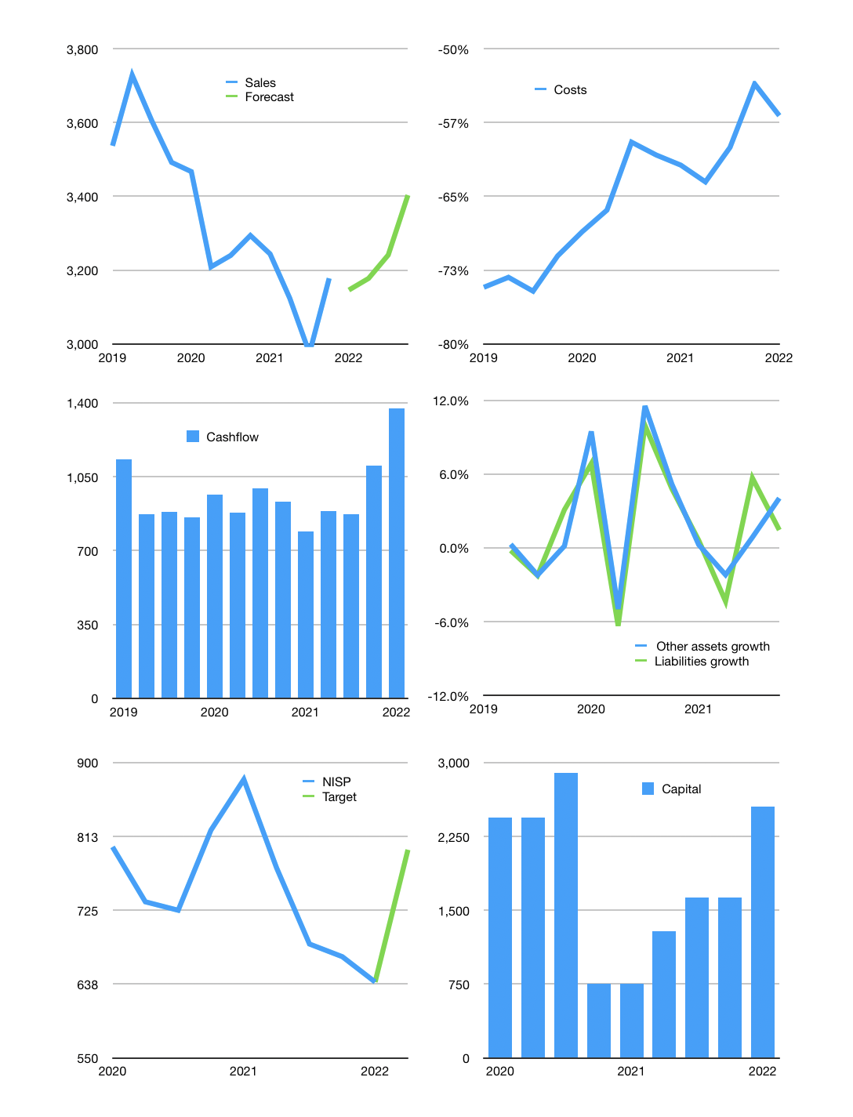
Financial model
Rpbn |  |  |  | 4Q 2022
Cashflow | -1% |  |  | 2%
Growth | -1% | 1% | 2% | 5%
Sales | 3,146 | 3,178 | 3,241 | 3,403
Cost ratio | -57% | -57% | -57% | -57%
Cash costs | -1,787 | -1,805 | -1,841 | -1,933
Operating | 1,359 | 1,373 | 1,400 | 1,470
Investment | -95 | -95 | -95 | -95
Finance | -219 | -223 | -231 | -252
Equity | -219 | -223 | -231 | -252
Before revolver | 1,045 | 1,055 | 1,074 | 1,123
Revolver | 0 | 0 | 0 | 0
Beginning | 12,061 | 13,107 | 14,161 | 15,235
Change | 1,045 | 1,055 | 1,074 | 1,123
Ending | 13,107 | 14,161 | 15,235 | 16,358
Profit
Depreciation | -59 | -59 | -59 | -59
Provision | -571 | -571 | -571 | -571
Net profit | 729 | 742 | 770 | 840
Balance sheet
Other assets | 203,619 | 203,714 | 203,809 | 203,905
Depreciation | 1,820 | 2,450 | 3,081 | 3,711
Net other assets | 201,799 | 201,264 | 200,729 | 200,194
Liabilities | 182,068 | 182,068 | 182,068 | 182,068
Revolver | 0 | 0 | 0 | 0
Equity | 32,838 | 33,358 | 33,896 | 34,484
Check | 0 | 0 | 0 | 0
Valuation
Capital | 1,851 | 2,073 | 2,304 | 2,556
Current value |  |  |  | 14,680
P/assets |  |  |  | 0.07
Yield |  |  |  | 6%
Cashfkow |  |  |  | 5,221
Valuation |  |  |  | 3
Forecast |  |  |  | 4
Value |  |  |  | 18,274
Shares |  |  |  | 23
Target |  |  |  | 797
Current |  |  |  | 640
V target |  |  |  | 24%
12 month growth |  |  |  | -4%
Sales forecasts |  |  |  | -100%

