Model
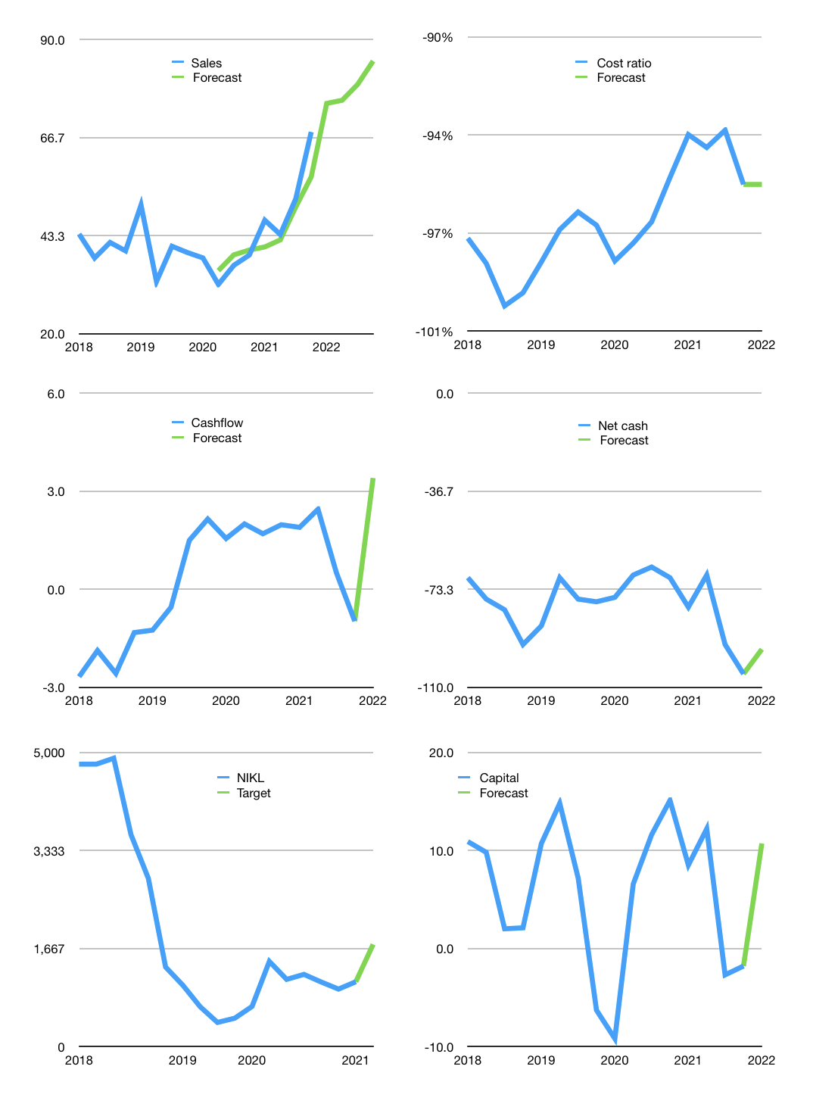
Financial model
$m |  |  |  | 4Q 2022
Cashflow | 16% |  |  | 6%
Growth | 10% | 1% | 5% | 7%
Sales | 74.8 | 75.5 | 79.3 | 84.9
Cost ratio | -96% | -96% | -96% | -96%
Cash costs | -71.4 | -72.2 | -75.8 | -81.1
Operating | 3.4 | 3.4 | 3.6 | 3.8
Investment | -0.4 | -0.4 | -0.4 | -0.4
Finance | -3.0 | -3.0 | -3.2 | -3.4
Liabilities | -6.7 | -6.3 | -6.0 | -5.7
Equity | -0.8 | -0.8 | -0.8 | -0.9
Before revolver | -4.5 | -4.1 | -3.7 | -3.2
Revolver | 4.5 | 4.1 | 3.7 | 3.2
Beginning | 28.0 | 28.0 | 28.0 | 28.0
Change | 0.0 | 0.0 | 0.0 | 0.0
Ending | 28.0 | 28.0 | 28.0 | 28.0
Profit
Non cash costs | -0.8 | -0.8 | -0.8 | -0.8
Net profit | 2.6 | 2.6 | 2.8 | 3.0
Balance sheet
Other assets | 192 | 193 | 193 | 194
Depreciation | 33 | 34 | 34 | 35
Net other assets | 160 | 159 | 159 | 158
Liabilities | 126 | 120 | 114 | 108
Revolver | 4 | 9 | 12 | 15
Equity | 57 | 59 | 61 | 63
Check | 0 | 0 | 0 | 0
Net cash | -103 | -101 | -98 | -96
Valuation
Rupiah |  |  |  | 14
Capital | 1 | 4 | 7 | 11
Current value |  |  |  | 2,775,685,017,600
Current value |  |  |  | 198
P/assets |  |  |  | 1.06
Yield |  |  |  | 2%
Cashflow |  |  |  | 13
Payback |  |  |  | 13
Valuation |  |  |  | 16
Forecast |  |  |  | 25
Value |  |  |  | 313
Shares |  |  |  | 3
Target |  |  |  | 1,735
Current |  |  |  | 1,100
V target |  |  |  | 58%
12 month growth |  |  |  | 76%
Sales forecasts |  |  |  | -4%

