Model
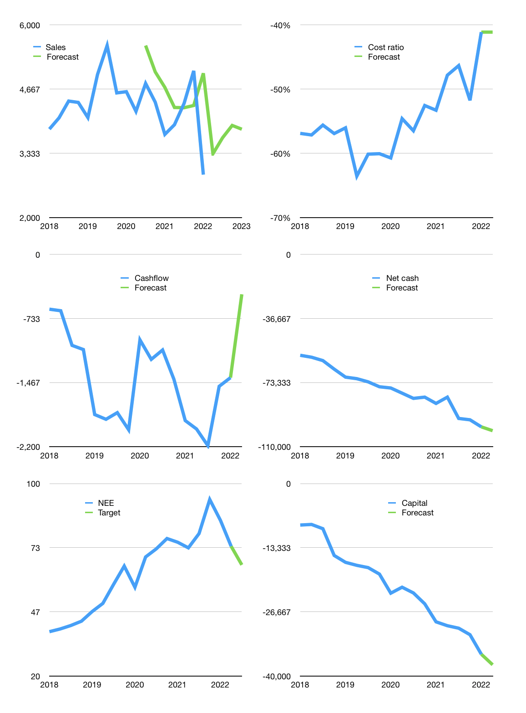
Financial model
$m |  |  | 4Q 2022
Cashflow | -3% |  |  | 8%
Growth | 15% | 10.0% | 7% | -2%
Sales | 3,324 | 3,656 | 3,912 | 3,834
Cost ratio | -41% | -41% | -41% | -41%
Cash costs | -1,367 | -1,503 | -1,608 | -1,576
Operating | 1,957 | 2,153 | 2,303 | 2,257
Investment | -2,715 | -2,715 | -2,715 | -2,715
Finance | 758 | 562 | 412 | 458
Liabilities | -5,035 | -4,783 | -4,544 | -4,317
Revolver | 5,793 | 5,345 | 4,955 | 4,774
Payout | 0.0
Equity | 0 | 0 | 0 | 0
Before revolver | -5,793 | -5,345 | -4,955 | -4,774
Beginning | 2,061 | 2,061 | 2,061 | 2,061
Change | 0 | 0 | 0 | 0
Ending | 2,061 | 2,061 | 2,061 | 2,061
Profit
Non cash costs | -2,080 | -2,080 | -2,080 | -2,080
Net profit | -123 | 73 | 224 | 177
Balance sheet
Other assets | 174,670 | 177,385 | 180,100 | 182,815
Depreciation | 31,151 | 33,231 | 35,310 | 37,390
Net other assets | 143,519 | 144,155 | 144,790 | 145,425
Liabilities | 95,658 | 90,875 | 86,332 | 82,015
Revolver | 5,793 | 11,138 | 16,094 | 20,868
Equity | 44,129 | 44,202 | 44,426 | 44,603
Check | 0 | 0 | 0 | 0
Net cash | -99,390 | -99,952 | -100,364 | -100,822
Valuation
Capital | -36,222 | -36,784 | -37,196 | -37,654
Current value |  |  |  | 145,270,336,737
Current value |  |  |  | 145,270
P/assets |  |  |  | 1.0
Yield |  |  |  | 0%
Cashflow |  |  |  | 8,670
Payback |  |  |  | 16
Valuation |  |  |  | 17
Forecast |  |  |  | 15
Value |  |  |  | 130,050
Shares |  |  |  | 1,964
Target |  |  |  | 66
Current |  |  |  | 74
V target |  |  |  | -10%
12 month growth |  |  |  | -22%
Sales forecasts |  |  |  | 14%

